New PH
FY2012 Continuum of Care Homeless Assistance Program: Project Applications in esnaps
The purpose of this document is to provide a summary of the forms and questions that project applicants must complete in its application submission.
Applicant Submission for Funding
Part 2 - Subrecipient Information
Form: 2A. Project Subrecipients | This form lists the subrecipient organization(s) for the project. To add a subrecipient, select the icon. To view or update subrecipient information already listed, select the view option.
Total Expected Sub-Awards | readonly; field populates with a sum of expected sub-award fields from the detail subformlets
Organization | readonly; column lists organization names from all detail subformlets
Type | readonly; column lists organization types from detail subformlets
Sub-Award Amount | readonly; column lists organization sub-award from detail subformlets

Subform: 2A. Project Subrecipients
* a. Organization Name | mandatory; alphanumeric field;
* b. Organization Type | mandatory; dropdown menu with: U: Tribally Controlled Colleges and Universities (TCCUs);A. State Government;B. County Government;C. City or Township Government;D. Special District Government;F. U.S. Territory or Possession;L. Public/Indian Housing Authority;M. Nonprofit with 501(c)(3) IRS Status (Other than Institution of Higher Education);N. Nonprofit without 501(c)(3) IRS Status (Other than Institution of Higher Education);X. Other (Specify)
If "Other" please specify | mandatory if select X. Other (Specify); alphanumeric field
* c. Employer or Tax Identification Number | mandatory: must be in format XX-XXXXXXX
* d. Organizational DUNS | mandatory; numeric; must be 9 digits
PLUS 4 | non-mandatory; numeric; must be 4 digits
e. Physical Address
* Street 1 | mandatory; alphanumeric field;
Street 2 | non-mandatory; alphanumeric field;
* City | mandatory; alphanumeric field;
* State | mandatory; dropdown with all States and territories available
* Zip Code | mandatory; numeric;
* f. Congressional District(s) | mandatory; two multi-select list boxes; Available Items: includes all congressional districts; Selected Items: displays applicant selected states and territories
* g. Is the subrecipient a Faith-Based Organization | mandatory; dropdown with No, Yes
* h. Has the Subrecipient ever received a federal grant, either directly from a federal agency or through a State/local agency | mandatory; dropdown with No, Yes
* i. Expected Sub-Award Amount: | mandatory; numeric
j. Contact Person
* Prefix | non-mandatory; dropdown with: Dr.;Mr.;Mrs.;Ms.;Miss;Rev.;Brother;Madame;The Honorable;Governor;Mayor;President;Judge;Father;Sister;Captain;Major;Monsignor;Deacon;Colonel;Lt. Colonel;Bishop;Acting Governor;Pastor;Rabbi;Brig. General;Commissioner
* First Name | mandatory; alphanumeric field;
Middle Name | non-mandatory; alphanumeric field;
* Last Name | mandatory; alphanumeric field;
Suffix | non-mandatory; dropdown with: Jr.;Sr.;M.D.;D.D.S.;Ph.D.;Esq.;CSW;J.D.;MSW;LMSW;LCSW;Ed.D.
* Title | mandatory; alphanumeric field;
* E-mail Address | mandatory; alphanumeric field; must be valid email
* Confirm E-mail Address | mandatory; alphanumeric field; must match previous field exactly
* Phone Number | mandatory; numeric field; 10 or 11 numbers only
Extension | non-mandatory; numeric field only
Fax Number | non-mandatory; numeric field; 10 or 11 numbers only
Documentation of the subrecipient's nonprofit status is required with the submission of this application. | Note at the bottom of the form
Form: 2B. Experience of Applicant, Subrecipient(s), and Other Partners
* 1. Describe the experience of the applicant and potential subrecipients (if any), in effectively utilizing federal funds and performing the activities proposed in the application, given funding and time limitations. | mandatory; alphanumeric field
* 2. Describe the experience of the applicant and potential subrecipients (if any) in leveraging other Federal, State, local, and private sector funds. | mandatory; alphanumeric field
* 3. Describe the basic organization and management structure of the applicant and subrecipients (if any). Include evidence of internal and external coordination and an adequate financial accounting system. | mandatory; alphanumeric field
* 4a. Are there any unresolved monitoring or audit findings for any HUD grants (including ESG) operated by the applicant or potential subrecipients (if any)? If Yes, click "Save" to explain findings. | mandatory; dropdown with options: No, Yes
4b. Describe the unresolved monitoring or audit findings. | mandatory if yes to 4a; alphanumeric field

Part 3 - Project Information
Form: 3A. Project Detail
* 1a. CoC Number and Name: | mandatory; dropdown with options = CoC number and name, as identified in the CoC's registration submission. Include 'No CoC' as first option.
* 1b. CoC Applicant Name: | mandatory; dropdown list dependent on selection of CoC Number and Name above; populated with associated CoC applicant names from registration
2. Project Name: | readonly; populated with 2012 project name
* 3. Project status: (**Form is auto populated. Change only if appealing a CoC rejection**) | Mandatory; dropdown with options = Standard, Appeal; default = Standard. If Appeal is selected, auto-save and display red warning message, "You have selected "Appeal" and therefore are designating this application as an appeal to the CoC's decision to not fund this project. To proceed, you must fill out an additional form, Part 9 - Notice of Intent to Appeal, and submit the details of your appeal to be considered for funding. If you are filling out this application for the first time, or are otherwise not intending to appeal a rejection, please select "Standard."" If Appeal is selected, Part 9 below is visible; Autosave is important. Warning message must be red and prominent.
* 4. Component Type: | New projects = mandatory; dropdown with options: PH, TH, SSO, HMIS
* 5. Is Energy Star used at one or more of the proposed properties? | mandatory; dropdown with options: Yes, No, Not applicable
* 6. Does this project use one or more properties that have been conveyed through the Title V process? | mandatory; dropdown with options: Yes, No

Form: 3B. Description
* 1. Provide a description that addresses the entire scope of the proposed project . | mandatory; alphanumeric field
* 2. Describe the estimated schedule for the proposed activities, the management plan, and the method for assuring effective and timely completion of all work | mandatory; alphanumeric field
3. If applicable, describe the proposed development activities and the responsibilities that the applicant and potential subrecipients (if any) will have in developing, operating, and maintaining the property. | nonmandatory; alphanumeric field; visible for nonHMIS component projects
* 4. Do you plan on serving youth under category 3 of the HUD homeless definition, "unaccompanied youth and families with children who are defined as homeless under other federal statutes and who do not otherwise qualify as homeless under this definition"? (Your CoC must request and receive HUD approval before project applicants can serve youth under category 3) | mandatory; drop-down box with options: Yes or No
* 5. Will the project provide RRH? | mandatory; Drop down menu options; "Yes" or "No"; visible for PH component projects
* 6a. If applicable, indicate the type of rental assistance: | mandatory; dropdown with: N/A, PRA, SRA, TRA; N/A is the default
* 6b. Indicate the maximum length of rental assistance: | mandatory and visible only if select PRA, SRA, TRA in question above in 6a (6a. If applicable, indicate the type of rental assistance:); dropdown option = Up to 3 months; Up to 12 months; Up to 18 months; Up to 24 months; Unlimited assistance Visible for nonHMIS and nonSSO component projects​
* 6c. Describe the method for determining the type, amount, and duration of rental assistance that participants can receive. | mandatory and visible only if select PRA, SRA, TRA in question 6a above; alphanumeric field Visible for nonHMIS and nonSSO component projects
* 7a. Will participants be required to live in a particular structure, unit, or locality, at some point during the period of participation? | mandatory; dropdown with: Yes, No; visible for PH component projects.
* 7b. If yes, explain how and why the project will implement this requirement. | mandatory if Yes to 7a on form 3B; alphanumeric field; visible for PH component projects.
* 8a. Will more than 16 persons live in one structure? (If yes, click on the "Save" button below to enter additional information.) | Mandatory; drop-down with options Yes, No; set default to 'No'
* 8b. Describe the local market conditions that necessitate a project of this size. | Visible and mandatory if "Yes" in question 8a; alphanumeric field
* 8c. Describe how the project will be integrated into the neighborhood. | Visible and mandatory if "Yes" in question 8a; alphanumeric field

Form: 3C. Expansion
* 1. Will the project use an existing homeless facility or incorporate activities provided by an existing project? | mandatory; dropdown with: Yes, No
* Select the activities below that describe the expansion project, and click on the "Save" button below to provide additional details. | visible if Yes is selected to question #1. Available items include the following: -Increase the number of homeless persons served -Provide additional supportive services to homeless persons -Bring existing facilities up to state/local government health and safety standards -Replace the loss of nonrenewable funding (private, federal, other excluding state/local government)
Increase the number of homeless persons served | visible if selected in question above
* Indicate how the project is proposing to "increase the number of homeless persons served." Current level of effort # of persons served at a point-in-time # of units # of beds New Effort # of additional persons served at a point in time that this project will provide # of additional units this project will provide # of additional beds this project will provide | mandatory, numeric fields;
Provide additional supportive services to homeless persons | visible if selected in question above
* Indicate how the project is proposing to "provide additional supportive services to the homeless persons served." | Increase number of and/or expand variety of supportive services provided Increase frequency and/or intensity of supportive services
* Describe the reason for the supportive service increase indicated above. | mandatory, alphanumeric field;
Bring existing facilities up to state/local government health and safety standards | visible if selected in question above
* Describe how the project is proposing to "bring the existing facility(ies) up to state/local government health and safety standards." | mandatory, alphanumeric field;
Replace the loss of nonrenewable funding (private, federal, other excluding state/local government) | visible if selected in question above
Indicate how the project is proposing to "replace the loss of non-renewable funding from private, federal, and/or other (excluding state/local government)." * a) What is the source of non-renewable funding (should indicate that funds are not controlled by the state or local government)? | mandatory, alphanumeric field; visible if the following option is selected: Replace the loss of nonrenewable funding (private, federal, other excluding State/local government)
* b) Why are the project funds non-renewable? | mandatory, alphanumeric field; visible if the following option is selected: Replace the loss of nonrenewable funding (private, federal, other excluding State/local government)
* c) On what date will the non-renewable funds expire? | mandatory, calendar field; mm/dd/yyyy format; visible if the following option is selected: Replace the loss of nonrenewable funding (private, federal, other excluding State/local government)
* d) What steps were taken to obtain other funding sources? | mandatory, alphanumeric field; visible if the following option is selected: Replace the loss of nonrenewable funding (private, federal, other excluding State/local government)
* e) Why are CoC Program funds necessary to continue operating the project? | mandatory, alphanumeric field; visible if the following option is selected: Replace the loss of nonrenewable funding (private, federal, other excluding State/local government)

Part 4 - Hsg, Srvs, and HMIS
Form: 4A. Supportive Services for Participants | visible for nonHMIS component projects
* 1. Are the proposed project policies and practices consistent with the laws related to providing education services to individuals and families? | mandatory, dropdown = Yes, No, Not applicable; nonHMIS
* 2. Does the proposed project have a designated staff person to ensure that the children are enrolled in school and receive educational services, as appropriate? | mandatory, dropdown = Yes, No, Not applicable; nonHMIS
* 3. Describe the reason(s) for non-compliance with educational laws, and the corrective action to be taken prior to grant agreement execution. | mandatory and visible if "No" to questions #1 or #2; alphanumeric text field; nonHMIS
* 4. Describe how participants will be assisted to obtain and remain in permanent housing. | mandatory; alphanumeric text field; nonHMIS
* 5. Describe specifically how participants will be assisted both to increase their employment and/or income and to maximize their ability to live independently. | mandatory; alphanumeric text field; nonHMIS
* 6. Specify the frequency of supportive services to be provided to project participants. | mandatory; nonHMIS; Field mandatory; nonHMIS; column A = 'Supportive Services' column to include the following rows in alpabetical order: Assistance with Moving Costs Case management Child care Education services Employment assistance and job training Food Housing search and counseling services Legal services Life skills training Mental health services Outpatient health services Outreach services Substance abuse treatment services Transportation Utility deposits​ column B = 'Select Frequency'; drop-down list for each of the above Supportive Services to include the following choices: Daily Weekly Bi-Monthly Monthly Quarterly Bi-Weekly Does Not Apply
* 7. How accessible are basic community amenities (e.g., medical facilities, grocery store, recreation facilities, schools, etc.) to the project? | mandatory' nonHMIS; dropdown = Yes, very accessible Somewhat accessible Not accessible

Form: 4B. Housing Type and Location | The following list summarizes each housing site in the project. To add a housing site to the list, select the [+] icon. To view or update a housing site already listed, select the [view] icon.
Total Units: | readonly; sum units from all detail subformlets
Total Beds: | readonly; sum beds from all detail subformlets
Total CH Beds: | readonly; sum beds from all detail subformlets
Housing Type, Units, Beds, CH Beds | readonly; list populates with the units, beds, and CH beds for each detail subformlet

Subform: 4B. Housing Type and Location Detail
* 1. Housing Type: | mandatory; nonHMIS and nonSSO; dropdown options with: Barracks Dormitory, shared or private rooms Shared housing Clustered apartments Scattered-site apartments (including efficiencies) Single family homes/townhouses/duplexes
2. Indicate the maximum number of units and beds available for project participants at the selected housing site.
* a. Units: | mandatory; nonHMIS and NonSSO; numeric field
* b. Beds: | mandatory; nonHMIS and NonSSO; numeric field
* c. CH Beds: | mandatory; nonHMIS and NonSSO; numeric field; CH Beds total must be equal to or less than Beds
3. Address:
* Street 1: | mandatory; nonHMIS and NonSSO; alphanumeric field
Street 2: | nonmandatory; nonHMIS and NonSSO; alphanumeric field
* City: | mandatory; nonHMIS and NonSSO; alphanumeric field
* State: | mandatory; nonHMIS and NonSSO; dropdown with state selection from last year.
* Zip/Postal Code: | mandatory; nonHMIS and NonSSO; numeric field
* 4. Select the geographic area(s) associated with the address. (for multiple selections hold CTRL Key) | mandatory; nonHMIS and NonSSO; many-to-many with available options = to 2012 geo areas (as provided by Yelena)

Part 5 - Participants and Outreach
Form: 5A. Project Participants - Households
Total Households and Household characteristics | grid must include at least one entry (equal to or greater than 1);Formlet visible for nonHMIS component projects

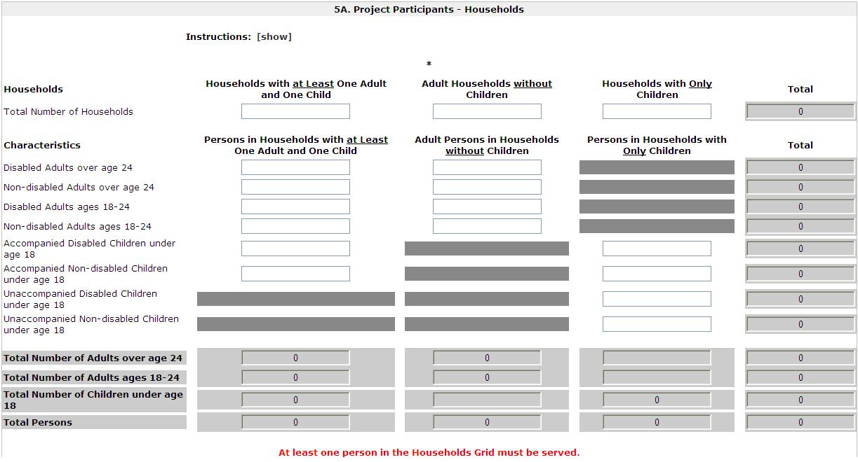
Click Save to automatically calculate totals | Label at bottom
Form: 5B. Project Participants - Subpopulations
Total Households and Household characteristics | grid must include at least one entry (ie, entry can be equal to 0)
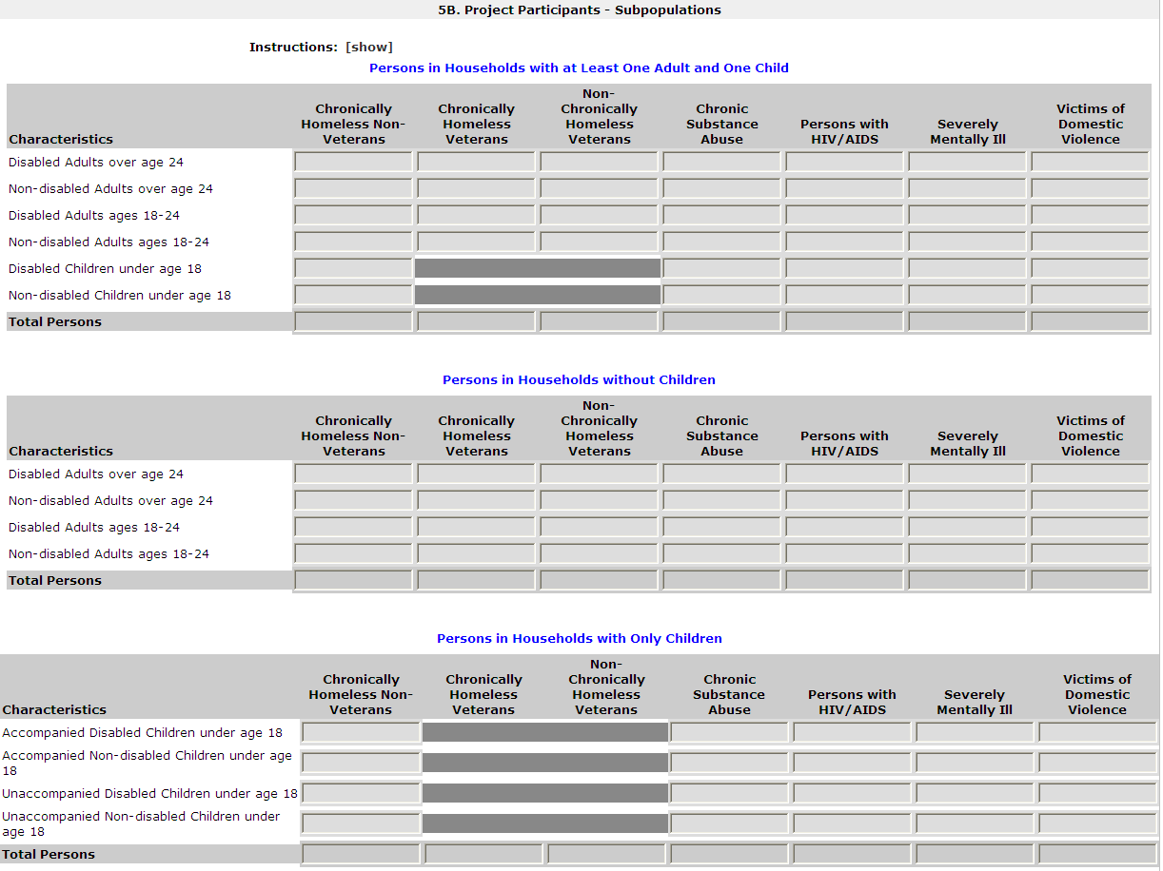
Click Save to automatically calculate totals | Label at bottom

Form: 5C. Outreach for Participants
1. Enter the percentage of homeless person(s) who will be served by the proposed project for each of the following locations.
Directly from the street or other locations not meant for human habitation. | mandatory; numeric field; max 3 digits
Directly from emergency shelters | mandatory; numeric field; max 3 digits
Directly from safe havens. | mandatory; numeric field; max 3 digits
From transitional housing and previously resided in a place not meant for human habitation or emergency shelters, or safe havens. | mandatory; numeric field; max 3 digits
Persons at imminent risk of losing their night time residence. | mandatory; numeric field; max 3 digits
Homeless persons as defined under other federal statutes. | mandatory; numeric field; max 3 digits
Persons fleeing domestic violence. | mandatory; numeric field; max 3 digits
Total of above percentages | readonly; sum of all percentage; error message if sum is more than 100%
* 2. If the total is less than 100 percent, identify the other location(s) and how the persons meet HUD's definition of homeless and/or homeless under other federal statutes. | mandatory if total of above percentages does not equal 100%, nonHMIS; alphanumeric field
(*) 3. Describe the outreach plan to bring these homeless participants into the project. | (non-)mandatory; alphanumeric field

Form: 5D. Discharge Planning Policy | visible if applicant organization is a government agency
* 1. Has the state or local government developed or implemented a discharge planning policy or protocol to prevent or reduce the number of persons discharged from publicly-funded institutions (e.g. health care facilities, foster care, correctional facilities, or mental health institutions) into homelessness or HUD McKinney-Vento funded programs? | mandatory, dropdown = Yes, No, Not applicable; nonHMIS

Part 6 - Performance Measures
Form: 6A. Standard | visible for nonHMIS/Prevention component projects
* 1. Specify the universe and target for the housing measure. Click 'Save' to calculate the target percent (%).
Housing Measure | a. Persons remaining in permanent housing as of the end of the operating year or exiting to permanent housing (subsidized or unsubsidized) during the operating year.
Target (#) | mandatory, numeric value
Universe (#) | mandatory, numeric value
Target (%) | readonly; calculate percentage = target number divided by universal number
* 2. Choose one income-related performance measure from below, and specify the universe and target numbers for the goal. Click 'Save' to calculate the target percent (%).
Income Measure | a. Persons age 18 and older who increased their total income (from all sources) as of the end of the operating year or program exit. OR b. Persons age 18 through 61 who increased their earned income as of the end of the operating year or program exit.
Target (#) | mandatory, numeric value
Universe (#) | mandatory, numeric value
Target (%) | readonly; calculate percentage = target number divided by universal number

Form: 6B. Additional Performance Measures
[Parent Form List]
[Parent Form Header]
* 1. Specify the universe and target goal numbers for the proposed measure.
a. Proposed Measure | mandatory, alphanumeric field
b. Target (#) | mandatory, numeric value
c. Universe (#) | mandatory, numeric value
d. Target (%) | readonly; calculate percentage = target number divided by universal number
* 2. Data Source (e.g., data recorded in HMIS) and method of data collection (e.g., data collected by the intake worker at entry and case manager at exit) proposed to measure results | mandatory, alphanumeric field
* 3. Specific data elements and formula proposed for calculating results | mandatory, alphanumeric field
* 4. Rationale for why the proposed measure is an appropriate indicator of performance for this program | mandatory, alphanumeric field

Part 7 - Budget Information
Form: Funding Request
* 1. Is it feasible for the project to be under grant agreement by September 30, 2014? | mandatory; dropdown with Yes, No
* 2. Are special housing funds being requested for this project? (If Yes, click the 'Save' button to identify the project as a PH Bonus.) | mandatory; dropdown with Yes, No; should be visible for prevention projects
Special housing funding: | readonly; if Yes, populated with Permanent Housing
* 3. Select a grant term: | Mandatory; dropdown options are: 1 Year 2 Years 3 Years 4 Years 5 Years 15 Years
* 4. Select the costs for which funding is being requested: | label
Acquisition/Rehabilitation/New Construction | checkbox; selection triggers Acquisition/Rehahabilitation/ New Construction budget form
Leased Units | checkbox; selection triggers Leased Units budget form
Leased Structures | checkbox; selection triggers Leased Structures budget form
Short-term/Medium-term Rental Assistance | checkbox; selection triggers Short-term/Medium-term Rental Assistance budget form
Long-term Rental Assistance | checkbox; selection triggers Long-term Rental Assistance budget form
Supportive Services | checkbox; selection triggers Supportive Services budget form
Operations | checkbox; selection triggers Operations budget form
HMIS | checkbox; selection triggers HMIS budget form
* 5. Is the project proposing to use funds reallocated from the CoC's annual renewal burden? | mandatory; dropdown with Yes, No
Form: Acquisition/Rehabilitation/New Construction | budget visible if selected on funding request form
The following list summarizes the total request for each structure. To add a structure to the list, select the [+] icon. To view or update a structure already listed, select the [view] icon. | label
Total Acquisition | readonly, dollar (no cents) value field; sums total acquisition request from all structures
Total Rehabilitation | readonly, dollar (no cents) value field; sums total rehabilitation request from all structures
Total New Construction | readonly, dollar (no cents) value field; sums total new construction request from all structures
Total Assistance Requested: | readonly, dollar (no cents) value field; sums total request from all structures
Subform: Acquisition/Rehabilitation/New Construction Budget Detail | Complete the following fields related to the funds being requested for acquisition, rehabilitation, and/or new construction of the new project.
Complete the following fields related to the funds being requested for acquisition, rehabilitation, and/or new construction of the new project. | label
* Name of Structure: | mandatory; alphanumeric field
* Street Address 1: | mandatory; alphanumeric field
Street Address 2: | nonmandatory; alphanumeric field
* City: | mandatory; alphanumeric field
* State: | mandatory; dropdown with States and US territories
* Zip Code: | mandatory; numeric field
Assistance Requested | The user should only be able to enter up to 8 digits for dollar amounts - or $99,999,999 as the maximum.
1. Acquisition | mandatory; dollar value (no decimals)
2. Rehabilitation | mandatory; dollar value (no decimals)
3. New Construction | mandatory; dollar value (no decimals)
4. Total Assistance Requested | sums budget request for the structure
Click the 'Save' button to automatically calculate the Total Assistance Requested.

Form: Leased Units | budget visible if selected on funding request form
The following list summarizes the funds being requested for one or more units leased for operating the projects. To add information to the list, select the [+] icon. To view or update information already listed, select the [view] icon. | label
Total Annual Assistance Requested: | readonly; sums total annual assistance $ from all leased units budget detail
Grant Term: | readonly; populated from funding request form.
Total Request for Grant Term: | readonly; calculates total annual assistance $ from all leased units budget detail times the grant term
Total Units: | sums total units from each leased units budget detail
Subform: Leased Units Budget Detail | In the chart below, enter the appropriate values in the "Number of Units" and "HUD Paid Rent" fields
* Metropolitan or non-metropolitan fair market rent area: | mandatory; dropdown with FMR areas that are in effect at the time of application
SRO
Number of units (Applicant) | nonmandatory, numeric value
FMR (Applicant) | readonly field; populated with current FMR amount for the unit size
HUD Paid Rent (Applicant) | nonmandatory, dollar (no cents) field; maximum value = dollar value in FMR field
12 months | readonly field; populated with 12 (months)
Total Request (Applicant) | readonly, dollar value (no cents) field; multiples number of units times FMR amount (or HUD paid rent) times grant term
0 bedroom
Number of Units (Applicant) | nonmandatory, numeric value
FMR (Applicant) | readonly field; populated with current FMR amount for the unit size
HUD Paid Rent (Applicant) | nonmandatory, dollar (no cents) field; maximum value = dollar value in FMR field
12 months | readonly field; populated with 12 (months)
Total Request (Applicant) | readonly, dollar value (no cents) field; multiples number of units times FMR amount (or HUD paid rent) times grant term
1 bedroom
Number of Units (Applicant) | nonmandatory, numeric value
FMR (Applicant) | readonly field; populated with current FMR amount for the unit size
HUD Paid Rent (Applicant) | nonmandatory, dollar (no cents) field; maximum value = dollar value in FMR field
12 months | readonly field; populated with 12 (months)
Total Request (Applicant) | readonly, dollar value (no cents) field; multiples number of units times FMR amount (or HUD paid rent) times grant term
2 Bedrooms
Number of Units (Applicant) | nonmandatory, numeric value
FMR (Applicant) | readonly field; populated with current FMR amount for the unit size
HUD Paid Rent (Applicant) | nonmandatory, dollar (no cents) field; maximum value = dollar value in FMR field
12 months | readonly field; populated with 12 (months)
Total Request (Applicant) | readonly, dollar value (no cents) field; multiples number of units times FMR amount (or HUD paid rent) times grant term
3 Bedrooms
Number of Units (Applicant) | nonmandatory, numeric value
FMR (Applicant) | readonly field; populated with current FMR amount for the unit size
HUD Paid Rent (Applicant) | nonmandatory, dollar (no cents) field; maximum value = dollar value in FMR field
12 months | readonly field; populated with 12 (months)
Total Request (Applicant) | readonly, dollar value (no cents) field; multiples number of units times FMR amount (or HUD paid rent) times grant term
4 Bedrooms
Number of Units (Applicant) | nonmandatory, numeric value
FMR (Applicant) | readonly field; populated with current FMR amount for the unit size
HUD Paid Rent (Applicant) | nonmandatory, dollar (no cents) field; maximum value = dollar value in FMR field
12 months | readonly field; populated with 12 (months)
Total Request (Applicant) | readonly, dollar value (no cents) field; multiples number of units times FMR amount (or HUD paid rent) times grant term
5 Bedrooms
Number of Units (Applicant) | nonmandatory, numeric value
FMR (Applicant) | readonly field; populated with current FMR amount for the unit size
HUD Paid Rent (Applicant) | nonmandatory, dollar (no cents) field; maximum value = dollar value in FMR field
12 months | readonly field; populated with 12 (months)
Total Request (Applicant) | readonly, dollar value (no cents) field; multiples number of units times FMR amount (or HUD paid rent) times grant term
6 Bedrooms
Number of Units (Applicant) | nonmandatory, numeric value
FMR (Applicant) | readonly field; populated with current FMR amount for the unit size
HUD Paid Rent (Applicant) | nonmandatory, dollar (no cents) field; maximum value = dollar value in FMR field
12 months | readonly field; populated with 12 (months)
Total Request (Applicant) | readonly, dollar value (no cents) field; multiples number of units times FMR amount (or HUD paid rent) times grant term
7 Bedrooms
Number of Units (Applicant) | nonmandatory, numeric value
FMR (Applicant) | readonly field; populated with current FMR amount for the unit size
HUD Paid Rent (Applicant) | nonmandatory, dollar (no cents) field; maximum value = dollar value in FMR field
12 months | readonly field; populated with 12 (months)
Total Request (Applicant) | readonly, dollar value (no cents) field; multiples number of units times FMR amount (or HUD paid rent) times grant term
8 Bedrooms
Number of Units (Applicant) | nonmandatory, numeric value
FMR (Applicant) | readonly field; populated with current FMR amount for the unit size
HUD Paid Rent (Applicant) | nonmandatory, dollar (no cents) field; maximum value = dollar value in FMR field
12 months | readonly field; populated with 12 (months)
Total Request (Applicant) | readonly, dollar value (no cents) field; multiples number of units times FMR amount (or HUD paid rent) times grant term
9 Bedrooms
Number of Units (Applicant) | nonmandatory, numeric value
FMR (Applicant) | readonly field; populated with current FMR amount for the unit size
HUD Paid Rent (Applicant) | nonmandatory, dollar (no cents) field; maximum value = dollar value in FMR field
12 months | readonly field; populated with 12 (months)
Total Request (Applicant) | readonly, dollar value (no cents) field; multiples number of units times FMR amount (or HUD paid rent) times grant term
Total units and annual assistance requested: | readonly field; sums total number of units for all bedroom sizes and in a separate field (under the total column) sum $ total for each bedroom size
Grant term: | readonly; populated from funding request form.
Total request for grant term: | readonly, dollar value (no cents) field; sums total request for all bedroom sizes
TEXT | Click the "Save" button to automatically calculate totals
Form: Leased Structures Budget | budget visible if selected on funding request form
The following list summarizes the funds being requested for one or more structures leased for operating the projects. To add information to the list, select the [+] icon. To view or update information already listed, select the [view] icon. | label
Total Annual Assistance Requested: | readonly; sums total annual assistance $ from all leased structures budget detail
Grant Term: | readonly; populated from funding request form.
Total Request for Grant Term: | readonly; calculates total annual assistance $ from all leased structures budget detail times the grant term
Total Structures: | readonly; sums number of structures
Subform: Leased Structures Budget Detail
* Structure Name: | mandatory; alphanumeric field
* Street Address 1: | mandatory; alphanumeric field
Street Address 2: | nonmandatory; alphanumeric field
* City: | mandatory; alphanumeric field
* State: | mandatory; dropdown with States and US territories
* Zip Code: | mandatory; numeric field
* HUD Paid Rent (per month): | mandatory; dollar value (no decimals); must be > $0 to submit the form
12 months | readonly field; populated with selected grant term (in months)
Total annual request: | readonly field; multiplies HUD paid rent amount times 12 months
Grant term | readonly; populated from funding request form.(in years)
Total request for grant term: | readonly field; multiplies HUD paid rent amount times selected grant term (in years)
TEXT | "Click the "Save" button to automatically calculate the Total Assistance Requested."

Form: Short-term/Medium-term Rental Assistance
The following list summarizes the rental assistance funding request for the total term of the project. To add information to the list, select the [+] icon. To view or update information already listed, select the [view] icon. | label
Total Annual Assistance Requested: | readonly; sums total annual assistance $ from all ST/MT RA budget detail
Grant Term: | readonly; populated from funding request form.
Total Request for Grant Term: | readonly; calculates total annual assistance $ from all ST/MT RA budget detail times the grant term
Total Units: | sums total units from each ST/MT RA budget detail
Subform: Short-term/Medium-term Rental Assistance Budget Detail
Type of rental assistance: | mandatory; read only, cannot be edited; populates with information from form 3B
Metropolitan or non-metropolitan fair market rent area: | mandatory; dropdown with FMR areas that are in effect at the time of application
SRO
# of units (Applicant) | nonmandatory, numeric value; up to 4 digits in length
FMR (Applicant) | readonly field; populated with current FMR amount for the unit size
12 Months | readonly field; populated automatically with 12
Total request (Applicant) | readonly, dollar value (no cents) field; multiples number of units times FMR amount times grant term
0 bedroom
# of units (Applicant) | nonmandatory, numeric value; up to 4 digits in length
FMR (Applicant) | readonly field; populated with current FMR amount for the unit size
12 Months | readonly field; populated automatically with 12
Total request (Applicant) | readonly, dollar value (no cents) field; multiples number of units times FMR amount times grant term
1 bedroom
# of units (Applicant) | nonmandatory, numeric value; up to 4 digits in length
FMR (Applicant) | readonly field; populated with current FMR amount for the unit size
12 Months | readonly field; populated automatically with 12
Total request (Applicant) | readonly, dollar value (no cents) field; multiples number of units times FMR amount times grant term
2 Bedrooms
# of units (Applicant) | nonmandatory, numeric value; up to 4 digits in length
FMR (Applicant) | readonly field; populated with current FMR amount for the unit size
12 Months | readonly field; populated automatically with 12
Total request (Applicant) | readonly, dollar value (no cents) field; multiples number of units times FMR amount times grant term
3 Bedrooms
# of units (Applicant) | nonmandatory, numeric value; up to 4 digits in length
FMR (Applicant) | readonly field; populated with current FMR amount for the unit size
12 Months | readonly field; populated automatically with 12
Total request (Applicant) | readonly, dollar value (no cents) field; multiples number of units times FMR amount times grant term
4 Bedrooms
# of units (Applicant) | nonmandatory, numeric value; up to 4 digits in length
FMR (Applicant) | readonly field; populated with current FMR amount for the unit size
12 Months | readonly field; populated automatically with 12
Total request (Applicant) | readonly, dollar value (no cents) field; multiples number of units times FMR amount times grant term
5 Bedrooms
# of units (Applicant) | nonmandatory, numeric value; up to 4 digits in length
FMR (Applicant) | readonly field; populated with current FMR amount for the unit size
12 Months | readonly field; populated automatically with 12
Total request (Applicant) | readonly, dollar value (no cents) field; multiples number of units times FMR amount times grant term
6 Bedrooms
# of units (Applicant) | nonmandatory, numeric value; up to 4 digits in length
FMR (Applicant) | readonly field; populated with current FMR amount for the unit size
12 Months | readonly field; populated automatically with 12
Total request (Applicant) | readonly, dollar value (no cents) field; multiples number of units times FMR amount times grant term
7 Bedrooms
# of units (Applicant) | nonmandatory, numeric value; up to 4 digits in length
FMR (Applicant) | readonly field; populated with current FMR amount for the unit size
12 Months | readonly field; populated automatically with 12
Total request (Applicant) | readonly, dollar value (no cents) field; multiples number of units times FMR amount times grant term
8 Bedrooms
# of units (Applicant) | nonmandatory, numeric value; up to 4 digits in length
FMR (Applicant) | readonly field; populated with current FMR amount for the unit size
12 Months | readonly field; populated automatically with 12
Total request (Applicant) | readonly, dollar value (no cents) field; multiples number of units times FMR amount times grant term
9 Bedrooms
# of units (Applicant) | nonmandatory, numeric value; up to 4 digits in length
FMR (Applicant) | readonly field; populated with current FMR amount for the unit size
12 Months | readonly field; populated automatically with 12
Total request (Applicant) | readonly, dollar value (no cents) field; multiples number of units times FMR amount times grant term
Total Units and Annual Assistance Requested: | readonly field; sums total number of units for all bedroom sizes and in a separate field (under the total column) sum $ total for each bedroom size
Grant term: | readonly; populated from funding request form. (in years)
Total Request for Grant Term: | readonly, dollar value (no cents) field; sums total request for all bedroom sizes
Click the "Save" button to automatically calculate totals.
Form: Long-term Rental Assistance | budget visible if selected on funding request form
The following list summarizes the rental assistance funding request for the total term of the project. To add information to the list, select the [+] icon. To view or update information already listed, select the [view] icon. | label
Total Annual Assistance Requested: | readonly; sums total annual assistance $ from all LTRA budget detail
Grant Term: | readonly; populated from funding request form.
Total Request for Grant Term: | readonly; calculates total annual assistance $ from all LTRA budget detail times the grant term
Total Units: | sums total units from each LTRA budget detail
Subform: Long-term Rental Assistance Budget Detail
Type of rental assistance: | mandatory; read only, cannot be edited; populates with information from form 3B
Metropolitan or non-metropolitan fair market rent area: | mandatory; dropdown with FMR areas that are in effect at the time of application
SRO
# of units (Applicant) | nonmandatory, numeric value; up to 4 digits in length
FMR (Applicant) | readonly field; populated with current FMR amount for the unit size
12 Months | readonly field; populated automatically with 12
Total request (Applicant) | readonly, dollar value (no cents) field; multiples number of units times FMR amount times grant term
0 bedroom
# of units (Applicant) | nonmandatory, numeric value; up to 4 digits in length
FMR (Applicant) | readonly field; populated with current FMR amount for the unit size
12 Months | readonly field; populated automatically with 12
Total request (Applicant) | readonly, dollar value (no cents) field; multiples number of units times FMR amount times grant term
1 bedroom
# of units (Applicant) | nonmandatory, numeric value; up to 4 digits in length
FMR (Applicant) | readonly field; populated with current FMR amount for the unit size
12 Months | readonly field; populated automatically with 12
Total request (Applicant) | readonly, dollar value (no cents) field; multiples number of units times FMR amount times grant term
2 Bedrooms
# of units (Applicant) | nonmandatory, numeric value; up to 4 digits in length
FMR (Applicant) | readonly field; populated with current FMR amount for the unit size
12 Months | readonly field; populated automatically with 12
Total request (Applicant) | readonly, dollar value (no cents) field; multiples number of units times FMR amount times grant term
3 Bedrooms
# of units (Applicant) | nonmandatory, numeric value; up to 4 digits in length
FMR (Applicant) | readonly field; populated with current FMR amount for the unit size
12 Months | readonly field; populated automatically with 12
Total request (Applicant) | readonly, dollar value (no cents) field; multiples number of units times FMR amount times grant term
4 Bedrooms
# of units (Applicant) | nonmandatory, numeric value; up to 4 digits in length
FMR (Applicant) | readonly field; populated with current FMR amount for the unit size
12 Months | readonly field; populated automatically with 12
Total request (Applicant) | readonly, dollar value (no cents) field; multiples number of units times FMR amount times grant term
5 Bedrooms
# of units (Applicant) | nonmandatory, numeric value; up to 4 digits in length
FMR (Applicant) | readonly field; populated with current FMR amount for the unit size
12 Months | readonly field; populated automatically with 12
Total request (Applicant) | readonly, dollar value (no cents) field; multiples number of units times FMR amount times grant term
6 Bedrooms
# of units (Applicant) | nonmandatory, numeric value; up to 4 digits in length
FMR (Applicant) | readonly field; populated with current FMR amount for the unit size
12 Months | readonly field; populated automatically with 12
Total request (Applicant) | readonly, dollar value (no cents) field; multiples number of units times FMR amount times grant term
7 Bedrooms
# of units (Applicant) | nonmandatory, numeric value; up to 4 digits in length
FMR (Applicant) | readonly field; populated with current FMR amount for the unit size
12 Months | readonly field; populated automatically with 12
Total request (Applicant) | readonly, dollar value (no cents) field; multiples number of units times FMR amount times grant term
8 Bedrooms
# of units (Applicant) | nonmandatory, numeric value; up to 4 digits in length
FMR (Applicant) | readonly field; populated with current FMR amount for the unit size
12 Months | readonly field; populated automatically with 12
Total request (Applicant) | readonly, dollar value (no cents) field; multiples number of units times FMR amount times grant term
9 Bedrooms
# of units (Applicant) | nonmandatory, numeric value; up to 4 digits in length
FMR (Applicant) | readonly field; populated with current FMR amount for the unit size
12 Months | readonly field; populated automatically with 12
Total request (Applicant) | readonly, dollar value (no cents) field; multiples number of units times FMR amount times grant term
Total Units and Annual Assistance Requested: | readonly field; sums total number of units for all bedroom sizes and in a separate field (under the total column) sum $ total for each bedroom size
Grant Term: | readonly; populated from funding request form. (in years)
Total Request for Grant Term: | readonly, dollar value (no cents) field; sums total request for all bedroom sizes
Click the "Save" button to automatically calculate totals.

Form: Supportive Services | budget visible if selected on funding request form
* A description must be entered for Quantity. Any costs without a Quantity description will be removed from the budget. | label
1. Assessment of Service Needs
Quantity Description (max 400 characters) | nonmandatory (mandatory if amount entered for Annual Assistance Requested); alphanumeric text
Annual Assistance Requested | nonmandatory; dollar value (no cents); default is blank
2. Assistance with Moving Costs
Quantity Description (max 400 characters) | nonmandatory (mandatory if amount entered for Annual Assistance Requested); alphanumeric text
Annual Assistance Requested | nonmandatory; dollar value (no cents); default is blank
3. Case Management
Quantity Description (max 400 characters) | nonmandatory (mandatory if amount entered for Annual Assistance Requested); alphanumeric text
Annual Assistance Requested | nonmandatory; dollar value (no cents); default is blank
4. Child Care
Quantity Description (max 400 characters) | nonmandatory (mandatory if amount entered for Annual Assistance Requested); alphanumeric text
Annual Assistance Requested | nonmandatory; dollar value (no cents); default is blank
5. Education Services
Quantity Description (max 400 characters) | nonmandatory (mandatory if amount entered for Annual Assistance Requested); alphanumeric text
Annual Assistance Requested | nonmandatory; dollar value (no cents); default is blank
6. Employment Assistance
Quantity Description (max 400 characters) | nonmandatory (mandatory if amount entered for Annual Assistance Requested); alphanumeric text
Annual Assistance Requested | nonmandatory; dollar value (no cents); default is blank
7. Food
Quantity Description (max 400 characters) | nonmandatory (mandatory if amount entered for Annual Assistance Requested); alphanumeric text
Annual Assistance Requested | nonmandatory; dollar value (no cents); default is blank
8. Housing/Counseling Services
Quantity Description (max 400 characters) | nonmandatory (mandatory if amount entered for Annual Assistance Requested); alphanumeric text
Annual Assistance Requested | nonmandatory; dollar value (no cents); default is blank
9. Legal Services
Quantity Description (max 400 characters) | nonmandatory (mandatory if amount entered for Annual Assistance Requested); alphanumeric text
Annual Assistance Requested | nonmandatory; dollar value (no cents); default is blank
10. Life Skills
Quantity Description (max 400 characters) | nonmandatory (mandatory if amount entered for Annual Assistance Requested); alphanumeric text
Annual Assistance Requested | nonmandatory; dollar value (no cents); default is blank
11. Mental Health Services
Quantity Description (max 400 characters) | nonmandatory (mandatory if amount entered for Annual Assistance Requested); alphanumeric text
Annual Assistance Requested | nonmandatory; dollar value (no cents); default is blank
12. Outpatient Health Services
Quantity Description (max 400 characters) | nonmandatory (mandatory if amount entered for Annual Assistance Requested); alphanumeric text
Annual Assistance Requested | nonmandatory; dollar value (no cents); default is blank
13. Outreach Services
Quantity Description (max 400 characters) | nonmandatory (mandatory if amount entered for Annual Assistance Requested); alphanumeric text
Annual Assistance Requested | nonmandatory; dollar value (no cents); default is blank
14. Substance Abuse Treatment Services
Quantity Description (max 400 characters) | nonmandatory (mandatory if amount entered for Annual Assistance Requested); alphanumeric text
Annual Assistance Requested | nonmandatory; dollar value (no cents); default is blank
15. Transportation
Quantity Description (max 400 characters) | nonmandatory (mandatory if amount entered for Annual Assistance Requested); alphanumeric text
Annual Assistance Requested | nonmandatory; dollar value (no cents); default is blank
16. Utility Deposits
Quantity Description (max 400 characters) | nonmandatory (mandatory if amount entered for Annual Assistance Requested); alphanumeric text
Annual Assistance Requested | nonmandatory; dollar value (no cents); default is blank
Total Annual Assistance Requested: | readonly, dollar value (no cents) field; sums annual budget request indicated
Grant Term: | readonly field, numeric value; populated with selected grant term (in years)
Total Request for Grant Term: | readonly, dollar value (no cents) field; multiplies total annual assistance times selected grant term (in years)
Click the "Save" button to automatically calculate totals.

Form: Operating | budget visible if selected on funding request form
* A description must be entered for Quantity. Any costs without a Quantity description will be removed from the budget. | label
1. Maintenance/Repair
Quantity Description (max 400 characters) | nonmandatory (mandatory if amount entered for Annual Assistance Requested); alphanumeric text
Annual Assistance Requested | nonmandatory; dollar value (no cents); default is blank
2. Property Taxes and Insurance
Quantity Description (max 400 characters) | nonmandatory (mandatory if amount entered for Annual Assistance Requested); alphanumeric text
Annual Assistance Requested | nonmandatory; dollar value (no cents); default is blank
3. Replacement Reserve
Quantity Description (max 400 characters) | nonmandatory (mandatory if amount entered for Annual Assistance Requested); alphanumeric text
Annual Assistance Requested | nonmandatory; dollar value (no cents); default is blank
4. Building Security
Quantity Description (max 400 characters) | nonmandatory (mandatory if amount entered for Annual Assistance Requested); alphanumeric text
Annual Assistance Requested | nonmandatory; dollar value (no cents); default is blank
5. Electricity, Gas, and Water
Quantity Description (max 400 characters) | nonmandatory (mandatory if amount entered for Annual Assistance Requested); alphanumeric text
Annual Assistance Requested | nonmandatory; dollar value (no cents); default is blank
6. Furniture
Quantity Description (max 400 characters) | nonmandatory (mandatory if amount entered for Annual Assistance Requested); alphanumeric text
Annual Assistance Requested | nonmandatory; dollar value (no cents); default is blank
7. Equipment (lease, buy)
Quantity Description (max 400 characters) | nonmandatory (mandatory if amount entered for Annual Assistance Requested); alphanumeric text
Annual Assistance Requested | nonmandatory; dollar value (no cents); default is blank
Total Annual Assistance Requested: | readonly, dollar value (no cents) field; sums annual budget request indicated
Grant Term: | readonly field, numeric value; populated with selected grant term (in years)
Total Request for Grant Term: | readonly, dollar value (no cents) field; multiplies total annual assistance times selected grant term (in years)
Click the "Save" button to automatically calculate totals.

Form: HMIS | budget visible if selected on funding request form
* A description must be entered for Quantity. Any costs without a Quantity description will be removed from the budget. | label
1. Equipment
Quantity Description (max 400 characters) | nonmandatory (mandatory if amount entered for Annual Assistance Requested); alphanumeric text
Annual Assistance Requested | nonmandatory; dollar value (no cents); default is blank
2. Software
Quantity Description (max 400 characters) | nonmandatory (mandatory if amount entered for Annual Assistance Requested); alphanumeric text
Annual Assistance Requested | nonmandatory; dollar value (no cents); default is blank
3. Services
Quantity Description (max 400 characters) | nonmandatory (mandatory if amount entered for Annual Assistance Requested); alphanumeric text
Annual Assistance Requested | nonmandatory; dollar value (no cents); default is blank
4. Personnel
Quantity Description (max 400 characters) | nonmandatory (mandatory if amount entered for Annual Assistance Requested); alphanumeric text
Annual Assistance Requested | nonmandatory; dollar value (no cents); default is blank
5. Space & Operations
Quantity Description (max 400 characters) | nonmandatory (mandatory if amount entered for Annual Assistance Requested); alphanumeric text
Annual Assistance Requested | nonmandatory; dollar value (no cents); default is blank
Total Annual Assistance Requested: | readonly, dollar value (no cents) field; sums annual budget request indicated
Grant Term: | readonly field, numeric value; populated with selected grant term (in years)
Total Request for Grant Term: | readonly, dollar value (no cents) field; multiplies total annual assistance times selected grant term (in years)

Form: Summary Budget | The following information summarizes the funding request for the total term of the project. However, the appropriate amount of cash and in-kind match and administrative costs must be entered in the available fields below.​
Eligible Costs | readonly; $ populated from subbudgets
Annual Assistance Requested (Applicant) | readonly; $ populated from subbudgets (2-8)
Grant Term (Applicant) | readonly; $ populated from subbudgets (2-8)
Total Assistance Requested for Grant Term (Applicant) | readonly; $ populated from subbudgets (1-8)
9. Sub-total Costs Requested | readonly; numeric field; sum total requested for grant term $ from each subbudget =
10. Admin (up to 10%) | Numeric field; alert (and submission condition) to prevent user from submitting with an Admin $ that exceeds 10% of "Sub-total Costs Requested". Message reads: "The maximum allowable Admin amount is [calculated 10%]" (in whole dollars). Round up if decimal is .5 or more, otherwise round down)​
11. Total Assistance Plus Admin Requested | readonly; numeric field
12. Cash Match | numeric field
13. In Kind Match | numeric field
14. Total Match | readonly; numeric field; There should be an alert to make the user aware of the Total Match requirement. Alert calculation = 25 % of "Total Assistance Plus Admin Requested" MINUS "Leased Units" and "Leased Structures".
15. Total Budget | readonly; numeric field
Click the "Save" button to automatically calculate totals.

Form: Sources of Leverage | The following list summarizes the funds that will be used as leverage for the project. To add a leveraging source to the list, select the [+] icon. To view or update a leveraging source already listed, select the [view] icon.
Total Value of Cash Commitments | readonly; sum $ amount from all cash commitments
Total Value of In-Kind Commitments | readonly; sum $ amount from all in-kind commitments
Total Value of All Commitments | readonly; sum $ amount from all cash and in-kind commitments
Subform: Leverage Detail
* 1. Type of Commitment: | mandatory field; dropdown with: cash, in kind
* 2. Name the Source of the Commitment: | mandatory field; alphanumeric field
* 3. Type of Source: | mandatory field; dropdown with: Government, Private
* 4. Date of Written Commitment: | mandatory field; calendar field
* 5. Value of Written Commitment: | mandatory field; dollar value, no cents

Part 8 - Attachments and Certification
Form: 8A. Attachments
[document attachment 1] Subrecipient Nonprofit Documentation | allowable attachment formats: txt, doc, docx, pdf, wpd, xls, xlsx, rtf, zip, ZIP, zipx
[document attachment 2] Other Attachment(s) | allowable attachment formats: txt, doc, docx, pdf, wpd, xls, xlsx, rtf, zip, ZIP, zipx
[document attachment 3] Other Attachment(s) | allowable attachment formats: txt, doc, docx, pdf, wpd, xls, xlsx, rtf, zip, ZIP, zipx
CoC Rejection Letter | allowable attachment formats: txt, doc, docx, pdf, wpd, xls, xlsx, rtf, zip, ZIP, zipx; visible only if selected "Appeal" on Form 3A; mandatory only if selected "Appeal" on Form 3A
Subform: Attachment Details
Document Description | mandatory; alphanumeric text box
File Name | mandatory; "Choose File" link to explorer file selection; displays file name after selection
Document Type | display text 1) Subrecipient Nonprofit Documentation, 2)Other Attachment(s), or 3) Other Attachment(s); dependent on previous form selection
Maximum Size | 2 MB
Allowable formats | txt, doc, zipx, docx, ZIP*, pdf, wpd, zip, xls, xlsx, rtf
Instructions | display text : Subrecipient Nonprofit Documentation: Documentation of the subrecipient's nonprofit status must be attached in e-snaps, if the applicant and subrecipient are different entities, and the subrecipient is a nonprofit organization; visible only for 1) Subrecipient Nonprofit Documentation; for Other... display text: Attachment any additional documentation supporting the project application. To attach multiple documents, zip them into a single file.
Subform: CoC Rejection Letter | visible only if selected "Appeal" on Form 3A
Document Description | mandatory; alphanumeric text box
File Name | mandatory; "Choose File" link to explorer file selection; displays file name after selection
Document Type | display text CoC Rejection Letter
Maximum Size | 2 MB
Allowable formats | zip, xls, xlsx, pdf, mpp, rtf, txt, jpg, xlsm, zipx, doc, docx, ZIP*
Instructions | Multiple files may be attached as a single .zip file. For instructions on how to use .zip files, a reference document is available on the e-snaps training site: www.hudhre.info/esnaps

Form: 8B. Applicant Certification
Where the applicant is unable to certify to any of the statements in this certification, such applicant shall provide an explanation. | nonmandatory, alphanumeric field
Name of authorized certifying official: | readonly; populated with full name of authorized representative from applicant's e-snaps profile
Date: | readonly; populated with current date
Title: | readonly; populated with title of authorized representative from applicant's e-snaps profile
Applicant organization: | readonly; populated with applicant organization of authorized representative from applicant's e-snaps profile
PHA number (for PHA applicants only): | nonmandatory, alphanumeric field
* I certify that I have been duly authorized by the applicant to submit this Applicant Certification and to ensure compliance. I am aware that any false, ficticious, or fraudulent statements or claims may subject me to criminal, civil, or administrative penalties . (U.S. Code, Title 218, Section 1001). | mandatory checkbox, selection allow submission of application in e-snaps

Part 9 - Summary
Form: 9A Notice of Intent to Appeal | Visible only if selected "Appeal" on Form 3A
* 1. Check the following box to certify this form as your Notice of Intent to Appeal | mandatory; checkbox, selection allows submission of application in e-snaps
* 2. Was this project application first rejected by the CoC and then submitted OR submitted completely independently of the CoC's process? | mandatory; drop down Rejected, Independent,Default to Rejected
* 3. Was the project application submitted within the CoC's established submission deadline? | mandatory; drop down yes or no
* 4. Describe the reason(s) provided by the CoC explaining their rejection of the project. | mandatory; alphanumeric text box; visible if selected "Rejected" only
* 4. Describe the reason(s) why the application was not submitted with the CoC's consolidated application. | mandatory; alphanumeric text box; visible if selected "Independent" only
* 5. Describe how the CoC has not permitted reasonable participation in its process. | mandatory; alphanumeric text box

Form 9B: Submission Summary
<List and completion status of each form> | response option: n/a, system generated form listing and status
Applicant must click the submit button once all forms have a status of complete | response option: submit button

Ren PH
FY2012 Continuum of Care Homeless Assistance Program: Project Applications in esnaps
The purpose of this document is to provide a summary of the forms and questions that project applicants must complete in its application submission.
Applicant Submission for Funding
Part 2 - Subrecipient Information
Form: 2A. Project Subrecipients | This form lists the subrecipient organization(s) for the project. To add a subrecipient, select the icon. To view or update subrecipient information already listed, select the view option.
Total Expected Sub-Awards | readonly; field populates with a sum of expected sub-award fields from the detail subformlets
Organization | readonly; column lists organization names from all detail subformlets
Type | readonly; column lists organization types from detail subformlets
Sub-Award Amount | readonly; column lists organization sub-award from detail subformlets

Subform: 2A. Project Subrecipients
* a. Organization Name | mandatory; alphanumeric field;
* b. Organization Type | mandatory; dropdown menu with: U: Tribally Controlled Colleges and Universities (TCCUs);A. State Government;B. County Government;C. City or Township Government;D. Special District Government;F. U.S. Territory or Possession;L. Public/Indian Housing Authority;M. Nonprofit with 501(c)(3) IRS Status (Other than Institution of Higher Education);N. Nonprofit without 501(c)(3) IRS Status (Other than Institution of Higher Education);X. Other (Specify)
If "Other" please specify | mandatory if select X. Other (Specify); alphanumeric field
* c. Employer or Tax Identification Number | mandatory: must be in format XX-XXXXXXX
* d. Organizational DUNS | mandatory; numeric; must be 9 digits
PLUS 4 | non-mandatory; numeric; must be 4 digits
e. Physical Address
* Street 1 | mandatory; alphanumeric field;
Street 2 | non-mandatory; alphanumeric field;
* City | mandatory; alphanumeric field;
* State | mandatory; dropdown with all States and territories available
* Zip Code | mandatory; numeric;
...
Applicant Submission for Funding
3. Indicate in the grid below the percentage of HMIS client records with 'null or missing values' or 'unknown values.' Please add a value for each cell below. If there are no values to report for a cell, please enter "0". | Visible and mandatory if "Yes" is selected in question #1 3 columns: Data Quality (labels) Null or Missing Values (%) - numeric data entry; value <= 100 Don't Know or Refused (%) - numeric data entry; value <= 100 Data Quality label categories are as follows: Name Social Security Number Date of Birth Ethnicity Race Gender Veteran Status Disabling Condition Residence Prior to Prog. Entry Zip Code of Last Permanent Address

Part 5 - Participants and Outreach
Form: 5A. Project Participants - Households
Total Households and Household characteristics | grid must include at least one entry (equal to or greater than 1);Formlet visible for nonHMIS component projects

Click Save to automatically calculate totals | Label at bottom
Form: 5B. Project Participants - Subpopulations
Total Households and Household characteristics | grid must include at least one entry (ie, entry can be equal to 0)
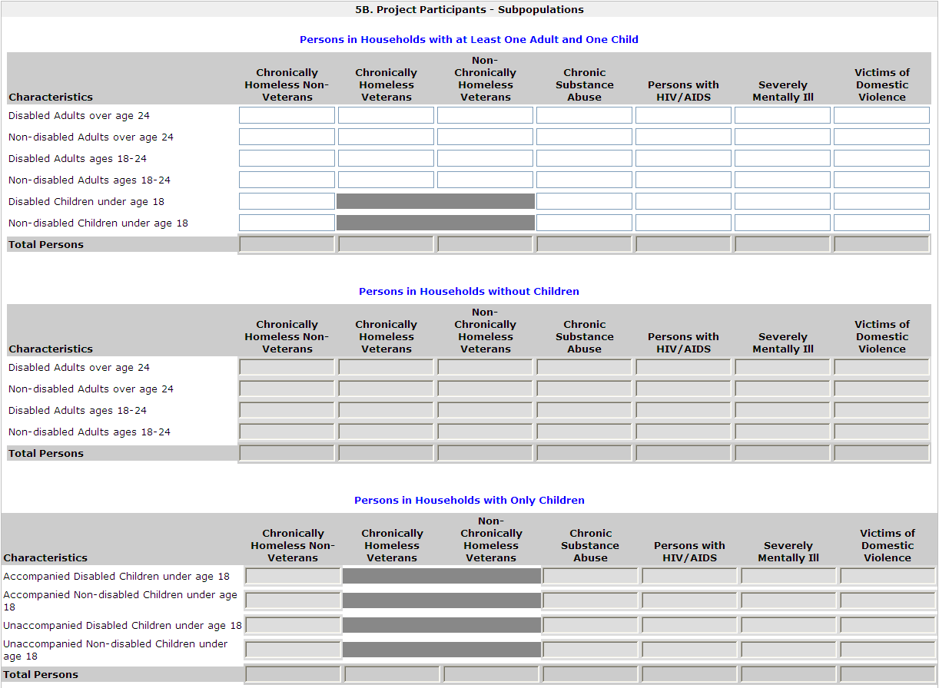
Click Save to automatically calculate totals | Label at bottom

Form: 5C. Outreach
1. Enter the percentage of homeless person(s) who will be served by the proposed project for each of the following locations.
Directly from the street or other locations not meant for human habitation. | mandatory; numeric field; max 3 digits
Directly from emergency shelters | mandatory; numeric field; max 3 digits
Directly from safe havens. | mandatory; numeric field; max 3 digits
From transitional housing and previously resided in a place not meant for human habitation or emergency shelters, or safe havens. | mandatory; numeric field; max 3 digits
Persons at imminent risk of losing their night time residence. | mandatory; numeric field; max 3 digits
Homeless persons as defined under other federal statutes. | mandatory; numeric field; max 3 digits
...

