Instructions
General Purpose Electric Motors (Subtype I) (Manufactured on or after December 19, 2010) | Instructions for CCMS Certification
4.2 |  | Use the "Tab" key and arrows on your keyboard to navigate through the fillable fields in the template. If all required fields have been completed the "Overall Status" indicator on the top left of the form will show "ok." Call 505-412-4120 for additional assistance.

 |  | Step 1 | On the Certification Sheet - Complete all appropriate fields. "Pink" fields indicate required data entry.

 |  | Step 2 | On the Certification Sheet - Insure all required fields are completed via the Status indicator

 | Instructions for CCMS Attachment
 |  | Use your mouse, the "Tab" key and arrows on your keyboard to navigate through the fillable fields in the template. If all fields have been completed correctly the "Overall Status" indicator on the top right corner of the template will show "ok." If this indicator reads "Error," look for incomplete/incorrect field entry explanations by comparing the mirrored cells on the right of your template screen with your report entries. Call 505-412-4120 for additional assistance.

 |  | Step 3 | Enter today's date

 |  | Step 4 | Enter your company name in the cell above "Type name of company in the box above."

 |  | Step 5 | Starting on line No. 1, begin entering applicable data in each field. When you have chosen a field, an instruction box will display. Each template has different product type standards. Although all product template instructions are similar, your product template may display different data entry fields from the examples below. If the status at the end of the line reads "Error," review your data to verify entries. Lines with an "ok" status have been completed correctly.

 |  |  | Enter One Only On Each Row
 |  | Line No. | Motor Horsepower | Standard Kilowatt Equivalent | Number of Poles | Open or Enclosed Motor | Least Efficient Basic Model - (Model Number(s)) | Nominal Full Load Efficiency | * | Status
 |  | 1 | 3 |  | 2 | open | 123ABC | 90 |  | ok
 |  | 2 |  | 5.5 | 4 |  | 345ABC | 90 |  | Error

 |  | Step 6 | Save the template to a local drive for safekeeping. You will upload this template later to DOE via the CCMS application.

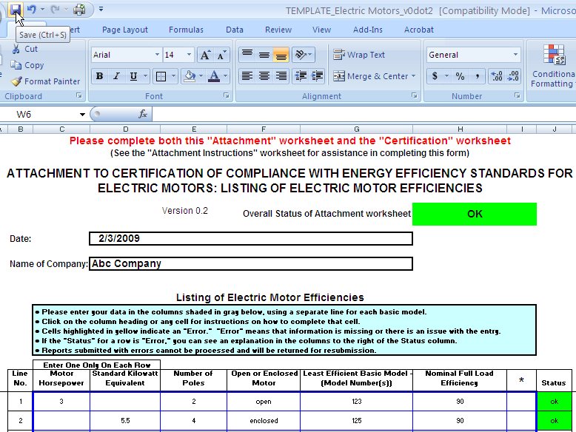

 | Notes:

 | 1) | A horsepower at or above the midpoint between the two consecutive horsepowers shall be rounded up to the higher of the two horsepowers.

 | 2) | A horsepower below the midpoint between the two consecutive horsepowers shall be rounded down to the lower of the two horsepowers.

 | Basic Model means all units of a given type of electric motor (or class thereof) manufactured by a single manufacturer, and which (i) have the same rating, (ii) have electrical design characteristics that are essentially identical, and (iii) do not have any differing physical or functional characteristics that affect energy consumption or efficiency.

 | Rating means one of the combinations of an electric motor’s horsepower (or standard kilowatt equivalent), number of poles, and open or enclosed construction, with respect to which §431.25 of 10 CFR Part 431 prescribes nominal full load efficiency standards.

