Welcome and Thank You Text
Model Instance Name:
SSA Diagnostic Survey
MID: | Existing Measure - Please fill in; New Measure - DOT will fill in
Date: | 2014-02-10
Welcome and Thank You Text

 | Directions:
 | This welcome text is shown at the top of the questionnaire window and the thank you text at the bottom. This is a good place to mention the site/company/agency name so the visitor knows whom they are taking the survey for. Feel free to modify the standard Welcome and Thank you text shown in the boxes below. Please read comments before using any of the text.
 |  | Examples
 |  | Welcome Text Example
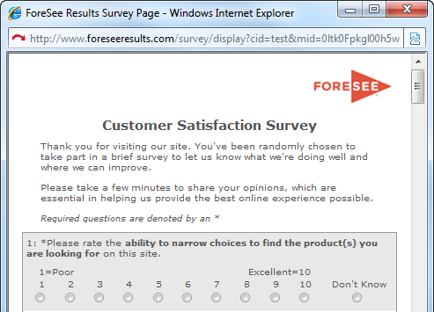

 | Welcome Text

 | Thank you for visiting the Social Security website. You've been randomly chosen to take part in a brief survey to let us know what we're doing well and where we can improve. Please take a few minutes to share your opinions, which are essential in helping SSA provide the best online experience possible.

 |  | Thank You Text Example


 | DEFAULT Thank You Text

 | Thank you for taking our survey - and for helping SSA serve you better. We appreciate your input!

'web site' has been corrected to now read 'website' in the text to the left

 | ALTERNATE WEB Thank You Text

 | Thank you for taking our survey - and for helping us serve you better. Please note you will not receive a response from us based on your survey comments. If you would like us to contact you about your feedback, please visit the Contact Us section of our website.

