Welcome and Thank You Text
Model Instance Name:
CrimeSolutions (OJP Program)
MID: | hV1ZBI5Ywlohh55R0gklIA==
Date: | 2013-01-25
Welcome and Thank You Text

 | Directions:
 | USING ALTERNATE Thank You text version. Welcome text only change is to put name of site in first sentence.
 |  | Examples
 |  | Welcome Text Example
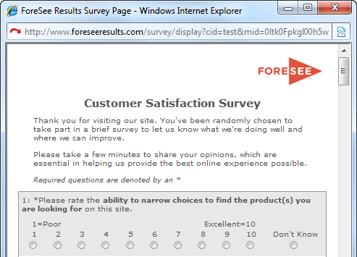

 | Welcome Text

 | Thank you for visiting the CrimeSolutions.gov website. You've been randomly chosen to take part in a brief survey to let us know what we're doing well and where we can improve. Please take a few minutes to share your opinions, which are essential in helping us provide the best online experience possible.

 |  | Thank You Text Example


 | DEFAULT Thank You Text

'web site' has been corrected to now read 'website' in the text to the left

 | ALTERNATE WEB Thank You Text

 | Thank you for taking our survey - and for helping us serve you better. Please note you will not receive a response from us based on your survey comments. If you would like us to contact you about your feedback, please visit the Contact Us section of our website.

