Welcome and Thank You Text
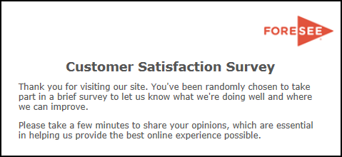

Welcome and Thank You Text

 | Welcome Text | Thank You Text

 | Thank you for visiting [Company/Site/Agency]. You've been randomly chosen to take part in a brief survey to let us know what we're doing well and where we can improve. Please take a few minutes to share your opinions, which are essential in helping us provide the best online experience possible. | Thank you for taking our survey - and for helping us serve you better. We appreciate your input!

 | Welcome Text - Alternate | Thank You Text - Alternate

 | Thank you for visiting [Company/Site/Agency]. You have been randomly selected to take part in this survey that is being conducted by ForeSee on behalf of the [Company/Site/Agency]. Please take a few minutes to give us your feedback. All results are strictly confidential. | Thank you for taking our survey - and for helping us serve you better. Please note you will not receive a response from us based on your survey comments. If you would like us to contact you about your feedback, please visit the Contact Us section of our web site.

