Welcome and Thank You Text
Model Instance Name:
U.S. Embassy Enterprise V2 (English Equiv)
Client Name: International Information Programs
MID: | ZNdswFRUkAMRgRU4AUdN1Q==
Date:
Welcome and Thank You Text

 | Directions:
 | This welcome text is shown at the top of the questionnaire window and the thank you text at the bottom. This is a good place to mention the site/company/agency name so the visitor knows whom they are taking the survey for. Feel free to modify the standard Welcome text shown in the box below.
 |  | Examples
 |  | Welcome Text Example
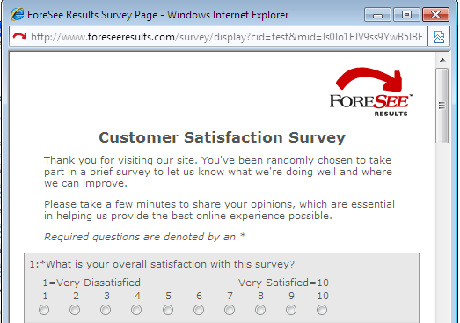

 | Welcome Text

 | Thank you for volunteering to take part in this survey that is being conducted by ForeSee Results on behalf of the U.S. Embassy. Please take a minute or two to give us your opinions. The feedback you provide will help the Embassy enhance its site and serve you better in the future.

 |  | Thank You Text Example


 | Thank You Text

 | Thank you for taking our survey - and for helping us serve you better. Please note you will not receive a response from us based on your survey comments. If you would like us to contact you about your feedback, please visit the Contact Us section of our web site.

