Welcome and Thank You Text
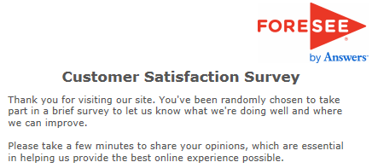
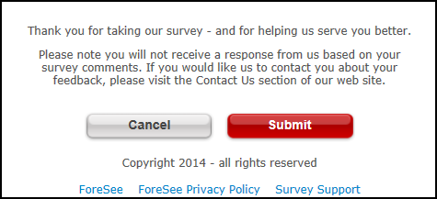
Welcome and Thank You Text

 | Welcome Text | Thank You Text

 | Thank you for visiting TreasuryDirect. You have been randomly selected to take part in this survey that is being conducted by ForeSee Results on behalf of TreasuryDirect. Please take a minute or two to give us your opinions. The feedback you provide will help TreasuryDirect enhance its site and serve you better in the future. <p>All results are strictly confidential.</p> | Thank you for your time in completing this survey. Your input is very valuable and will be taken into consideration.

 | Welcome Text - Alternate | Thank You Text - Alternate

