Welcome and Thank You Text
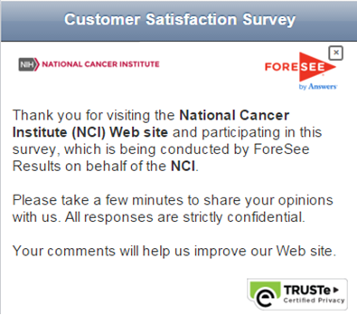
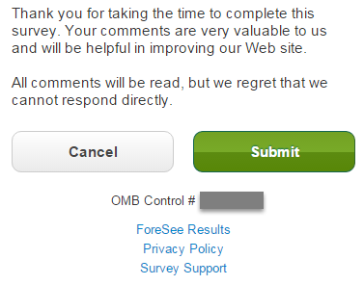
Welcome and Thank You Text

 | Welcome Text | Thank You Text

 | Thank you for visiting the National Cancer Institute (NCI) website and participating in this survey. Please take a few minutes to share your opinions with us. Your response is strictly confidential. Your comments will help us improve our website. Conducted by ForeSee. | Thank you for taking the time to complete this survey. Your comments are very valuable to us. All comments will be read, but we regret that we cannot respond directly.

 | Screenshots for example only - taken from the NCI Desktop Browse measure as displayed on a mobile device using the Chrome emulator.

Model Qsts
Model Name |  | NCI Mobile |  |  |  |  | Red & Strike-Through: Delete
Model ID |  | TBD |  |  | Model matches the Desktop Browse survey |  | Underlined & Italicized: Re-order
Partitioned |  | No |  |  |  |  | Pink: Addition
Date |  | 2015-12-04 |  |  |  |  | Blue: Reword
Standard Web Model - Content Site providing Information
``` | Label | Element Questions |  | Label | Satisfaction Questions |  | Label | Future Behaviors

 |  | Look and Feel (1=Poor, 10=Excellent, Don't Know) |  |  | Satisfaction |  |  | Likelihood to Return (1=Very Unlikely, 10=Very Likely)
1 | Look and Feel - Appeal | Please rate the visual appeal of this site. | 15 | Satisfaction - Overall | What is your overall satisfaction with this site? (1=Very Dissatisfied, 10=Very Satisfied) | 18 | Return | How likely are you to return to cancer.gov in the future?
2 | Look and Feel - Balance | Please rate the balance of graphics and text on this site. | 16 | Satisfaction - Expectations | How well does this site meet your expectations? (1=Falls Short, 10=Exceeds) |  |  | Recommend (1=Very Unlikely, 10=Very Likely)
3 | Look and Feel - Readability | Please rate the readability of the pages on this site. | 17 | Satisfaction - Ideal | How does this site compare to your idea of an ideal website? (1=Not Very Close, 10=Very Close) | 19 | Recommend | How likely are you to recommend the National Cancer Institute's website to someone else?
 |  | Site Performance (1=Poor, 10=Excellent, Don't Know) |  |  |  |  |  | Primary Resource (1=Very Unlikely, 10=Very Likely)
4 | Site Performance - Loading | Please rate how quickly pages load on this site. |  |  |  | 20 | Primary Resource | How likely are you to use cancer.gov as your primary resource for information relating to cancer?
5 | Site Performance - Consistency | Please rate the consistency of speed from page to page on this site.
6 | Site Performance - Completeness | Please rate how completely the page content loads on this site.
 |  | Navigation (1=Poor, 10=Excellent, Don't Know)
7 | Navigation - Organized | Please rate how well this site is organized.
8 | Navigation - Options | Please rate the options available for navigating this site.
Duplication of Desktop Browse Model. Per Jose when working on Browse, OK to use element without 'Sort' aspect, however it disqualifies 2MQ partitioning.
9 | Navigation - Layout | Please rate how well the site layout helps you find what you need.
 |  | Information Browsing (1=Poor, 10=Excellent, Don't Know)
10 | Information Browsing - Narrow | Please rate the ability to narrow choices to find the information you are looking for on this site.
11 | Information Browsing - Features | Please rate how well the features on the site help you find the information you need.
 |  | Site Information (1=Poor, 10=Excellent, Don't Know)
12 | Site Information - Thoroughness | Please rate the thoroughness of information provided on this site.
13 | Site Information - Understandable | Please rate how understandable this site’s information is.
14 | Site Information - Answers | Please rate how well the site’s information provides answers to your questions.

