Welcome and Thank You Text

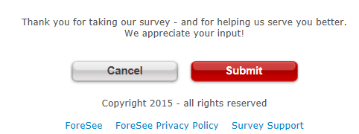
Welcome and Thank You Text

 | Welcome Text | Thank You Text

 | Thank you for visiting www.niddk.nih.gov. You have been randomly selected to take this survey conducted by ForeSee for the National Institute of Diabetes & Digestive & Kidney Diseases (NIDDK). Please take a minute or two to give us your opinions. The feedback you provide will help NIDDK enhance its site and serve you better in the future. All results are strictly confidential. | Your survey has been submitted. Thank you for your input!

 | Welcome Text - Alternate | Thank You Text - Alternate

