Welcome and Thank You Text
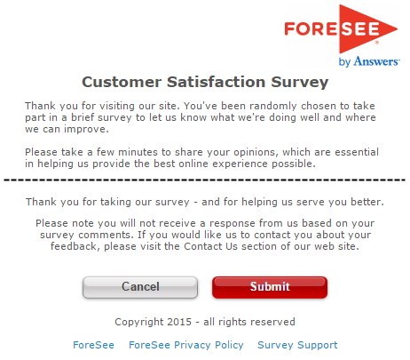
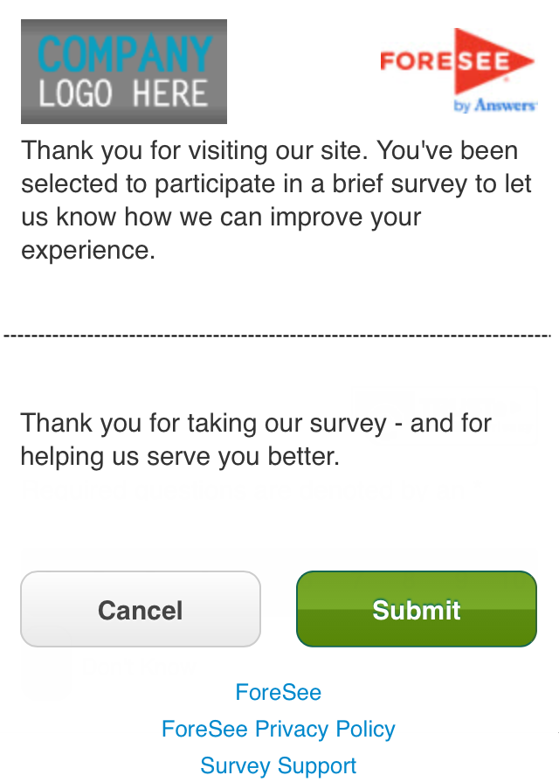
Welcome and Thank You Text

 | Welcome Text | Welcome Text - Mobile

 | Thank you for visiting the Office of Natural Resources Revenue website. You've been randomly chosen to take part in a brief survey to let us know what we're doing well and where we can improve. Please take a few minutes to share your opinions, which are essential in helping us provide the best online experience possible.

 | Thank You Text | Thank You Text - Mobile

 | Thank you for taking our survey - and for helping us serve you better. Please note you will not receive a response from us based on your survey comments. If you would like us to contact you about your feedback, please visit the Contact Us section of our website.

 | Example Desktop | Example Mobile

