Welcome and Thank You Text

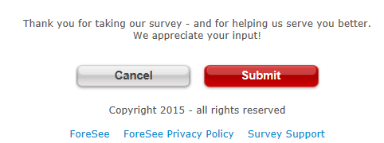
Welcome and Thank You Text

 | Welcome Text | Thank You Text

 | Please take a few minutes to share your opinions, which are essential in helping us provide the best email experience possible. | Thank you for taking our survey - and for helping us serve you better. We appreciate your input!

