Welcome and Thank You Text

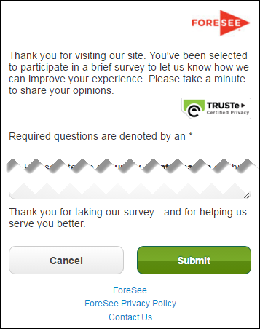
Welcome and Thank You Text

 | Welcome Text | Welcome Text - Tablet/Phone

 | Thank you for visiting this site. You've been randomly chosen to take part in a brief survey to let us know what we're doing well and where we can improve. Please take a few minutes to share your opinions, which are essential in helping us provide the best online experience possible.

 | Thank You Text | Thank You Text - Tablet/Phone

 | Thank you for taking our survey - and for helping us serve you better. We appreciate your input!

 | Example Desktop | Example Mobile

