How to read this file
Survey Invitation
This is the standard survey invitation. Default text is included. If you would like to modify this text please check with your analyst/client manager.

Welcome and Thank You Text
The text you see here will appear at the top and bottom of your survey. Default text is included and you may modify this text as needed.

Model Questions
As discussed during the kick-off call, the model questions are part of the ForeSee methodology. For consistency within the model, these questions are standardized and have been tested and validated. Standardization of model questions allows benchmarking across companies/industries, and these questions are used in calculating scores and impacts.
Focus on the future behaviors; I’ve started with some that I believe are a good fit but we can certainly make adjustments. These are desired customer outcomes that are impacted by customer satisfaction.


Custom Questions
When reviewing the custom questions tab, keep in mind these questions are used for segmentation analysis of the model data. It is suggested that you add, delete or change custom questions over time, as your needs or business objectives change.
Focus Area #1: Achieving Actionable Data - Know what changes are being made based on the intelligence - Change Custom Questions so that stakeholders see a clear “must do”
Focus Area #2: Aligning Data to Business Strategies - Update your Custom Questions as business cycles change - Integrate Executive Level questions to evaluate initiatives
Focus Area #3: Strategic and Tactical Value - Influence Board Room Decisions - Change Operational Approaches - Mature Your Research

Making Changes
Simply make the change that you desire and highlight that change with a different color text. Red works well because it stands out. If the change is "complicated" a brief explanation about what you would like to accomplish will help us understand your request and figure out the best way to implement. -Or- Just give us a call; talking through changes over the phone makes it quick and easy.

Survey Invitation
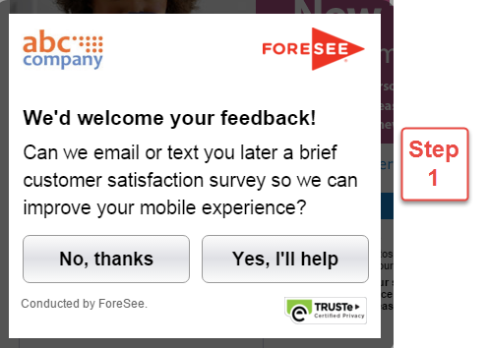
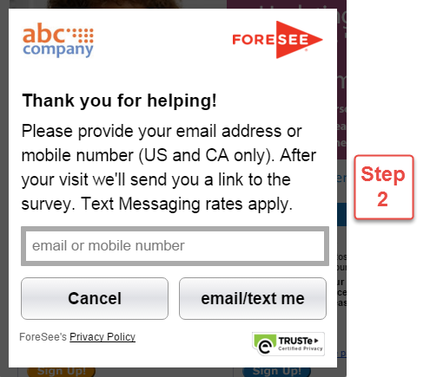
This is the standard survey invitation.
Default text is included. If you would like to modify this text please check with your analyst/client manager.

Survey Invitation Text |  | Survey Invitation Text (STEP 1)
Desktop |  | Tablet / Phone

 | We'd welcome your feedback! |  | We'd welcome your feedback!

 | Thank you for visiting our website. You have been selected to participate in a brief customer satisfaction survey to let us know how we can improve your experience. |  | Can we email or text you later a brief customer satisfaction survey so we can improve your mobile experience?

 | The survey is designed to measure your entire experience, please look for it at the conclusion of your visit. |  | (Button text) No, thanks Yes, I'll help

 | This survey is conducted by an independent company ForeSee, on behalf of the site you are visiting. | Survey Invitation Text (STEP 2)
 |  | Tablet / Phone
 | (Button text) No, thanks Yes, I'll give feedback
 |  |  | Thank you for helping!
Example Desktop
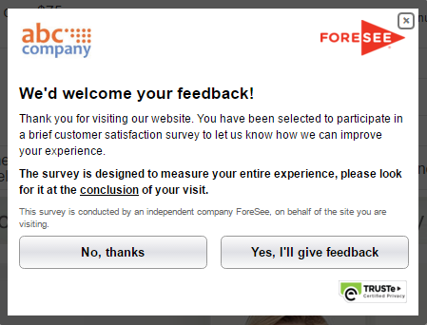
 |  |  | Please provide your email address or mobile number (US and CA only). After your visit we’ll send you a link to the survey. Text Messaging rates apply.

 |  |  | (Button text) Cancel email/text me

 |  | Examples Tablet / Phone

Welcome and Thank You Text
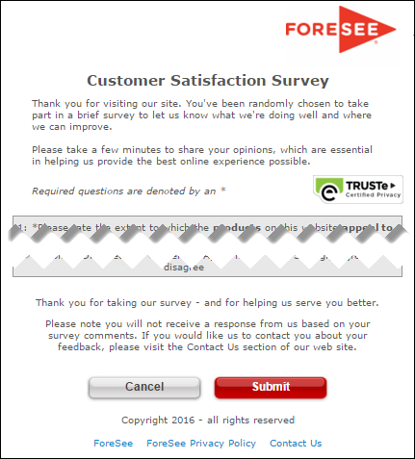
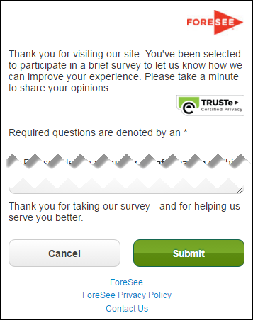
The text you see here will appear at the top and bottom of your survey, examples below.
Our proposed mobile text is in the right cells and you may modify this text as needed. IDEALLY MOBILE TEXT SHOULD BE AS CONCISE AS POSSIBLE

Welcome and Thank You Text

 | Welcome Text -current browse survey | Welcome Text - Phone

 | Thank you for visiting our site. You have been randomly selected to take part in this survey to let us know what we are doing well and where we need to do better. Please take a minute or two to give us your opinions. The feedback you provide will help us enhance our site and serve you better in the future. Your responses are anonymous. | Thank you for visiting USAJOBS. You've been randomly selected to participate in a brief survey which helps us to improve the site. Your responses are anonymous, and the survey should take just a couple minutes.

 | Thank You Text - current browse survey | Thank You Text - Phone

 | Thank you for your time in completing this survey. Your input is very valuable and we will use it to improve our site. | Thank you for taking our survey - and for helping us serve you better.

 | Example Desktop | Example Mobile

