How to read this file
Survey Invitation
This is the standard survey invitation. Default text is included. If you would like to modify this text please check with your analyst/client manager.

Welcome and Thank You Text
The text you see here will appear at the top and bottom of your survey. Default text is included and you may modify this text as needed.

Model Questions
As discussed during the kick-off call, the model questions are part of the ForeSee methodology. For consistency within the model, these questions are standardized and have been tested and validated. Standardization of model questions allows benchmarking across companies/industries, and these questions are used in calculating scores and impacts.
Focus on the future behaviors; I’ve started with some that I believe are a good fit but we can certainly make adjustments. These are desired customer outcomes that are impacted by customer satisfaction.


Custom Questions
When reviewing the custom questions tab, keep in mind these questions are used for segmentation analysis of the model data. It is suggested that you add, delete or change custom questions over time, as your needs or business objectives change.
Focus Area #1: Achieving Actionable Data - Know what changes are being made based on the intelligence - Change Custom Questions so that stakeholders see a clear “must do”
Focus Area #2: Aligning Data to Business Strategies - Update your Custom Questions as business cycles change - Integrate Executive Level questions to evaluate initiatives
Focus Area #3: Strategic and Tactical Value - Influence Board Room Decisions - Change Operational Approaches - Mature Your Research

Making Changes
Simply make the change that you desire and highlight that change with a different color text. Red works well because it stands out. If the change is "complicated" a brief explanation about what you would like to accomplish will help us understand your request and figure out the best way to implement. -Or- Just give us a call; talking through changes over the phone makes it quick and easy.

Welcome and Thank You Text
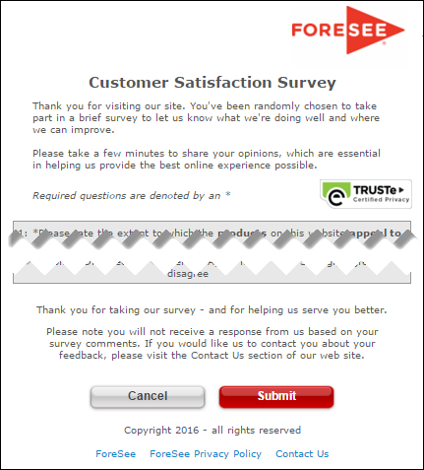
The text you see here will appear at the top and bottom of your survey, examples below.
Default text is included and you may modify this text as needed.

Welcome and Thank You Text

 | Welcome Text

 | Thank you for choosing the USPTO Automated Interview Request (AIR) form for your scheduling needs. We hope your experience was positive. At this time, we would like to hear any feedback you may have regarding the interview scheduled through the USPTO AIR form. Your responses will help us improve both Applicant's and Examiner's interview experiences. Your response to this survey is anonymous and results will be viewed and reported in aggregate format only.

 | Thank You Text

 | Thank you for taking our survey - and for helping us serve you better.

 | Example Desktop

