How to read this file
Survey Invitation
This is the standard survey invitation. Default text is included. If you would like to modify this text please check with your analyst/client manager.

Welcome and Thank You Text
The text you see here will appear at the top and bottom of your survey. Default text is included and you may modify this text as needed.

Model Questions
As discussed during the kick-off call, the model questions are part of the ForeSee methodology. For consistency within the model, these questions are standardized and have been tested and validated. Standardization of model questions allows benchmarking across companies/industries, and these questions are used in calculating scores and impacts.
Focus on the future behaviors; I’ve started with some that I believe are a good fit but we can certainly make adjustments. These are desired customer outcomes that are impacted by customer satisfaction.


Custom Questions
When reviewing the custom questions tab, keep in mind these questions are used for segmentation analysis of the model data. It is suggested that you add, delete or change custom questions over time, as your needs or business objectives change.
Focus Area #1: Achieving Actionable Data - Know what changes are being made based on the intelligence - Change Custom Questions so that stakeholders see a clear “must do”
Focus Area #2: Aligning Data to Business Strategies - Update your Custom Questions as business cycles change - Integrate Executive Level questions to evaluate initiatives
Focus Area #3: Strategic and Tactical Value - Influence Board Room Decisions - Change Operational Approaches - Mature Your Research

Making Changes
Simply make the change that you desire and highlight that change with a different color text. Red works well because it stands out. If the change is "complicated" a brief explanation about what you would like to accomplish will help us understand your request and figure out the best way to implement. -Or- Just give us a call; talking through changes over the phone makes it quick and easy.

Survey Invitation
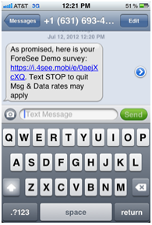
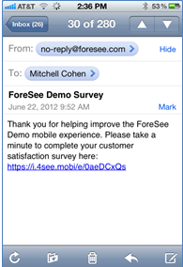
This is the standard survey invitation.
Default text shown. If you would like to modify this text please check with your launch partner/analyst/client manager.

Survey Invitation Text |  | Email Message
Mobile |  | Mobile

 | Your ideas make us better! |  | Thank you for helping improve the myRA.gov mobile experience.
 | Let us know how to improve our site so we can better serve you.
 | (Button text) Text Me Email Me |  | Please take a minute to complete your customer satisfaction survey here: <a href="$surveyLink">$surveyLink</a>

 |  | Text Message - Mobile (U.S. & CA only) NOTE: *Mobile carriers require that a text does not exceed 160 characters, The survey link requires 32 characters, leaving 128 custom characters (Including spaces) for the message.

Example Mobile
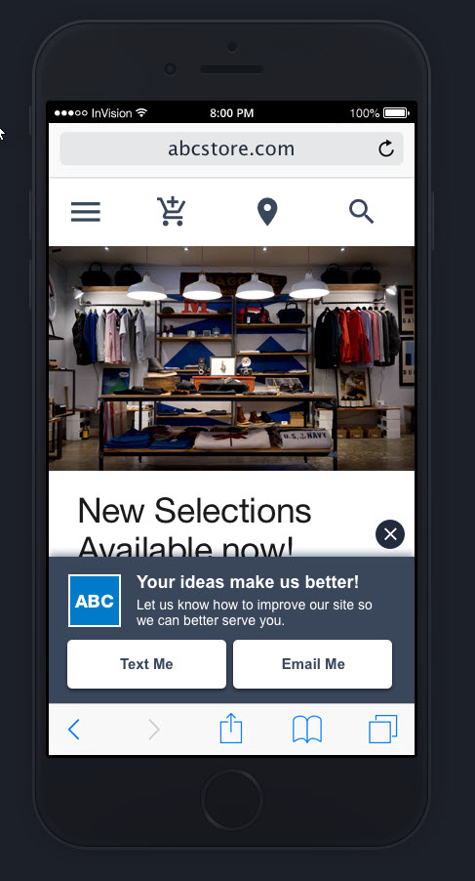

 |  |  | As promised, here is your myRA.gov survey: $surveyLink. Text STOP to quit. Msg & Data rates may apply.

 |  | Examples Mobile

Welcome and Thank You Text
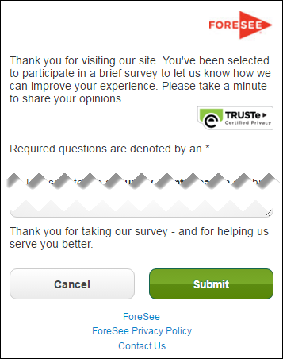
The text you see here will appear at the top and bottom of your survey, examples below.
Default text is included and you may modify this text as needed.

Welcome and Thank You Text

 | Welcome Text - Tablet / Phone

 | Thank you for visiting myRA.gov. You've been selected to participate in a brief survey to let us know how we can improve your experience. Please take a minute to share your opinions.

 | Thank You Text - Tablet / Phone

 | Thank you for taking our survey - and for helping us serve you better. We appreciate your input!

 | Example Mobile

Custom Questions
Model Name | myRA Mobile Browse |  |  |  | Red & Strike-Through: Delete
Model ID | 0 |  |  |  | Underlined & Italicized: Re-order
Partitioned | Yes - 2MQ |  |  |  | Pink: Addition
Date | 2017-02-01 |  |  |  | Blue: Reword

Moved this question up and revised first answer option per your request.
(mobile survey does not have open end followup for this question)
QID | Skip From | Question Text | Answer Choices | Skip To | Required Y/N | Type | Special Instructions | CQ Label
 |  | What is your primary reason for visiting the site today? | Learn about myRA |  | Y | Radio button, one-up vertical | Randomize | Primary Reason
 |  |  | Enroll with myRA
 |  |  | Log in to my account to check status
 |  |  | Contribute funds to a myRA account
 |  |  | Manage my personal profile
 |  |  | Get answers from the FAQ section
 |  |  | Download forms
 |  |  | Download presentations, flyers or other resource materials
 |  |  | Download toolkits
 |  |  | Watch informative videos
 |  |  | Use myRA savings calculators
 |  |  | Find contact information
 |  |  | Other |  |  |  | Anchor Answer Choice
 |  | Did you accomplish what you wanted to do today on this site? | Yes |  | Y | Radio button, one-up vertical | Skip Logic Group* | Accomplish
 |  |  | No | A
 | A | Please tell us why you were unable to accomplish your task today. |  |  | N | Text area, no char limit | Skip Logic Group* | Why Not Accomplish
Moved first question to here and reworded.
Also added "Tax Preparation Software" answer option
no open end followup on Mobile surveyg.
 |  | What source brought you to the site today? | Recommendation from someone I know |  | Y | Radio button, one-up vertical |  | Acquisition Source
 |  |  | Search engine
 |  |  | I have been to this site before
 |  |  | Tax preparation software
 |  |  | A news article or press release |  |  |  | Randomize
 |  |  | Another government agency
 |  |  | Internet blogs or discussion forums
 |  |  | Information on social networks (Facebook, Twitter)
 |  |  | Other |  |  |  | Anchor Answer Choice
 |  | How did you look for information or navigate the site today? (Please select all that apply.) | Navigation menu |  | Y | Checkbox, one-up vertical | Skip Logic Group* | Navigation Method
 |  |  | Search feature | A
 |  |  | Clicked on links on the page
 |  |  | Page bookmark or favorite link
 |  |  | Google or other search engine
 |  |  | Other
 | A | Please tell us about your experience with the site's search feature today. (Select all that apply.) | Results were not relevant/not what I wanted |  | Y | Checkbox, one-up vertical | Randomize | Search Experience
 |  |  | Too many results/I needed to refine my search
 |  |  | Not enough results |  |  |  | Skip Logic Group*
 |  |  | Returned NO results
 |  |  | Received error message(s)
 |  |  | Search speed was too slow
 |  |  | I experienced a different search issue |  |  |  | Anchor Answer Choice
 |  |  | I had no difficulty with search / results were helpful |  |  |  | Mutually Exclusive
 |  | How would you describe your browsing experience on the site today? (Please select all that apply.) | Links often did not take me where I expected |  | Y | Checkbox, one-up vertical |  | Navigation Experience
 |  |  | I had difficulty finding relevant information
 |  |  | Links and labels were difficult to understand
 |  |  | There were too many links or navigation options to choose from |  |  |  | Randomize
 |  |  | I had technical difficulties (error messages, broken links, etc.)
 |  |  | I could not navigate back to previous information
 |  |  | I had a different navigation difficulty |  |  |  | Anchor Answer Choice
 |  |  | I had no difficulty navigating the site |  |  |  | Mutually Exclusive
ADDED NEW QUESTION HERE PER REQUEST
 |  | Did using myRA.gov save you from having to call us or e-mail us? | Yes | A | Y | Radio button, one-up vertical |  | Saved Further Contact
 |  |  | No, I had to call or email after using the site
 |  | Which of the following issues, if any, did you experience while reviewing information? (Please select all that apply.) | Information was not up to date |  | Y | Checkbox, one-up vertical |  | Information Issues
 |  |  | Information did not answer my questions
 |  |  | Information was not presented in a concise format
 |  |  | Wording was not clear
 |  |  | Text was difficult to read
 |  |  | Other
 |  |  | No issues reviewing information occurred |  |  |  | Mutually Exclusive
 |  | Which of these best describes you? | Individual |  | Y | Drop down, select one |  | Role
updated citizen to Individual (first answer)
 |  |  | Employer
 |  |  | Tax Professional
 |  |  | Community Partner
 |  |  | Consumer Organization
 |  |  | Business Association
 |  |  | Media
 |  |  | Other
 |  | How often do you visit this site? | This is my first visit |  | Y | Drop down, select one |  | Visit Frequency
 |  |  | Once every 6 months or less often
 |  |  | Once every few months
 |  |  | Monthly
 |  |  | Weekly
 |  |  | Daily or more often
Removed Log in question
 |  | Do you have an existing myRA account? | Yes |  | Y | Radio button, one-up vertical |  | Existing account
 |  |  | No
Added mobile enrollment Q
 |  | Did you attempt to enroll in myRA using a mobile device? | Yes | A | Y | Radio button, one-up vertical | Skip Logic Group* | Enroll
 |  |  | No
 | A | Please rate how easy or difficult it was to enroll in myRA using a mobile device. | 1 = Very Difficult |  | Y | Radio button, scale, no don't know | Skip Logic Group* | Enroll_Ease Rating
 |  |  | 2
Added mobile enrollment rating
 |  |  | 3
 |  |  | 4
 |  |  | 5
 |  |  | 6
 |  |  | 7
 |  |  | 8
 |  |  | 9
 |  |  | 10 = Very Easy
 |  | What else would you like to share with us to help improve your online experience with myRA.gov? |  |  | N | Text area, no char limit |  | Improve
 |  | What is your gender? | Male |  | N | Radio button, one-up vertical |  | Demos: Gender Fed Govt
 |  |  | Female
 |  |  | Prefer not to respond
 |  | Which category includes your household income? | Under $25,000 |  | N | Drop down, select one |  | Demos: Income
 |  |  | $25,000 - $49,999
 |  |  | $50,000 - $74,999
 |  |  | $75,000 - $99,999
 |  |  | $100,000 or more
 |  |  | Prefer not to respond
 |  | Which category includes your age? | Under 18 |  | N | Drop down, select one |  | Demos: Age
 |  |  | 18 - 24
 |  |  | 25 - 34
 |  |  | 35 - 44
 |  |  | 45 - 54
 |  |  | 55 - 64
 |  |  | 65 or older
 |  |  | Prefer not to respond
 |  | What is your highest level of education completed? | Some high school or less |  | N | Drop down, select one |  | Demos: Education
 |  |  | High school graduate or GED
 |  |  | Some college credit, no degree
 |  |  | Associate degree (e.g., AA, AS)
 |  |  | Bachelor's degree (e.g., BA, AB, BS)
 |  |  | Master's degree (e.g., MA, MS, MEng, MEd, MSW, MBA)
 |  |  | Professional degree (e.g., MD, DDS, DVM, LLB, JD)
 |  |  | Doctorate degree (e.g., PhD, EdD)
 |  |  | Prefer not to respond
 |  | What is your ethnicity? | Hispanic or Latino |  | N | Radio button, one-up vertical |  | Demos: Ethnicity Fed Govt
 |  |  | Not Hispanic or Latino
 |  |  | Prefer not to answer
 |  | What is your race? (Please select all that apply.) | American Indian or Alaska Native |  | N | Checkbox, one-up vertical |  | Demos: Race Fed Govt
 |  |  | Asian
 |  |  | Black or African American
 |  |  | Native Hawaiian or Other Pacific Islander
 |  |  | White
 |  |  | Prefer not to respond |  |  |  | Mutually Exclusive

