Foreign Language Translation
Measure Name | CDSE.EDU Informal Training Resource User Experience Feedback |  | (Remove this tab for non-international surveys)
Custom Qualifier Page | Yes
Custom Invitation Text
Custom Tracker Text

MID | Language | Target Country | Target Audience | Website URL | Notes

CQ/MQ changes:
- Provide all fields
Dataloads:
- All fields except MID
Target Audience:
Providing information on the typical demographic or customer that will take the survey helps our vendors better word and phrase translations.

Welcome and Thank You Text

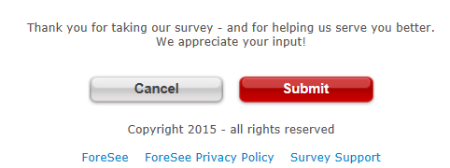
Welcome and Thank You Text

 | Welcome Text | Thank You Text

 | Please provide feedback on the questions in this survey concerning results of the recent Federal Employee Viewpoint Survey. Your input will assist in our efforts to improve the your work environment. | Thank you for your feedback - and for helping us serve you better. We appreciate your input!" Unfortunately, we are not able to respond to requests for assistance included in survey comments. If you have questions for which you need a personal response, including STEPP or SPēD questions, please access the "Find Contacts" link on the CDSE homepage at http://www.cdse.edu/contact.html.

 | Welcome Text - Alternate | Thank You Text - Alternate

Model Qsts
Model Name |  | CDSE.EDU Informal Training Resource User Experience Feedback |  |  | Red & Strike-Through: Delete
Model ID |  |  |  |  | Underlined & Italicized: Re-order
Partitioned |  | No |  |  | Pink: Addition
Date |  | 2017-08-25 |  |  | Blue: Reword

 | Label | Element Questions | Label | Satisfaction Questions | Label | Future Behaviors

No Model, functional survey

