Quality Assurance
NHTSA Systems Developer Quality Assurance (QA) Test Script
Date Executed: |  |  | Test Script: | NHTSA HSP Evidence-Based Traffic Safety Enforcement Program (TSEP) |  | Tester(s):
Test Script ID: | GMSS-APP-402-00006 |  | Test Script Description: | Verify the appropriate details and functionality of the Evidence-Based Traffic Safety Enforcement Program (TSEP) section on the NHTSA Highway Safety Plan |  | Environment:
Requirements: | All requirements under GMSS-HSP-016 |  |  |  |  | Browser:
 |  |  |  |  |  | Pass/Fail: | Pass
Testing enviroment: https://nhtsagmsspreprod.crm9.dynamics.com
Preconditions: |  |  |  | Post Conditions:
User is logged on to GMSS. User has started a new Highway Safety Plan. (See GMSS-APP-402-0001 NHTSA Grant Application - Summary Information script for more details on logging in and starting a new HSP.) |  |  |  | State users are able to complete the TSEP section appropriately.
Step # | Role(s) | Step Description | Visual | Expected Result | Actual Result (Enter a description only if the result is different from Expected or if the step fails.) | Status
High Visibility Enforcement
1 | All State Users | Scroll toward the middle of the HSP page and click on Evidence-based Traffic Safety Enforcement Program to expand the section. | 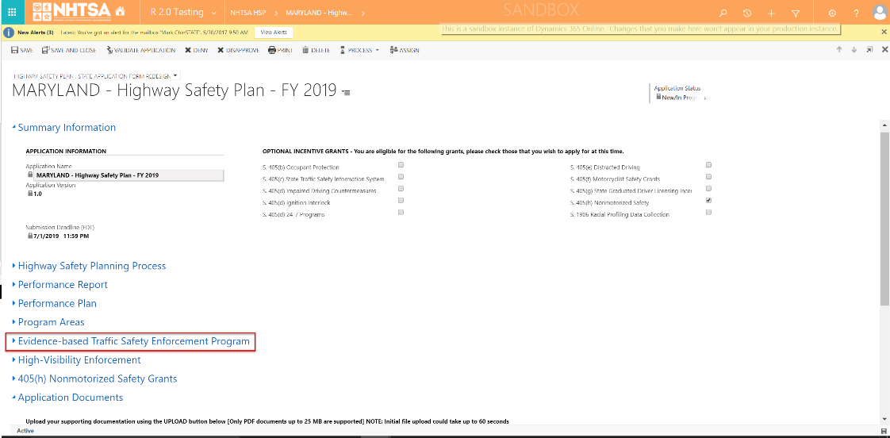 | A link to the State's TSEP is displayed.
2 | All State Users | Click on the TSEP link. | 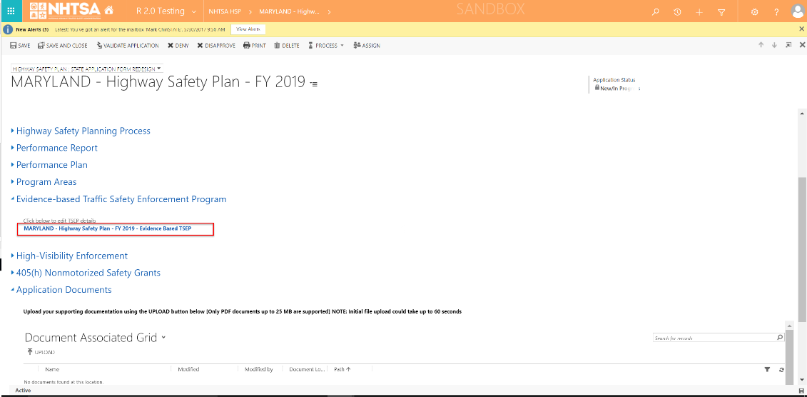 | The Evidence-based Traffic Safety Enforcement Program (TSEP) Information page is displayed.
3 | All State Users | Below the Evidence-based Traffic Safety Enforcement Program TSEP Information section, verify that the projects added in the HSP are listed in the grid. (Note: For the projects to be listed in the grid, it needs to be added in the HSP -> Program Areas -> Countermeasure Strategies -> Projects -> Add New - Yes on Identify if project will be used to satisfy TSEP.) |  | The projects are listed in the grid.
Analysis
4 | All State Users | Enter text in the text box below Provide an analysis of crashes, crash fatalities, and injuries in areas of highest risk. | 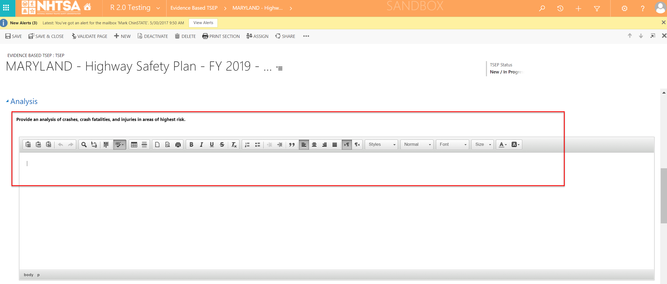 | The User is able to manually enter text in the textbox or copy/paste.
5 | All State Users | Enter text in the text box below Provide an explanation of the deployment of resources based on the analysis performed. | 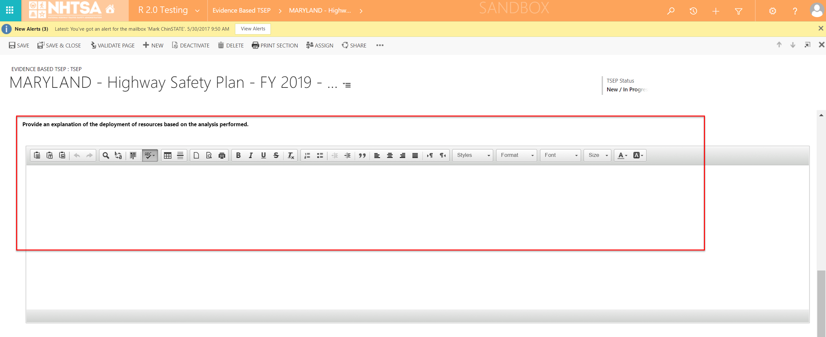 | The User is able to manually enter text in the textbox or copy/paste.
6 |  | Enter text in the box below Describe how the State plans to monitor the effectiveness of enforcement activities, make ongoing adjustments as warranted by data, and update the countermeasure strategies and projects in the HSP. | 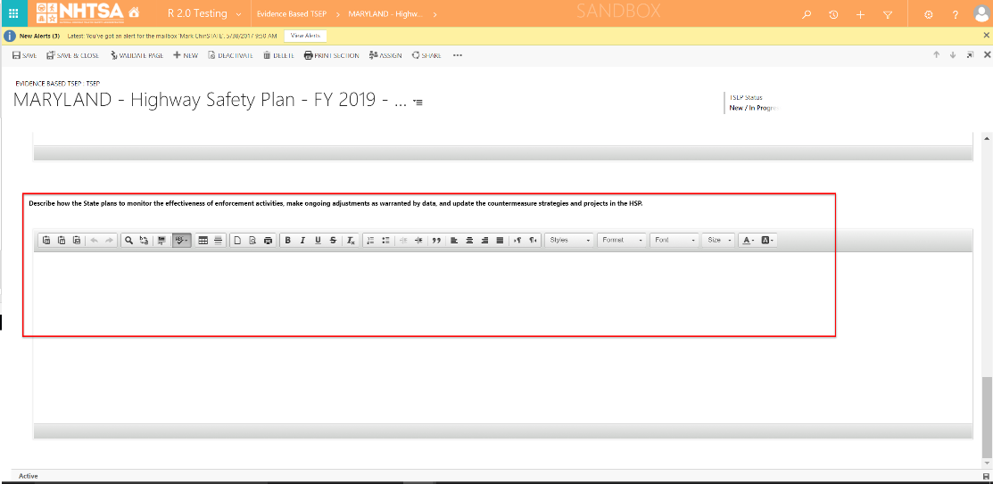 | The User is able to manually enter text in the textbox or copy/paste.
7 | All State Users | Click the Save & Close button on the top header. | 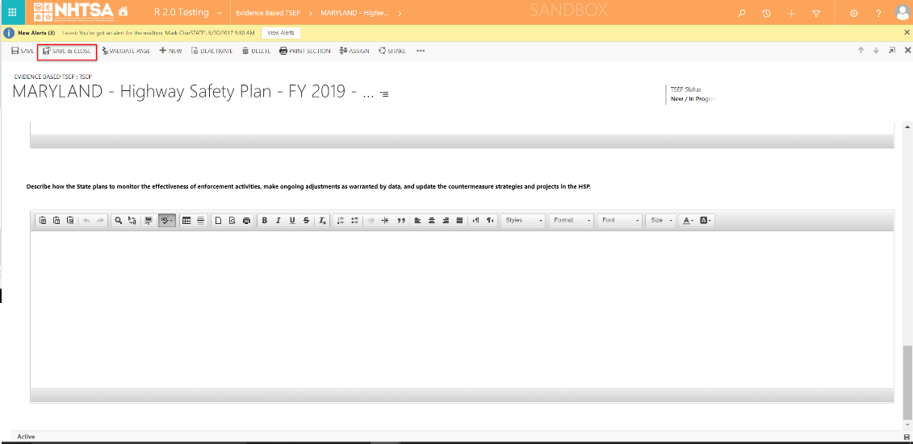 | The information entered by the user is saved. The user is taken back to the HSP page.
END OF SCRIPT - Continue to GMSS-APP-402-0007 NHTSA Grant Application - High Visibility Enforcement
Alternate Flow(s)
Negative Flow(s): None identified

