Quality Assurance
NHTSA Systems Developer Quality Assurance (QA) Test Script
Date Executed: |  |  | Test Script: | NHTSA HSP High Visibility Enforcement (HVE) |  | Tester(s):
Test Script ID: | GMSS-APP-402-00007 |  | Test Script Description: | Verify the appropriate details and functionality of the High Visibility Enforcement Program (HVE) section on the NHTSA Highway Safety Plan |  | Environment:
Requirements: | All requirements under GMSS-HSP-016 |  |  |  |  | Browser:
 |  |  |  |  |  | Pass/Fail: | Pass
Testing enviroment: https://nhtsagmsspreprod.crm9.dynamics.com
Preconditions: |  |  |  | Post Conditions:
User is logged on to GMSS. User has started a new Highway Safety Plan. (See GMSS-APP-402-0001 NHTSA Grant Application - Summary Information script for more details on logging in and starting a new HSP.) |  |  |  | State users are able to complete the High Visibility Enforcement section appropriately.
Step # | Role(s) | Step Description | Visual | Expected Result | Actual Result (Enter a description only if the result is different from Expected or if the step fails.) | Status
High Visibility Enforcement
1 | All State Users | Scroll toward the middle of the HSP page and click on High-Visibility Enforcement to expand the section. | 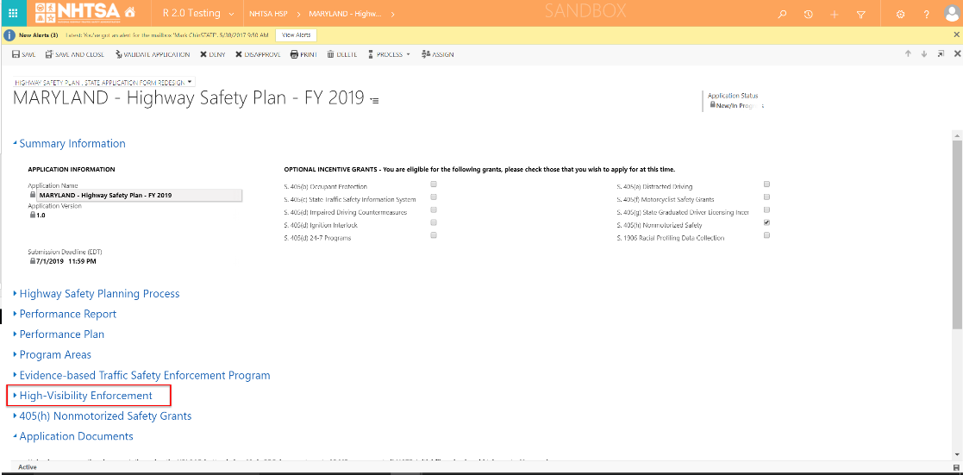 | A link to the State's HVE is displayed.
2 | All State Users | Click on the HVE link. | 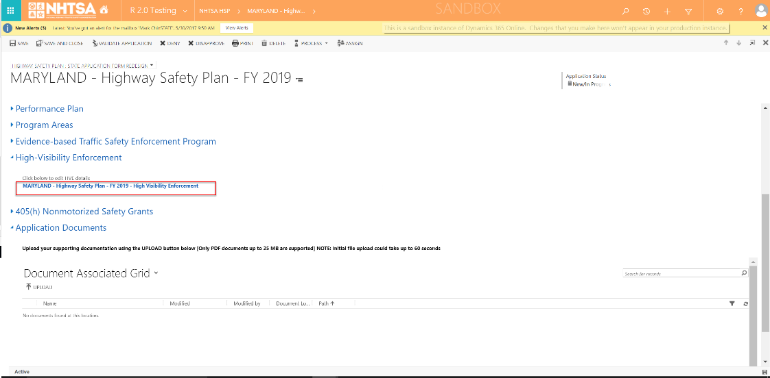 | The High-Visibility Enforcement (HVE) Strategies page is displayed.
3 | All State Users | Verify that the Countermeasure Strategies for HVE added in the HSP are listed in the grid. (Note: For the countermeasure strategies to be listed in the grid, it needs to be added in the HSP -> Program Areas -> Countermeasure Strategies -> Yes on the Is this countermeasure strategy part of the planned high visibility enforcement strategies that support national mobilizations? question.) |  | The countermeasure strategies are listed in the grid.
4 | All State Users | Scroll to the HVE Activities section. Below the All TSEP Projects grid, check a project and click the Add button. (Add additional projects by repeating this step.) | 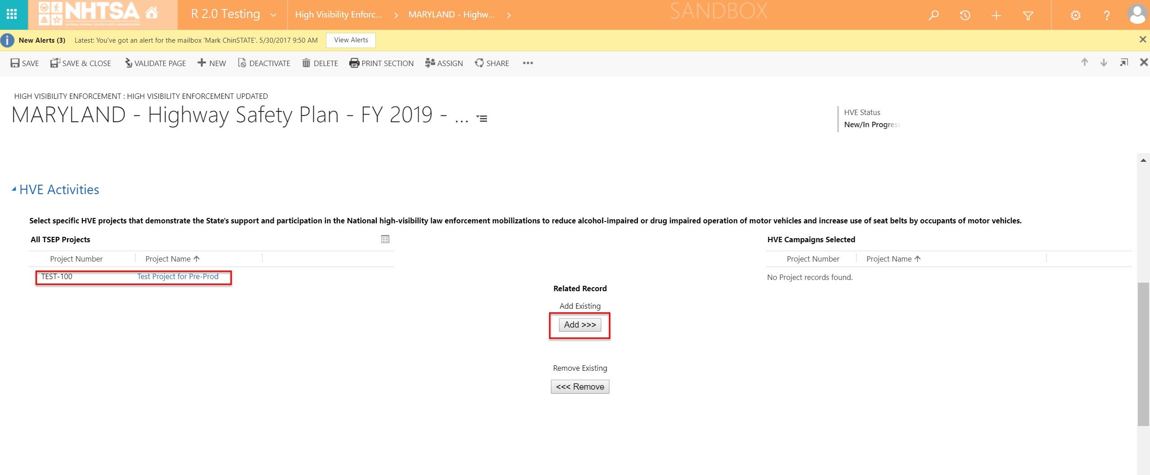 | The User is able to add projects in the HVE Campaigns Selected grid.
5 | All State Users | Enter text in the text box below the Submit information regarding mobilization participation. | 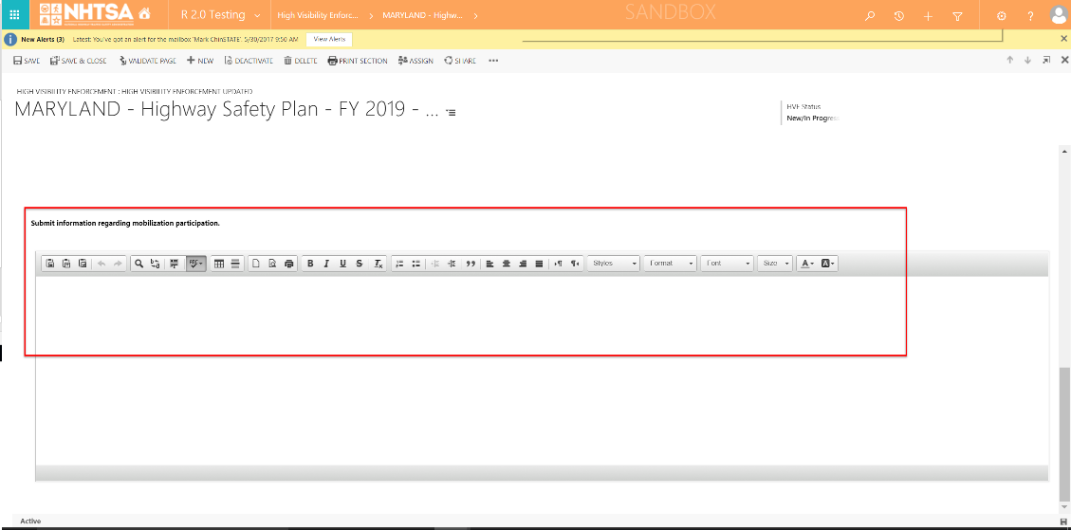 | The User is able to manually add or copy/paste text in the textbox.
6 | All State Users | Click the Save & Close button on the top header. | 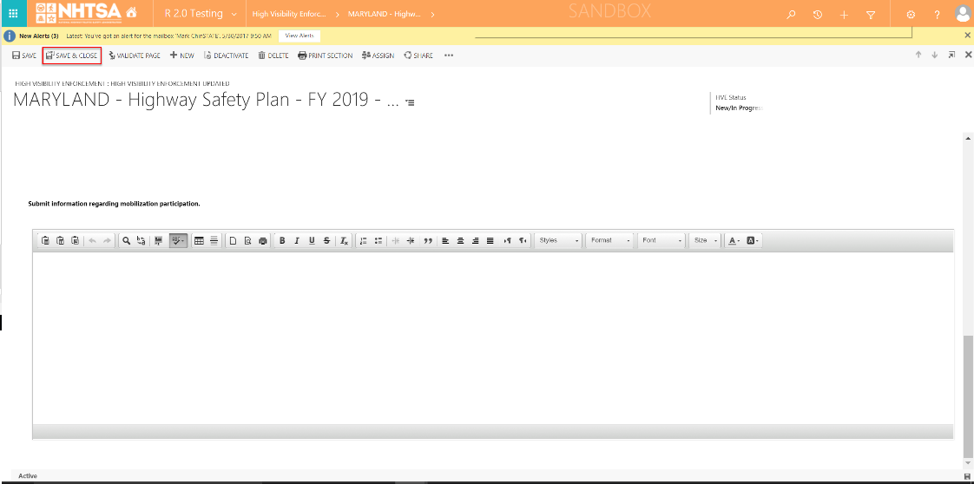 | The information entered by the user is saved. The user is taken back to the HSP page.
END OF SCRIPT - Continue to a 405b grant application test script
Alternate Flow(s)
Negative Flow(s): None identified

