Quality Assurance
NHTSA Systems Developer Quality Assurance (QA) Test Script
Date Executed: |  |  | Test Script: | NHTSA 405 Grant Application - 405d Ignition Interlock |  | Tester(s)
Test Script ID: | GMSS-APP-405-0008 |  | Test Script Description: | Verify the appropriate details and functionality of the 405(d) section on the NHTSA HSP for Ignition Interlock |  | Environment:
Requirements: |  |  |  |  |  | Browser:
 |  |  |  |  |  | Pass/Fail: | Pass
Testing enviroment: https://nhtsagmsspreprod.crm9.dynamics.com
Preconditions |  |  |  | Post Conditions
User is logged on to GMSS. User has started a new Highway Safety Plan. (See GMSS-APP-402-0001 NHTSA Grant Application - Summary Information script for more details on logging in and starting a new HSP.) The GTL has indicated that the State is eligible to apply for the 405(d)-Ignition Interlock grant while completing their administration steps in GMSS-APP-NHTSA-HQ. |  |  |  | State users are able to complete the 405(d)-Ignition Interlock section appropriately.
Step # | Role | Step Description | Visual | Expected Result | Actual Result (Enter a description only if the result is different from Expected or if the step fails.) | Status
405(d) Ignition Interlock
1 | All State users | Scroll toward the middle of the HSP page and click on 405(d) Ignition Interlock to expand the section. | 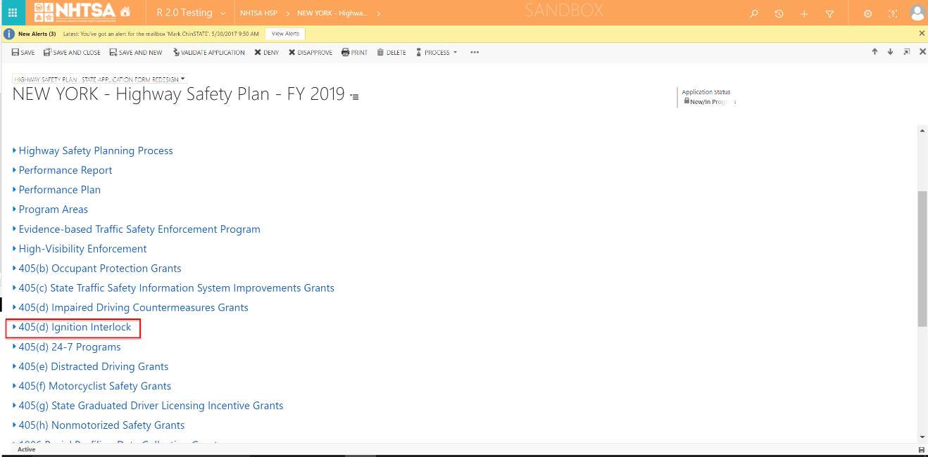 | A link to the State's 405(d) application is displayed. The 405(d) Validation Status should be Not Validated.
2 | All State users | Click on the State's 405(d) application link. | 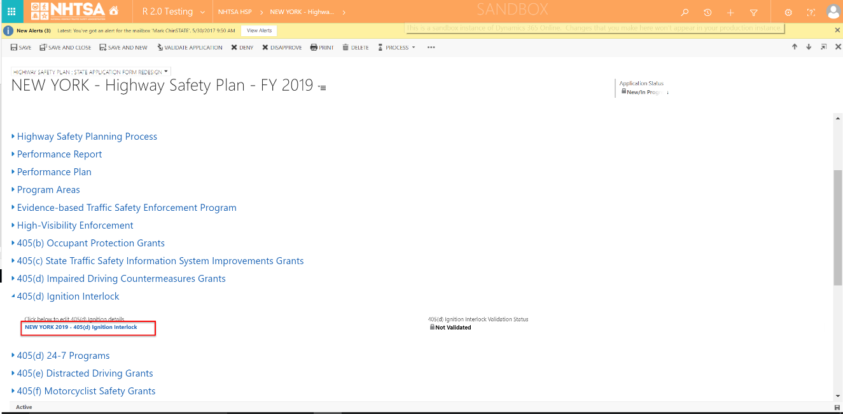 | The 405(d) application is displayed.
3 | All State users | Double-click on a requirement description. |  | The Citation Requirement Information page is displayed.
4 | All State users | Click the Add New button. | 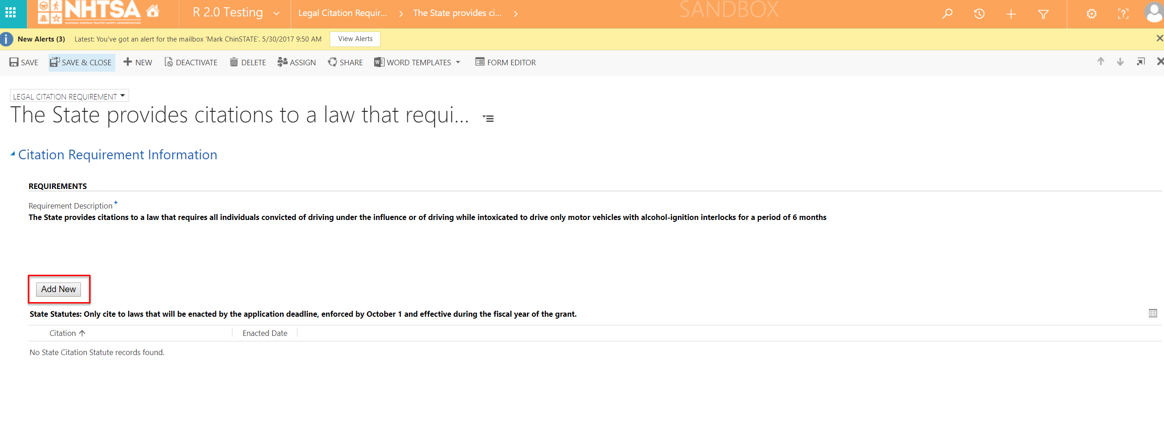 | The State Citation Statute window is displayed.
5 | All State users | Enter values in the the following fields: - Statute Title - Enacted Date - Amended Date Click the Save button. |  | The User is able to enter values in the fields. The citation is saved.
6 | All State users | Click the Save & Close button on the top header. | 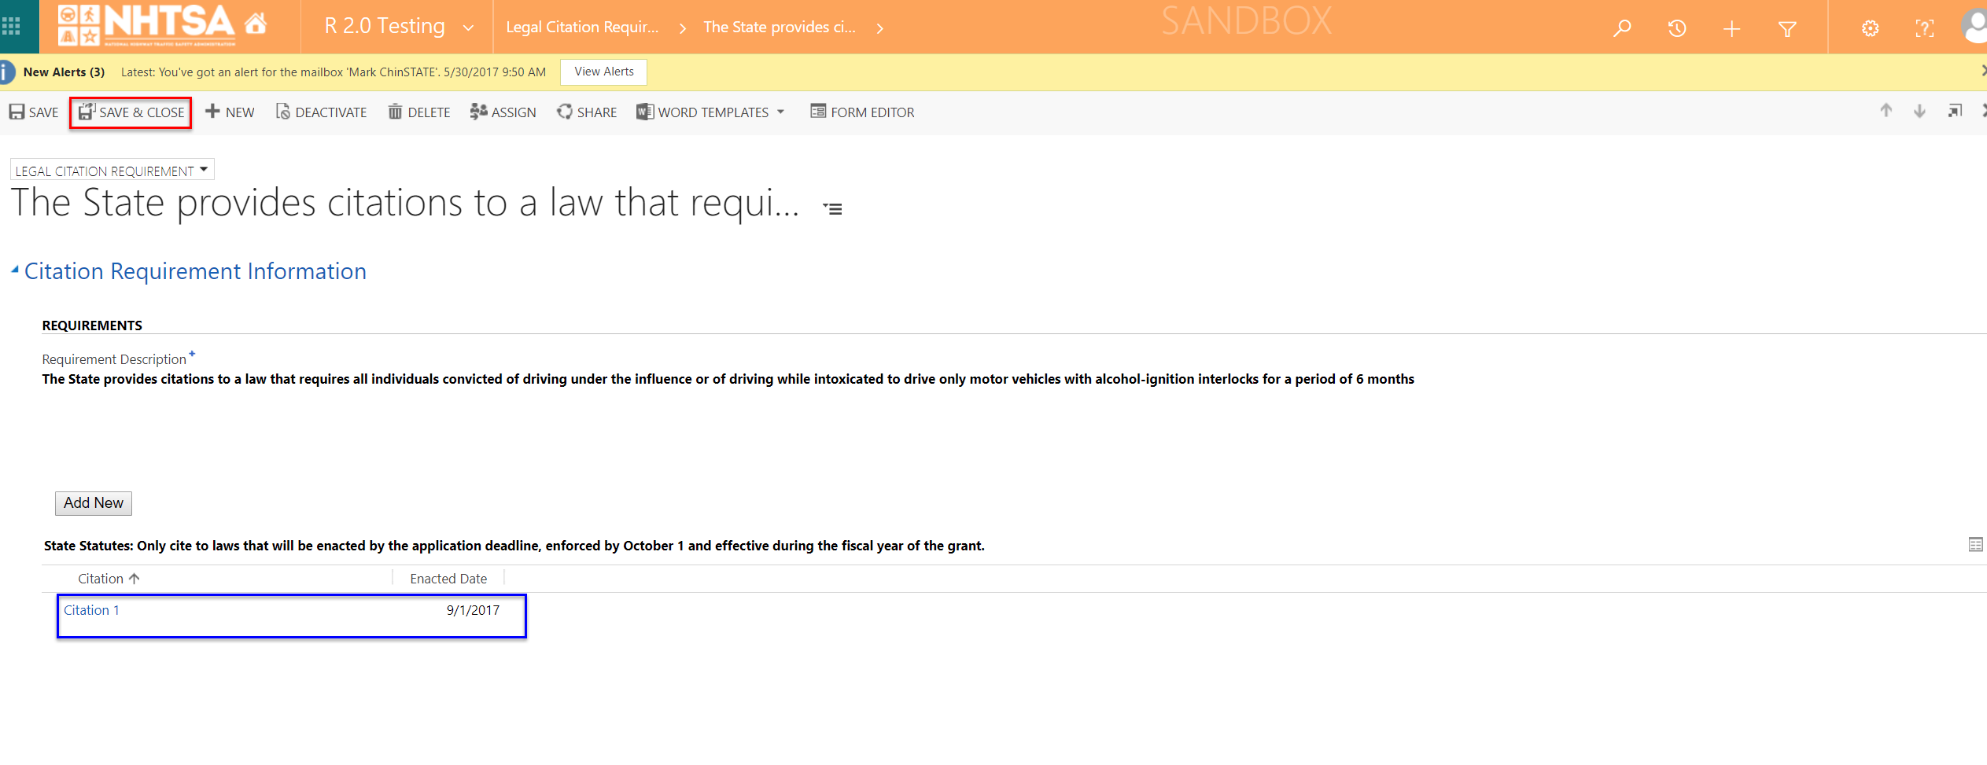 | The requirement states Yes under the "State Citation(s) captured" column.
7 | All State users | Click the Validate Page button on the top header. | 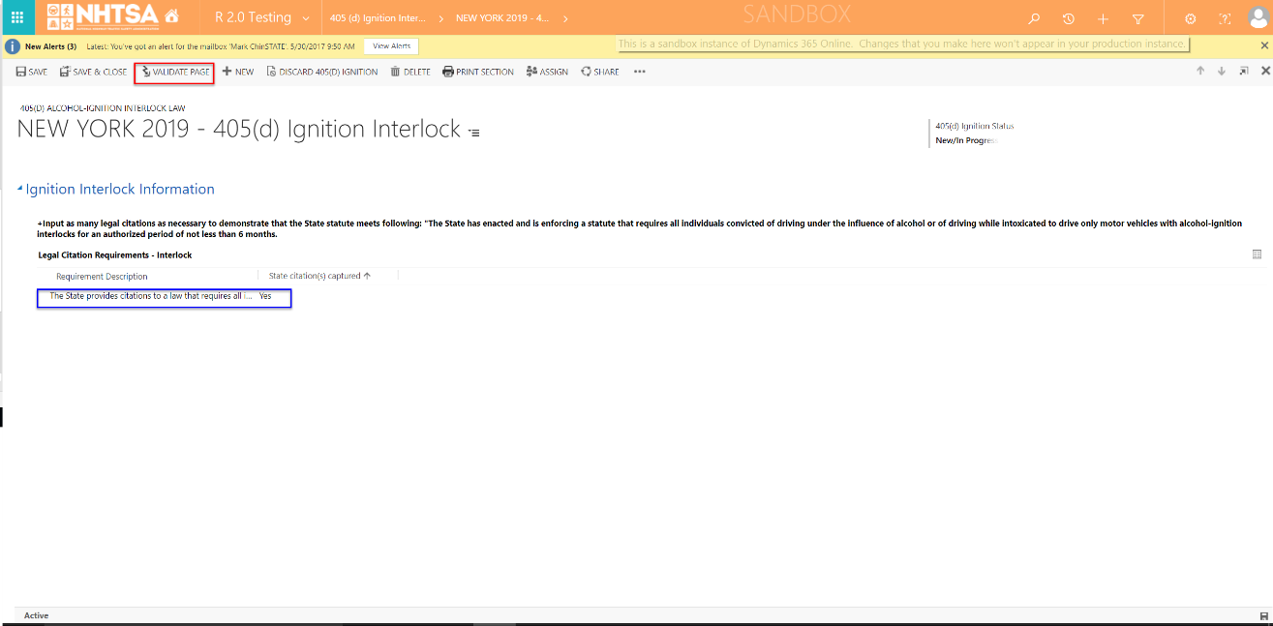 | The System checks that all of the required fields have a value. If a required field does not have a value, a validation error will display in a yellow banner. The validation error will remain until the user addresses the error. If all fields have a value, the 405(d) status will change to Validated.
8 | All State users | After the system updates the 405(d) application form status to Validated, click the Save & Close button. |  | The user is taken back to the HSP page.
END OF SCRIPT - Continue to GMSS-APP-405-0009 NHTSA Grant Application - 405d 24-7 Programs
Alternate Flow(s): None identified
Negative Flow(s): None identified

