Quality Assurance
NHTSA Systems Developer Quality Assurance (QA) Test Script
Date Executed: |  |  | Test Script: | NHTSA 405 Grant Application - 405e Comprehensive Form |  | Tester(s):
Test Script ID: | GMSS-APP-405-0010 |  | Test Script Description: | Verify the appropriate details and functionality of the Comprehensive form for the 405(e) section on the NHTSA 402 Highway Safety Plan |  | Environment:
Requirements: | All requirements under GMSS-HSP-029 |  |  |  |  | Browser:
 |  |  |  |  |  | Pass/Fail: | Pass
Testing enviroment: https://nhtsagmsspreprod.crm9.dynamics.com
Preconditions |  |  |  | Post Conditions
User is logged on to GMSS. User has started a new Highway Safety Plan. (See GMSS-APP-402-0001 NHTSA Grant Application - Summary Information script for more details on logging in and starting a new HSP.) The GTL has indicated that the State is eligible to apply for the 405(e) grant while completing their administration steps in GMSS-APP-NHTSA-HQ. |  |  |  | State users are able to complete the 405(e) Comprehensive Form section appropriately.
Step # | Role | Step Description | Visual | Expected Result | Actual Result (Enter a description only if the result is different from Expected or if the step fails.) | Status
405(e) Comprehensive
1 | All State users | Scroll toward the middle of the page and click on 405(e) Distracted Driving Grants to expand the section. | 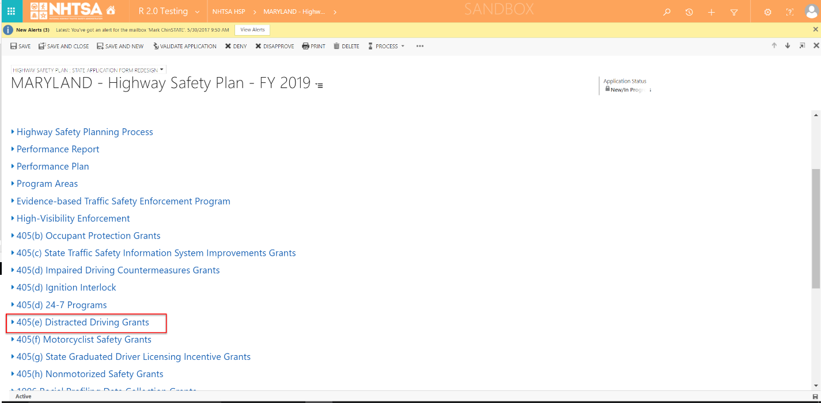 | A link to the State's 405(e) application is displayed. The 405(e) Validation Status should be Not Validated.
2 | All State users | Click on the State's 405(e) application link. | 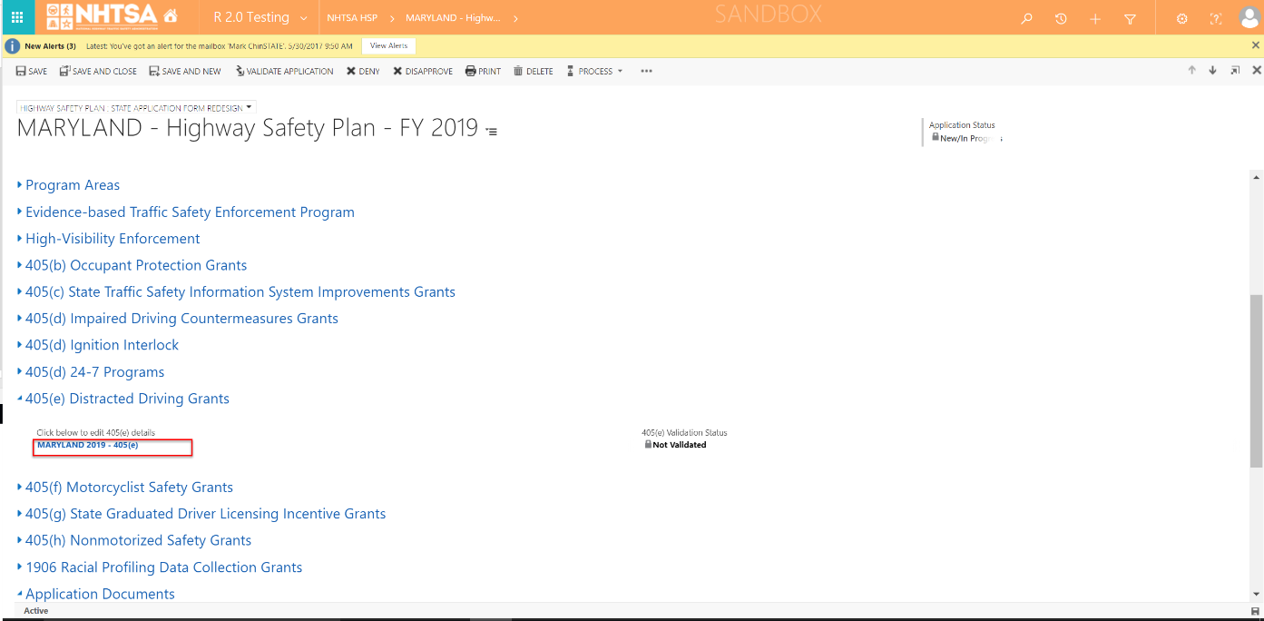 | The 405(e) application is displayed.
Distracted Driving Information
3 | All State users | Verifty that the following statement is displayed: The State’s texting ban statute, prohibiting texting while driving, a minimum fine of at least $25 is in effect, and will be enforced during the fiscal year of the grant. | 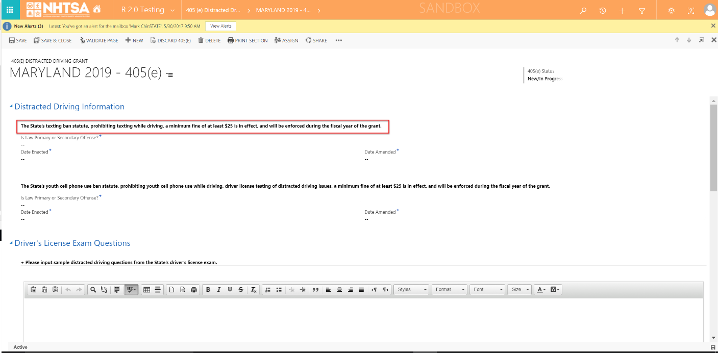 | The statement is displayed.
4 | All State users | Enter values in the following fields: - Is Law Primary or Secondary Offense? (Options are: Primary Offense, Secondary Offense) - Date Enacted - Date Amended | 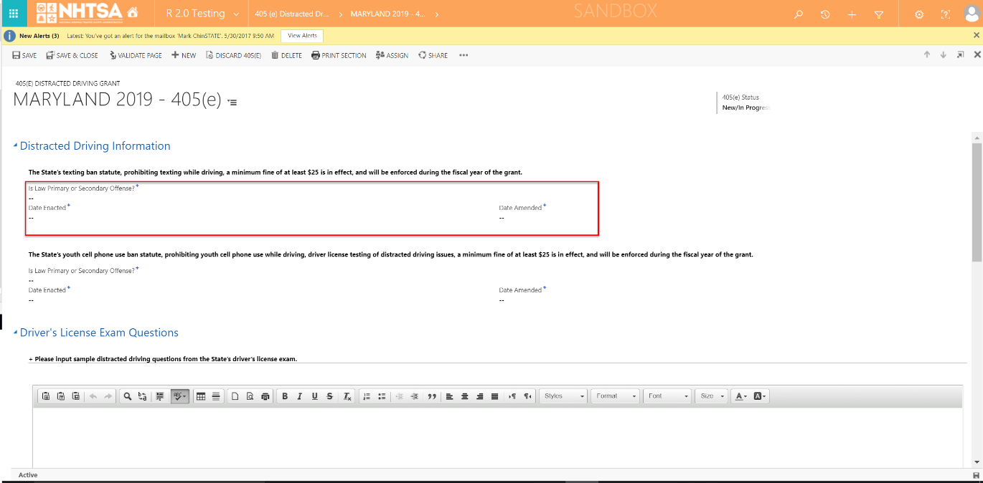 | The User is able to enter values in the fields.
5 | All State users | Verifty that the following statement is displayed: The State’s youth cell phone use ban statute, prohibiting youth cell phone use while driving, driver license testing of distracted driving issues, a minimum fine of at least $25 is in effect, and will be enforced during the fiscal year of the grant. | 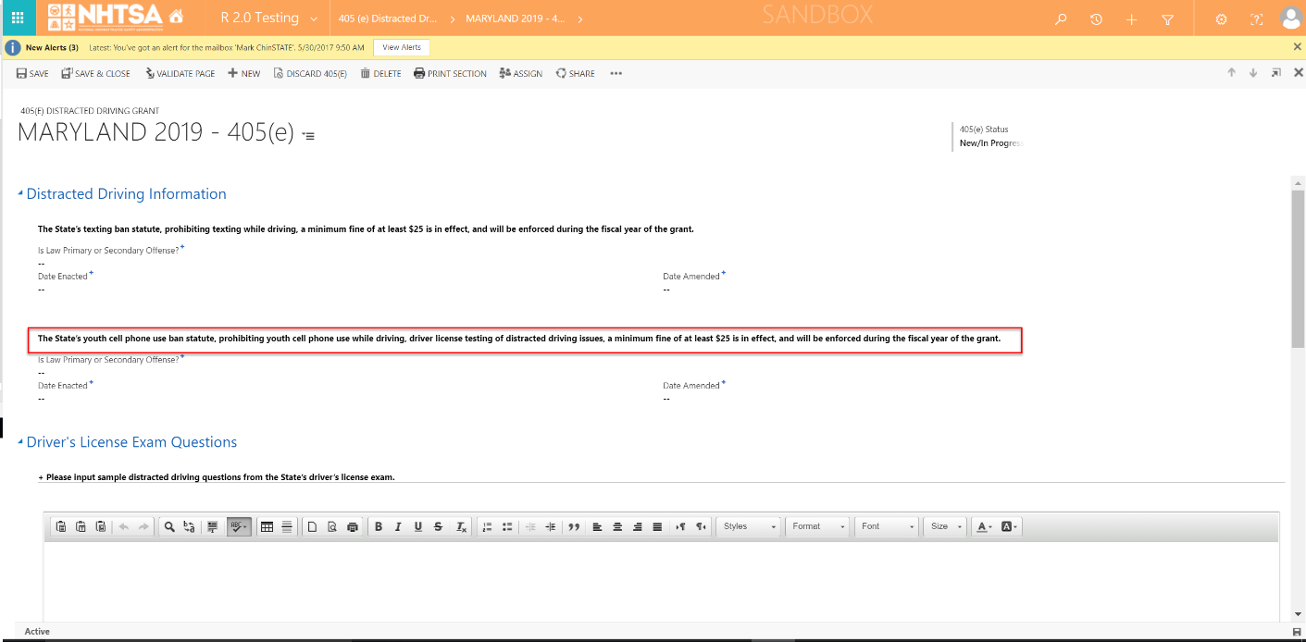 | The statement is displayed.
6 | All State users | Enter values in the following fields: - Is Law Primary or Secondary Offense? (Options are: Primary Offense, Secondary Offense) - Date Enacted - Date Amended | 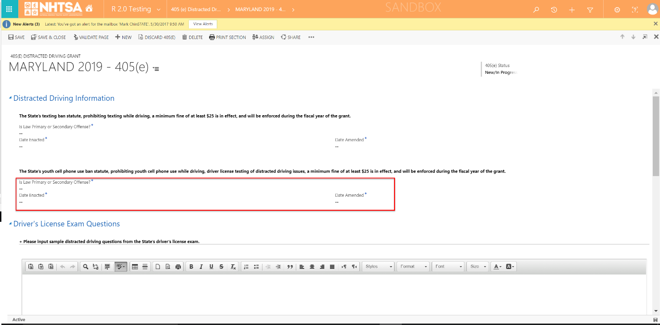 | The User is able to enter values in the fields.
Driver's License Exam Questions
7 | All State users | Enter text in the text box below Please input sample distracted driving questions from the State’s driver’s license exam. | 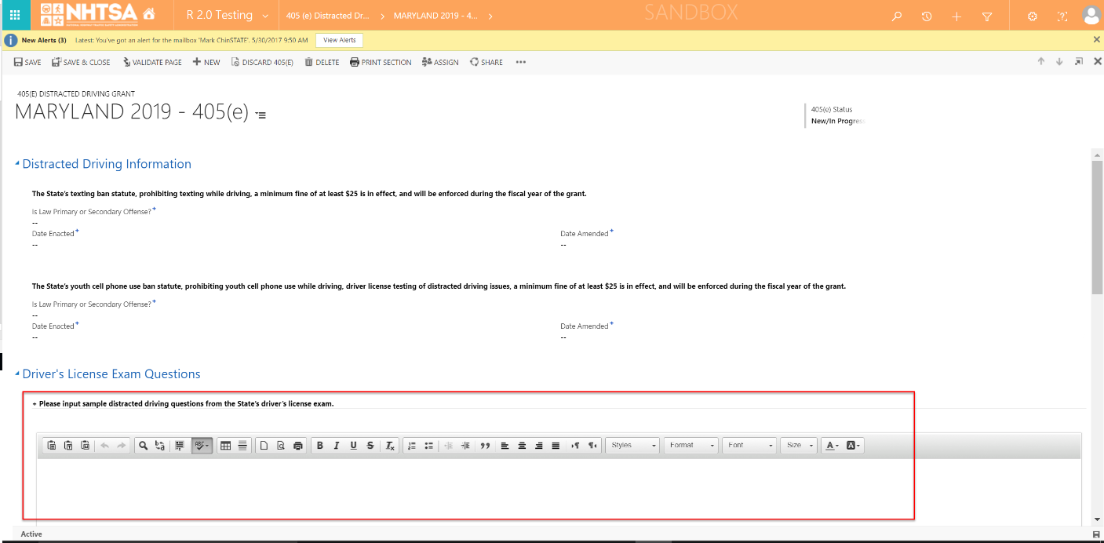 | The User is able to enter texts.
8 | All State users | Click the Save button on the top header. | 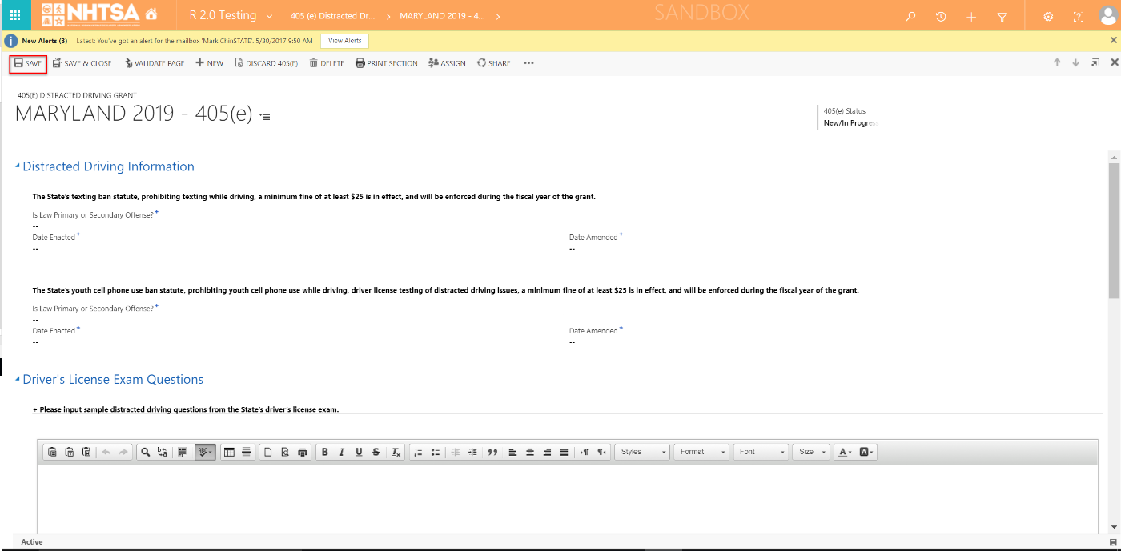 | The information is saved.
Legal Citations
9 | All State users | Verify that the legal requirements are grouped in two tables: - Prohibition on Texting (i.e., Texting Law) - Prohibition on Youth Cell Phone Use (i.e., Youth Law) | 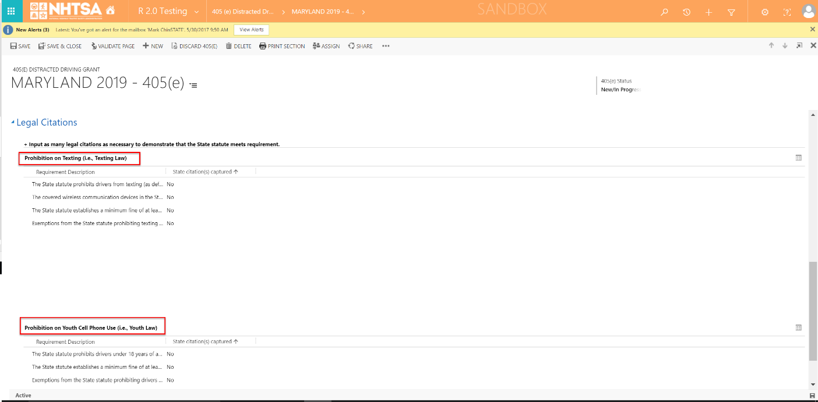 | The legal requirements are grouped in two tables.
10 | All State users | Double click on a Legal Requirement. | 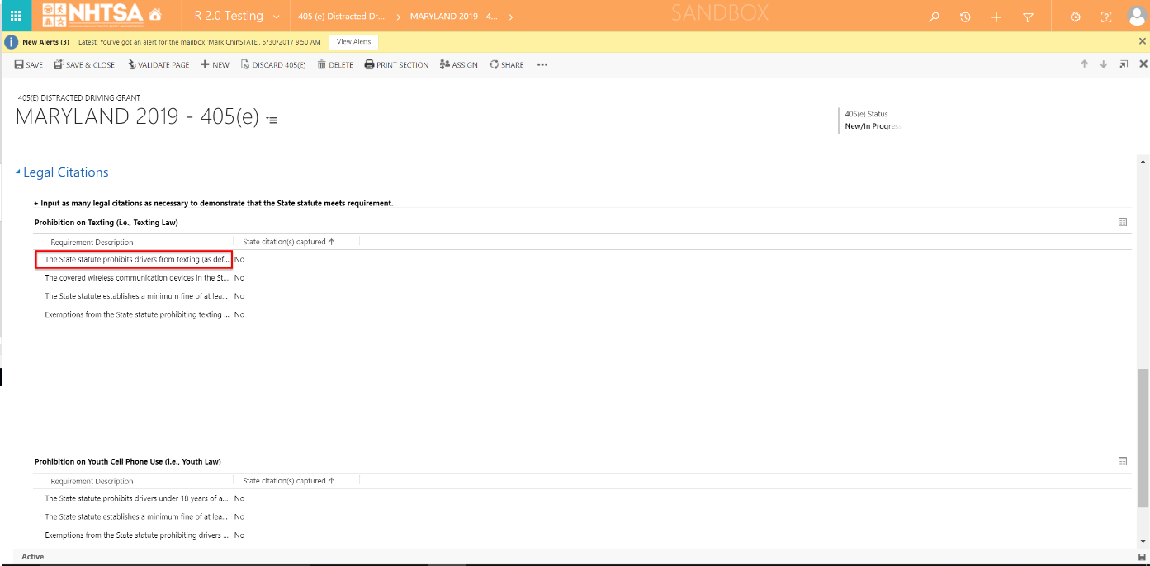 | The page for the selected legal citation requirement displays.
11 | All State users | Click the Add New button. | 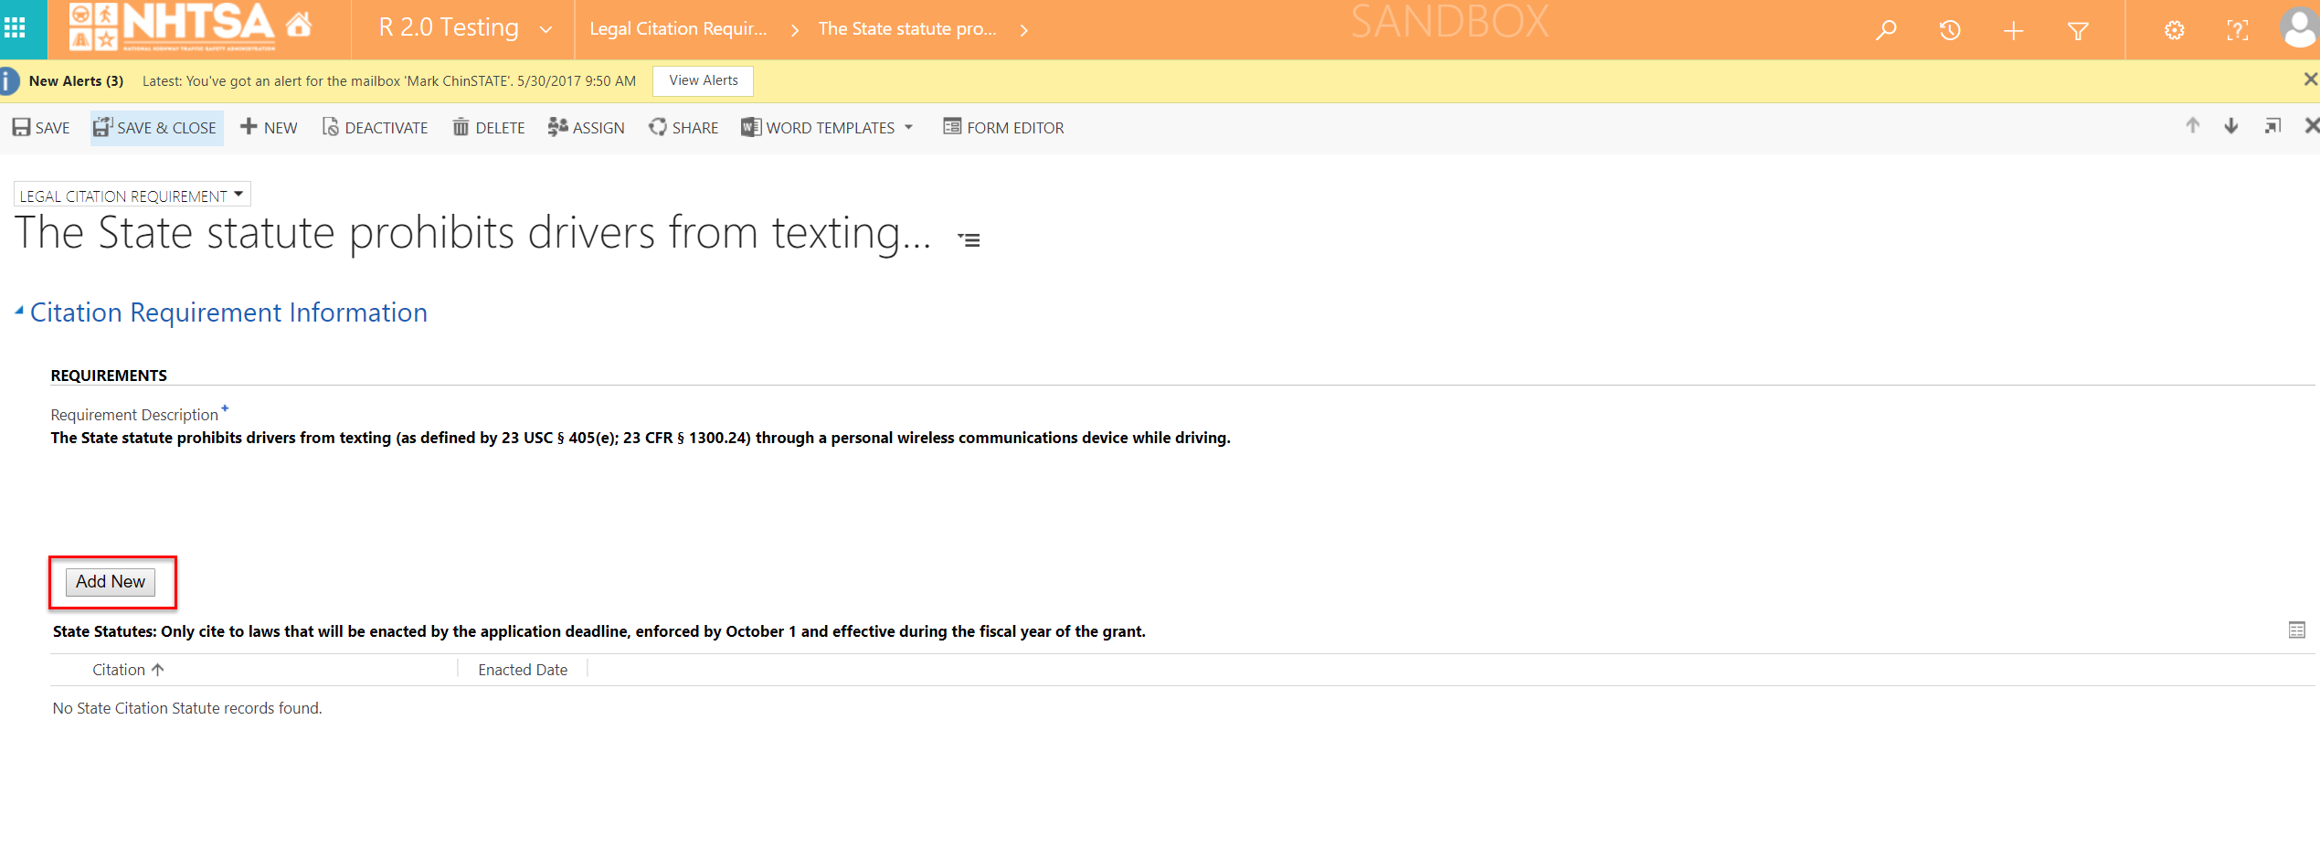 | The State Citation Statute is displayed.
12 | All State users | Enter values for the following: - Statute Title (required) - Enacted Date - Amended Date Click the Save button. |  | The User is able to enter a citation name and date(s).
13 | All State users | Click the Save & Close button from the Citation Requirement Information page. | 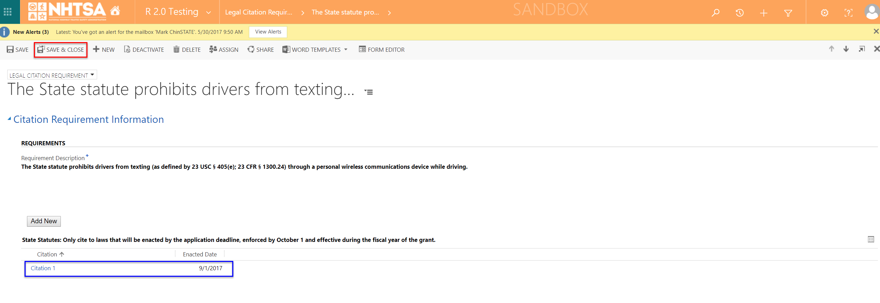 | The requirement is moved at the bottom of the list and states Yes under the "State Citation(s) captured" column.
12 | All State users | Repeat Steps 10-13 for all legal requirements. |  | Same as above.
13 | All State users | Once all Legal Requirements have a Citation (indicated by a Yes below the "State citation(s) captured" column), click the Validate Page button on the top header. | 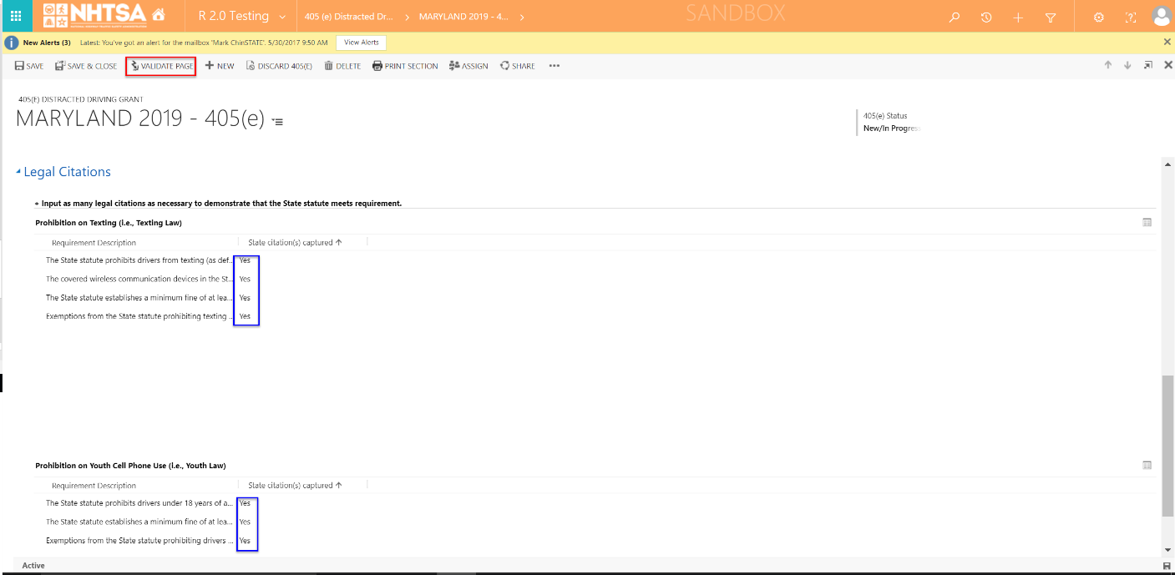 | The System checks that all of the required fields have a value. If a required field does not have a value, a validation error will display in a yellow banner. The validation error will remain until the user addresses the error. If all fields have a value, the 405(e) status will change to Validated.
14 | All State users | Once the system updates the 405(e) application form status to Validated, click the Save & Close button. | 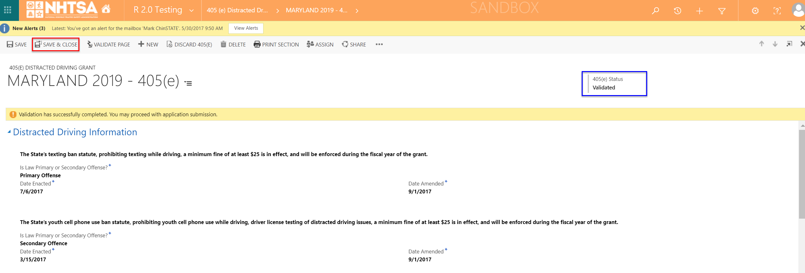 | The user is taken back to the HSP page.
END OF SCRIPT - Continue to GMSS-APP-405-0012 NHTSA HSP - 405f
Alternate Flow(s)
Negative Flow(s): None identified

