Quality Assurance
NHTSA Systems Developer Quality Assurance (QA) Test Script
Date Executed: |  |  | Test Script: | NHTSA 405 HSP - 405(h) |  | Tester(s):
Test Script ID: | GMSS-APP-405-0014 |  | Test Script Description: | Verify the appropriate details and functionality of the 405(h) section on the NHTSA Highway Safety Plan |  | Environment:
Requirements: | All requirements under GMSS-HSP-033 |  |  |  |  | Browser:
 |  |  |  |  |  | Pass/Fail: | Pass
Testing enviroment: https://nhtsagmsspreprod.crm9.dynamics.com
Preconditions |  |  |  | Post Conditions
User is logged on to GMSS. User has started a new Highway Safety Plan. (See GMSS-APP-402-0001 NHTSA Grant Application - Summary Information script for more details on logging in and starting a new HSP.) The GTL has indicated that the State is eligible to apply for the 405(h) grant while completing their administration steps in GMSS-APP-NHTSA-HQ. |  |  |  | State users are able to complete the 405(h) section appropriately.
Step # | Role | Step Description | Visual | Expected Result | Actual Result (Enter a description only if the result is different from Expected or if the step fails.) | Status
405(h)
1 | All State users | Scroll toward the bottom of the HSP page and click on 405(h) Nonmotorized Safety Grants section to open the record. | 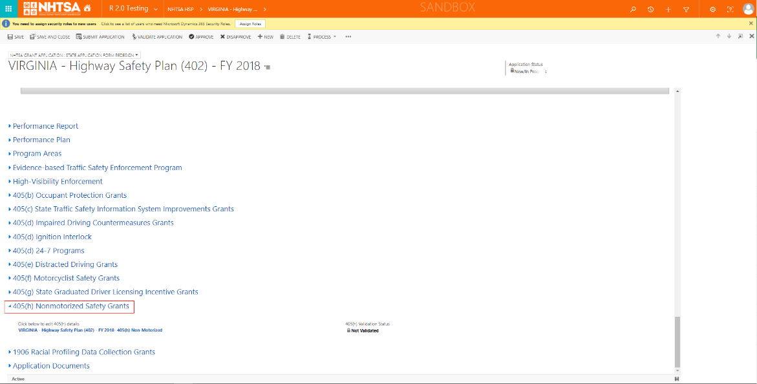 | A link to the State's 405(h) application is displayed. The 405(h) Validation Status should be Not Validated.
2 | All State users | Click on the State's 405(h) application link. | 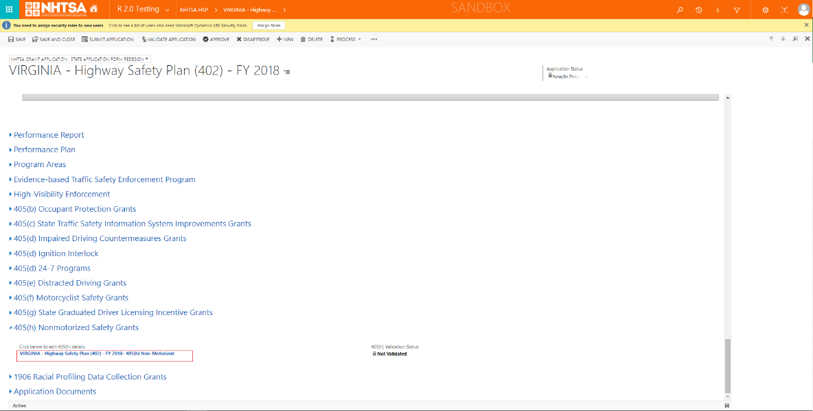 | The 405(h) application is displayed.
3 | All State users | Check the Complies box below The State affirms that it will use the funds awarded under 23 U.S.C. 405(h) only for the implementation of programs as provided in 23 CFR 1300.27(d) in the fiscal year of the grant. | 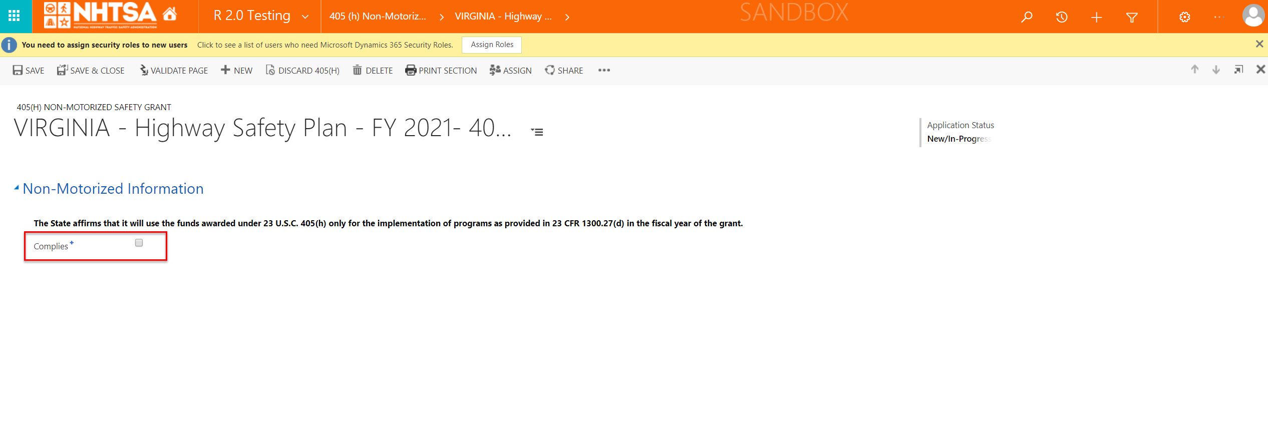 | The User is able to check the Complies box.
4 | All State users | Click the Validate Page button on the top header. | 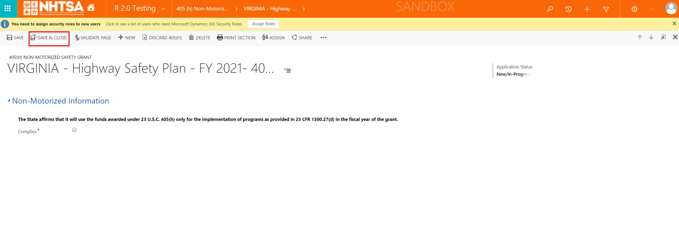 | The System checks that all of the required fields have a value. If a required field does not have a value, a validation error will display in a yellow banner. The validation error will remain until the user addresses the error. If all fields have a value, the 405(h) status will change to Validated.
5 | All State users | After the system updates the 405(h) Application Status to Validated, click the Save & Close button. |  | The user is taken back to the HSP page.
END OF SCRIPT - Continue to GMSS-APP-405-0015 NHTSA HSP - 1906

Alternate Flow(s)
Negative Flow(s): None identified

