Instructions
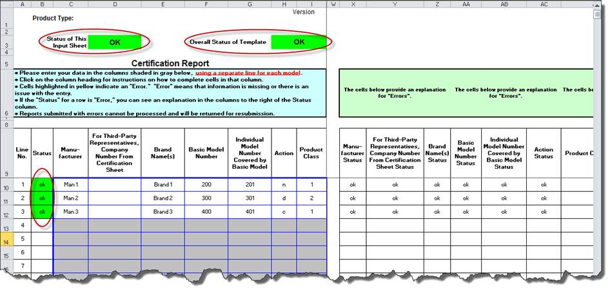
 | Instructions for CCMS Reporting Certification & Templates

 | You are currently on the Instructions sheet. Please refer to these instructions when completing the Certification and Input sheets.

Use your mouse, the "Tab" key and/or arrows on your keyboard to navigate through the fillable fields in both the Certification and Input sheets. If all fields have been completed correctly, the "Status" indicators on the top of the Certification sheet and the top of the Input sheet will show "OK" in green. - If these indicators read "Error" in red on the Certification sheet, look for an explanation in the column to the right of the entry field. - If these indicators read "Error" in red on the Input sheet, look for explanations about incomplete/incorrect field entries by looking in the mirrored cells to the far right of the sheet.
Please go to https://www.regulations.doe.gov/contact-us if you have any questions about the regulations or need help with the template.

Please click on the tab for the Certification Sheet at the bottom of the page:

CERTIFICATION INSTRUCTIONS

 | Step 1 | Enter the Submitter Information - required for all submissions.

 | Submitter Information
 | I am a(n) (check one only):
 | Domestic Manufacturer
 | Importer
 | Third-Party Representative

 | Submitter Information (Required for all submissions):

 | Company Name:
 | Company Address:
 | Contact Name:
 | Contact Telephone Number:
 | Contact Fax Number:
 | Contact email Address:
 | For importers, the U.S. Customs and Border Protection importer identification number (OPTIONAL):

 | If you are not a Third-Party Representative, skip to the Compliance Statement (Step 3)

 | Step 2 | Enter the Third Party Representative Information

 | - Third Party Representatives should enter data on the companies for which they are reporting. - Enter the number of companies for which you are reporting on this copy of the template in the box on the Certification sheet similar to the one shown below. - On each copy of the template, you may report for no more than five companies. - If you need to report for more than five companies, complete as many separate copies of the template as are necessary.

 | If you are a Third-Party Representative, for how many companies on whose behalf are you certifying? (Maximum of 5)

 | - For each of the Companies that you are reporting on in this template, you will need to fill out a full section as shown below.

1. | Company Name:
 | Company Address:
 | Responsible Person at Company:
 | Telephone Number:
 | Fax Number:
 | Email Address:

 | Select all that apply (at least one): | Domestic Manufacturer
 |  | Importer - OPTIONAL: Provide U.S. Customs and Border Protection importer identification number below
 |  | Private Labeler - Provide all of the brand name(S) below

 | For Importer - U.S. Customer and Border Protection importer identification number (OPTIONAL):

 | For Private Labeler - Provide all of the brand name(s):

 | Step 3 | Compliance Statement

 | - The Compliance Statement will be different depending on whether you are a Domestic Manufacturer, Importer, or a Third-Party Representative. - Review the statement carefully and then, in order to signify compliance, complete the information in the spaces provided below the statement.

 | Type your full name to signify compliance (required):
 | Enter your email address (required):
 | Date (MM/DD/YYYY) required:

Please click on the tab for the Input Sheet at the bottom of the page:

TEMPLATE INSTRUCTIONS

 | Step 1 | Filling out the Template

 | - Starting on line No. 1, begin entering applicable data in each field. - Enter a separate line of data for each individual model. - If you need more than the number of lines available in the template, complete as many additional copies of the template as are necessary. - At any time you may click on a column heading for a complete explanation of what to enter in each cell. - If the status at the beginning of the line reads "Error," review your data to verify entries and check the explanation table to the right of the data entry table for a description of the error. - If applicable, click on the Product Description tab to see a description of the product classes and to determine what number should be entered in the Product Class field for each line.

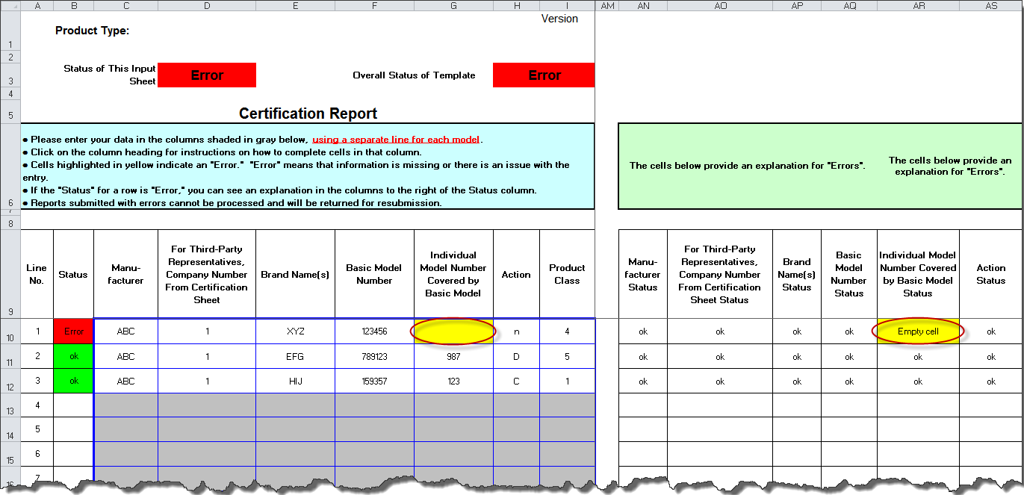

 | Step 2 | Completed template

 | - Lines with an "ok" status have been completed correctly. Be sure your "Overall Status of Template" and "Status of This Input Sheet" reflects "OK" status as expected. - Save the template to a local drive for safekeeping. You will upload this template later to DOE via the CCMS application.

