0-Requested Data
TAB 1: GQ FACILITY
GQ Facility Name | The administrative office that has jurisdiction over the individual group quarter building |  | The Census Bureau classifies addresses that have an address number and street name address, for example, 137 Clark Ct., Apt. 316, Columbus, OH 43026 as city-style addresses. These addresses are used for mailing or to provide location for emergency services, such as police, fire, and rescue (E-911 addresses)
GQ Facility Street Address | The administrative office's physical location (Use city style address) | à
GQ Facility City | The administrative office's physical location (Use city style address)
GQ Facility State | The administrative office's physical location (Use city style address)
GQ Facility ZIP | The administrative office's physical location (Use city style address)
GQ Facility County / Parish / Borough | The administrative office's physical location
GQ Facility Primary Contact Name | The administrative office's primary contact person name(s) who can answer questions for this test
GQ Facility Primary Contact Title | The administrative office's primary contact person title
GQ Facility Primary Contact Phone | The administrative office's primary contact person phone number
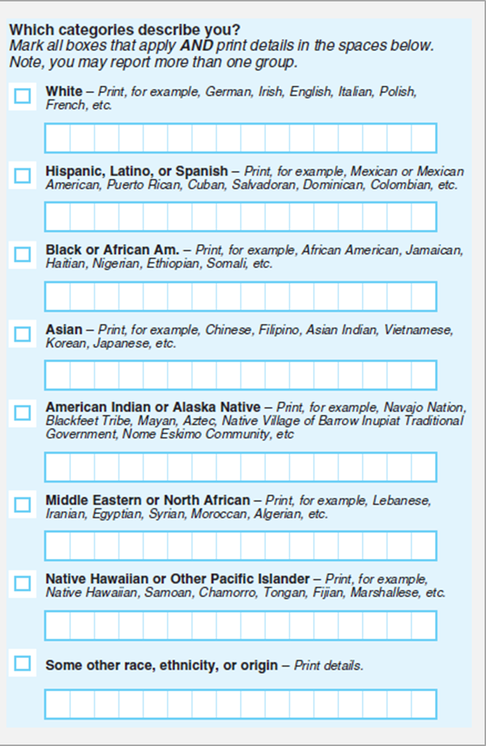
GQ Facility Primary Contact E-mail Address | The administrative office's primary contact person e-mail address

TAB 2: GQ NAME(S)
GQ Name | The actual building that hosts residents or clients
GQ Type Description | The group quarters description (Refer to Census provided description) | à
GQ Street Address | The actual physical location hosts the residents or clients (Use city style address)
GQ City | The actual physical location hosts the residents or clients (Use city style address)
GQ State | The actual physical location hosts the residents or clients (Use city style address)
GQ ZIP | The actual physical location hosts the residents or clients (Use city style address)
GQ County / Parish / Borough | The actual physical location hosts residents or clients
GQ Maximum Population Capacity | The maximum number of persons can live or stay in this building
GQ Expected Population on Census Day | The expected number of persons that are expected to live or stay in this building on Census Day
GQ Latitude / Longitude | Coordinates representing the GQ address location

TAB 3: GQ CLIENT / RESIDENT DATA
GQ Name | The actual building that hosts the residents or clients
First Name | First name of person staying or living in this GQ
Middle Name | Middle name of person staying or living in this GQ
Last Name | Last name of person staying or living in this GQ
Sex | Gender description (Male or Female)
Age on Census Day | Person's age on Census Day
Date of Birth | Person's birth day
Race | Person's race category--Report one or more races (Refer to the Census provided description) | à | à | à | à | à | à | à
Race Detail | Person's race category detail--A write in entry (Refer to the Census provided description) | à | à | à | à | à | à | à

