Connect to FTP
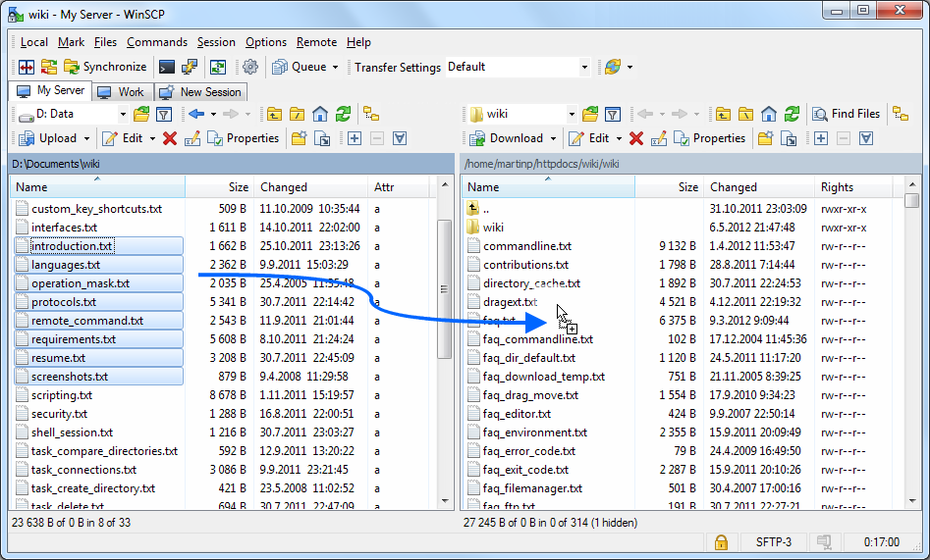
Version : 1.5 Date: 12-05-2016
Connect to SFTP server
Start WinSCP. Login Dialog will appear. On the dialog:
· Select your File protocol as SFTP.
· Enter the host name ftp.ams.usda.gov to Host name field, username to User name and password to Password
· You may want to save your session details to a site so you do not need to type them in every time you want to connect. Press Save button and type site name.
· Press Login to connect.

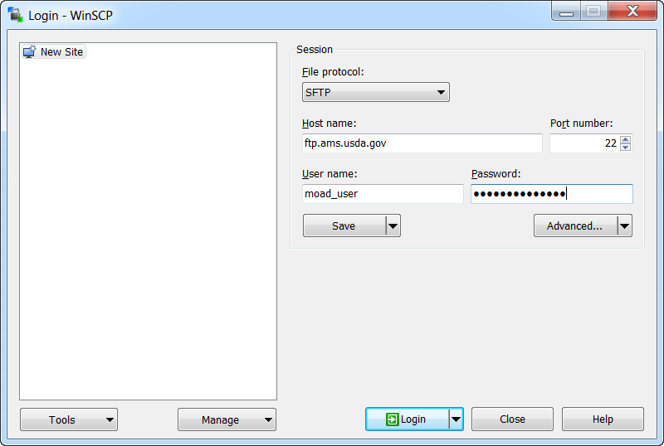

Uploading
Once you are connected to your account of FTP/SFTP server, you will see content of default remote directory on the right panel.
Now you can simply drag the local files and drop them on remote file panel on the right. Uploading will proceed. Once it finishes, you will see uploaded file in remote file panel.

