Welcome and Thank You Text
Model Instance Name:
SSA My Social Security V3
MID:
Partitioned Yes
Welcome and Thank You Text

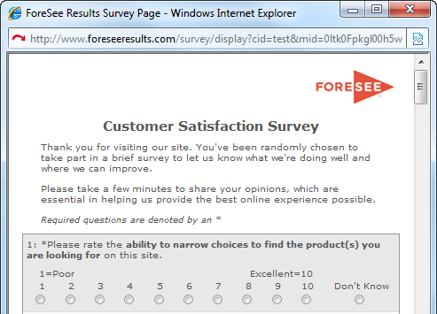
 | Directions:
 | This welcome text is shown at the top of the questionnaire window and the thank you text at the bottom. This is a good place to mention the site/company/agency name so the visitor knows whom they are taking the survey for. Feel free to modify the standard Welcome text shown in the box below.
 |  | Examples
 |  | Welcome Text Example

 | Welcome Text

 | Thank you for visiting our site. You've been randomly chosen to take part in a brief survey to let us know what we're doing well and where we can improve. Please take a few minutes to share your opinions, which are essential in helping us provide the best online experience possible.

 |  | Thank You Text Example


 | Thank You Text

 | Thank you for taking our survey and for helping us serve you better. Please note you will not receive a response from us based on your survey comments. If you would like us to contact you about your feedback, please visit the Contact Us section of our website.

 |  |  | us

