Welcome & Thank You Text
Model Instance Name: |  |  | Red & Strike-Through: Delete
CMS - Novitas JH MAC |  |  | Pink: Addition
MID: dpR1JAY4hBEwNgJdhdM4xg4C |  |  | Blue: Reword
Date: | 2016-05-13

 | Welcome and Thank You Text

 |  | USE ALTERNATE TEXT FOR WELCOME, STANDARD FOR TY

 |  | Welcome Text | Welcome Text - Alternate

 |  | We'd welcome your feedback! (return) Thank you for visiting the Novitas Solutions, Inc. You have been selected to participate in a brief customer satisfaction survey to let us know how we can improve your experience. The feedback you provide will help Novitas Solutions enhance its Web site and server you better in the future. (return) The survey is designed to measure your entire experience, please look for it at the conclusion of your visit. | **PLEASE SEE BELOW IN EXAMPLE DESKTOP**

 |  | Thank You Text | Thank You Text - Alternate

 |  | Thank you for your time in completing this survey. Your input is very valuable and will be taken into consideration. | Thank you for taking our survey - and for helping us serve you better. We appreciate your input!

 |  | Example Desktop (shows text locations) | Example Desktop (shows text locations)
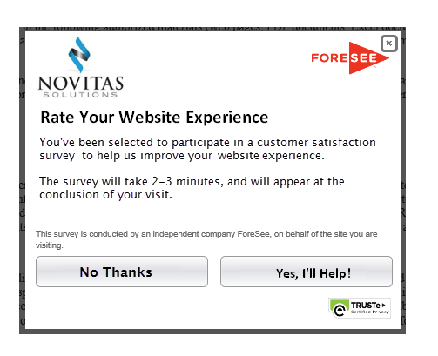
 |  |  | Rate Your Website Experience

 |  |  | You've been selected to participate in a customer satisfaction survey to help us improve your website experience.

 |  |  | The survey will take 2-3 minutes, and will appear at the conclusion of your visit.

 |  |  | Buttons: No Thanks, Yes, I'll Help!

