How to read this file
Welcome and Thank You Text
The text you see here will appear at the top and bottom of your survey. Default text is included and you may modify this text as needed.

Model Questions
As discussed during the kick-off call, the model questions are part of the ForeSee methodology. For consistency within the model, these questions are standardized and have been tested and validated. Standardization of model questions allows benchmarking across companies/industries, and these questions are used in calculating scores and impacts.
Focus on the future behaviors; I’ve started with some that I believe are a good fit but we can certainly make adjustments. These are desired customer outcomes that are impacted by customer satisfaction.


Custom Questions
When reviewing the custom questions tab, keep in mind these questions are used for segmentation analysis of the model data. It is suggested that you add, delete or change custom questions over time, as your needs or business objectives change.
Focus Area #1: Achieving Actionable Data - Know what changes are being made based on the intelligence - Change Custom Questions so that stakeholders see a clear “must do”
Focus Area #2: Aligning Data to Business Strategies - Update your Custom Questions as business cycles change - Integrate Executive Level questions to evaluate initiatives
Focus Area #3: Strategic and Tactical Value - Influence Board Room Decisions - Change Operational Approaches - Mature Your Research

Welcome and Thank You Text
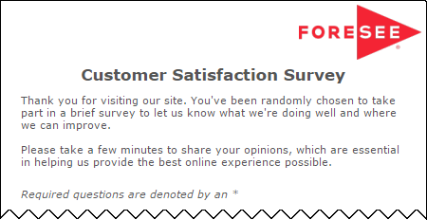
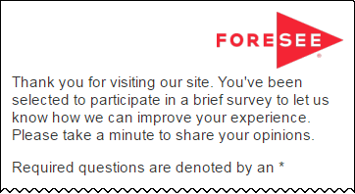
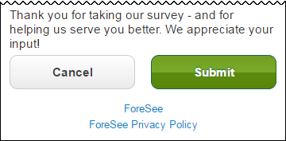
The text you see here will appear at the top and bottom of your survey, examples below.
Default text is included and you may modify this text as needed.

Welcome and Thank You Text

 | Welcome Text | Welcome Text - Tablet / Phone

 | Thank you for visiting SBA.gov. You have been randomly selected to take part in this survey that is being conducted by ForeSee on behalf of the Small Business Administration. The feedback you provide will help us serve you better in the future. All results are strictly confidential. Please take a few minutes to share your opinions, which are essential in helping us provide the best online experience possible. | Thank you for visiting . You've been selected to participate in a brief survey to let us know how we can improve your experience. Please take a minute to share your opinions.

 | Thank You Text | Thank You Text - Tablet / Phone

 | Thank you for your time in completing this survey. Your input is very important and will help us improve our service to you through SBA.gov. Please note you will not receive a response from us based on your survey comments. If you would like us to contact you about your feedback, please visit the Contact Us section of our website. | Thank you for taking our survey - and for helping us serve you better. We appreciate your input!

 | Example Desktop | Example Mobile

