Welcome and Thank You Text
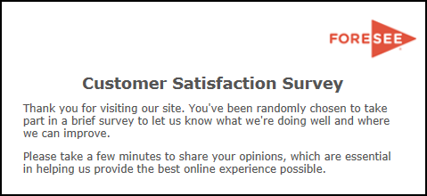

Welcome and Thank You Text

 | Welcome Text | Thank You Text

 | Thank you for being a valuable PSC partner. Please take a few minutes to tell us how we are doing and where we can improve, to ensure you have the best experience possible. | Thank you for taking our survey - and for helping us serve you better. We appreciate your input!

