Welcome and Thank You Text
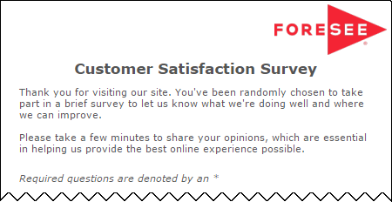
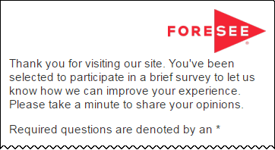
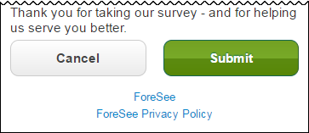
The text you see here will appear at the top and bottom of your survey, examples below.
Default text is included and you may modify this text as needed.

Welcome and Thank You Text

 | Welcome Text | Welcome Text - Tablet / Phone

 | Thank you for attending our training. Please take a few minutes to share your opinions, which are essential in helping us provide the best SVTC experience possible. As this is an unclassified forum, please do not provide any classified information in any open text response you provide. | Thank you for attending our training. Please take a few minutes to share your opinions, which are essential in helping us provide the best SVTC experience possible. As this is an unclassified forum, please do not provide any classified information in any open text response you provide.

 | Thank You Text | Thank You Text - Tablet / Phone

 | Thank you for taking our survey - and for helping us serve you better. We appreciate your input! | Thank you for taking our survey - and for helping us serve you better. We appreciate your input!

 | Example Desktop | Example Mobile

