Definitions
Clostridium Difficile Infection (CDI) Validation Template
In support of validation of laboratory-identified CDI events reported for the Hospital Inpatient Quality Reporting (IQR) Program for the Fiscal Year (FY) 2021
payment determination:
• Each hospital selected for CDI validation is to produce a list of all final results for stool specimens that are toxin positive for CDI during an inpatient
episode of care.
• The list may include specimens collected in the ED and/or 24-hour observation locations collected prior to an inpatient admission; however, if the patient
was only seen in the ED and/or 24-hour observation and never admitted to an inpatient location, do not include these on the Validation Template. These are
scenarios where the Centers for Medicare and Medicaid Services (CMS) and the National Healthcare Safety Network (NHSN) reporting differ.
• The line list should include stool specimens that are toxin positive for CDI from unformed stools only.
Exclusions include: C-diff antigen positive, antigen only detected, no toxin detected
 | FY 2021 - CDI Validation Template
 | (Use this template for stool specimens toxin positive for CDI beginning with 3Q18 - all quarters must be submitted on separate templates)
FIELD (* indicates required field) | DESCRIPTION | SECTION
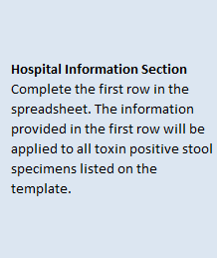
NHSN Facility ID* | The National Healthcare Safety Network (NHSN)-assigned facility ID under which your hospital submits NHSN data.
Provider ID/CCN* | Hospital's 6-digit CMS Certification Number (CCN).
Hospital Name* | Hospital Name associated with CCN.
State* | Enter the 2 character abbreviation for the state in which the hospital is located.
Calendar Quarter* | Select from the drop-down list the calendar quarter to which the CDI Validation Template pertains.
Hospital Contact Name* | Hospital contact name for CMS to contact with questions.
Contact Phone* | Phone number for hospital contact listed.
Contact Email* | Email address for hospital contact listed.
Assay Type* | The type of test used to detect CDI.
Stool Specimens Toxin Positive for C. difficile (Y/N)* | Select Yes or No from the drop-down list. Does the hospital have any final stool cultures toxin positive for CDI for patients in the calendar quarter referenced?
Patient Identifier* | The patient identifier assigned by the hospital. Use the same patient identifier that would be submitted to NHSN if the episode of care (EOC) would be reported as a laboratory-identified CDI event.
Birthdate* | The patient date of birth using MM/DD/YYYY format.
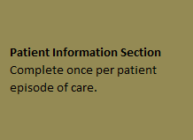
Sex* | Select Female, Male or unknown from the drop-down list to indicate the sex of patient.
Admit Date* | Enter date patient was admitted to hospital in MM/DD/YYYY format.
Discharge Date* | Enter date patient was discharged from the hospital in MM/DD/YYYY format. If a patient has not been discharged from the hospital enter "Not Discharged" for the Discharge Date field.
First Name | First name of patient.
Last Name | Last name of patient.
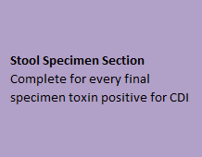
NHSN Location* | Select from the drop-down list, the NHSN location to which the patient was assigned when the stool specimen was collected. Only locations from the drop-down will be accepted; do not use a hospital-assigned location.
Lab ID* | Lab ID, accession number or specimen number corresponding to toxin positive for CDI stool specimen.
Stool Specimen Collection Date* | Provide the date the stool specimen was collected in MM/DD/YYYY format.
Stool Specimen Collection Time | Provide the time the stool specimen was collected if easily available.
Blank cell
For additional information, view the appropriate CDI Abstraction Manual posted on the Inpatient Chart-Abstracted Data Validation page of QualityNet.
For the purposes of Hospital IQR Program Chart-Abstracted Data Validation, please note the differences between NHSN data submission
and validation template/medical record submission, as described below:
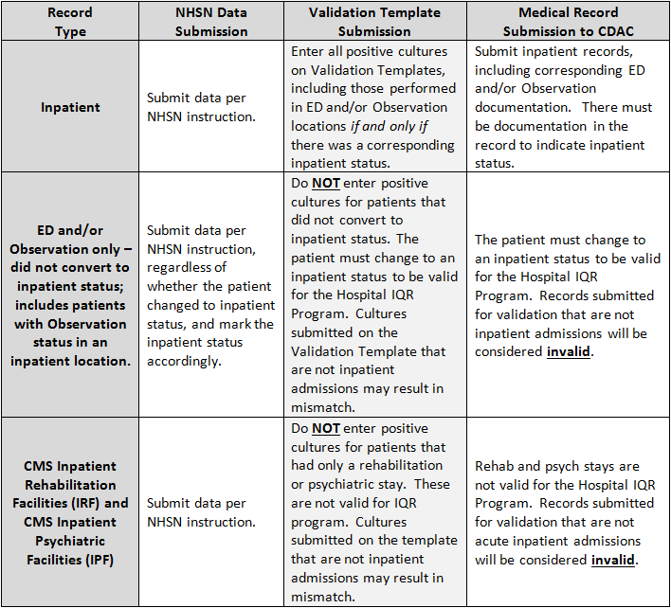
End of worksheet

PRA Disclosure Statement According to the Paperwork Reduction Act of 1995, no persons are required to respond to a collection of information unless it displays a valid OMB control number. The valid OMB control number for this information collection is 0938-XXXX (Expires XX/XX/XXXX). The time required to complete this information collection is estimated to average 8 hours per response, including the time to review instructions, search existing data resources, gather the data needed, and complete and review the information collection. If you have comments concerning the accuracy of the time estimate(s) or suggestions for improving this form, please write to CMS, 7500 Security Boulevard, Attn: PRA Reports Clearance Officer, Mail Stop C4-26-05, Baltimore, Maryland 21244-1850. ****CMS Disclosure**** Please do not send applications, claims, payments, medical records or any documents containing sensitive information to the PRA Reports Clearance Office. Please note that any correspondence not pertaining to the information collection burden approved under the associated OMB control number listed on this form will not be reviewed, forwarded, or retained. If you have questions or concerns regarding where to submit your documents, please contact validation@hcqis.org.

