Disclaimer
OMB No.: 0925-0600
Expiration Date: 08/31/2019
Public reporting burden for this collection of information is estimated to average 30 minutes per response, including the time for reviewing instructions, searching existing data sources, gather and maintain the data needed, and complete and review the collection of information. An agency may not conduct or sponsor, and a person is not required to respond to, a collection of information unless it displays a currently valid OMB control number. Send comments regarding this burden estimate or any other aspect of this collection of information, including suggestions for reducing this burden to: NIH, Project Clearance Branch, 6705 Rockledge Drive, MSC 7974, Bethesda, MD 20892-7974, ATTN: PRA (0925-0600). Do not return the completed form to this address.
.

Trial Status Date Diagram
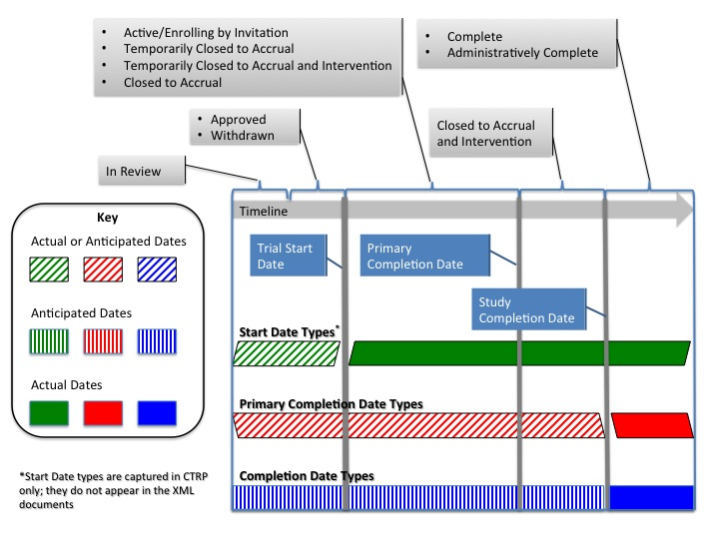
Trial Start, Primary Completion, and Completion Dates

