Welcome and Thank You Text
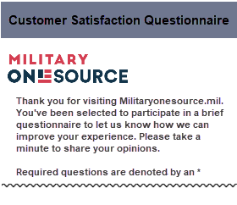
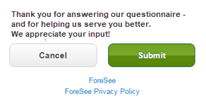
The text you see here will appear at the top and bottom of your questionnaire, examples below.
Default text is included and you may modify this text as needed.

Welcome and Thank You Text

 | Welcome Text - Phone

 | Thank you for visiting MilitaryOneSource.mil. You've been selected to participate in a brief questionnaire to let us know how we can improve your experience. Please take a minute to share your opinions.

 | Thank You Text - Phone

 | Thank you for answering our questionnaire - and for helping us serve you better. We appreciate your input!

 | Example Mobile

