Welcome and Thank You Text
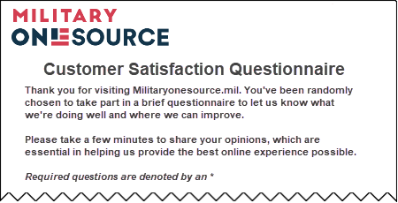
The text you see here will appear at the top and bottom of your survey, examples below.
Default text is included and you may modify this text as needed.

Welcome and Thank You Text

 | Welcome Text

 | Thank you for visiting MilitaryOneSource.mil. You've been randomly chosen to take part in a brief questionnaire to let us know what we're doing well and where we can improve. Please take a few minutes to share your opinions, which are essential in helping us provide the best online experience possible.

 | Thank You Text

 | Thank you for answering our questionnaire - and for helping us serve you better. Please note you will not receive a response from us based on your questionnaire comments. If you would like us to contact you about your feedback, please visit the Customer Support section of our website.

 |  | https://public.militaryonesource.mil/feedback

 | Example Desktop

