Applicability
Light Duty Vehicle/Outside Useful Life Notification Package: Clean Alternative Fuel Conversion Applicability

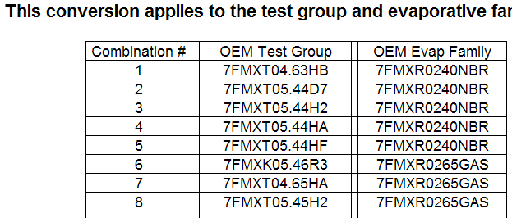
*Please enter data as shown in example below.
Note that entries should not be just applicable
test groups and evap families, but the combination
of a test group/evap family pair. Hence, in the
example below, the same evap family occurs
multiple times, being part of different combinations
each time. Also, insert more rows of data if needed.
 |  | New Conversion Test Group: |  |  |  | New Conversion Evaporative/Refueling Family:

This conversion applies only to outside useful life vehicles with the OEM test group and evaporative family combinations listed below

# | OEM Test Group | OEM Evap Family | OEM Manufacturer | OEM MY | Displacement (L) | Orig. Fuel | Models

 |  |  |  |  |  |  |  | EPA Form Number 5900-257
 |  |  |  |  |  |  |  | OMB Control Number 2060-0104
 |  |  |  |  |  |  |  | Expires XX/XX/XXXX
 |  |  |  |  |  |  |  | EPA ICR Number 0783.65

