Handler's Report
 |  |  |  | OMB No. 0581-0093
DESIGNATED HANDLER'S REPORT FOR WATERMELON RESEARCH AND PROMOTION ACT

Report Submitted By:

N.W.P.B. Account No.:
 |  |  | Address, City, State zip (xxx) xxx-xxxx - Phone, (xxx) xxx-xxxx - Fax
Month Covered By This Report:

Date of Last Report (State if First or Last Report) |  |  | INSTRUCTIONS: Mail the original copy to the N.W.P.B. with full remittance. Must be postmarked within 30 days after the month the watermelons were handled.

LIST BELOW NAME AND N.W.P.B. ACCOUNT NUMBER OF PRODUCER FROM WHOM YOU PURCHASED WATERMELONS AS WELL AS YOUR OWN PRODUCTION:
NAME OF PRODUCER | N.W.P.B. ACCOUNT NUMBER | CWT ** *(1) | PRODUCER'S ASSESSMENT *(2) | HANDLER'S ASSESSMENT *(3) | TOTAL ASSESSMENT *(4)
 |  |  | $- | $- | $-
 |  | - | $- | $- | $-
 |  | - | $- | $- | $-
 |  | - | $- | $- | $-
 |  | - | $- | $- | $-
 |  | - | $- | $- | $-
 |  | - | $- | $- | $-
 |  | - | $- | $- | $-
 |  | - | $- | $- | $-
 |  | - | $- | $- | $-
 |  | - | $- | $- | $-
 |  | - | $- | $- | $-
 |  | - | $- | $- | $-
 |  | - | $- | $- | $-
 |  | - | $- | $- | $-
 |  | - | $- | $- | $-
 |  | - | $- | $- | $-
 |  | - | $- | $- | $-
 |  | - | $- | $- | $-

**HUNDREDWEIGHT(CWT) | Grand Totals:
*INSTRUCTIONS FOR COMPLETING THE HANDLER'S REPORT ARE LOCATED ON NEXT Page - DIRECTIONS*
For N.W.P.B. Use Only. |  | CERTIFICATION: I certify that the above information is true and correct to the best of my knowledge and the attached remittance represents all watermelons handled during this reporting period on which was required to pay the assessment.

Check #.
Check Amount:
Date Deposited:
Batch # |  | Date | Signature and Title

 |  | 1,000 | pounds equals | 10.00 | hundredweight

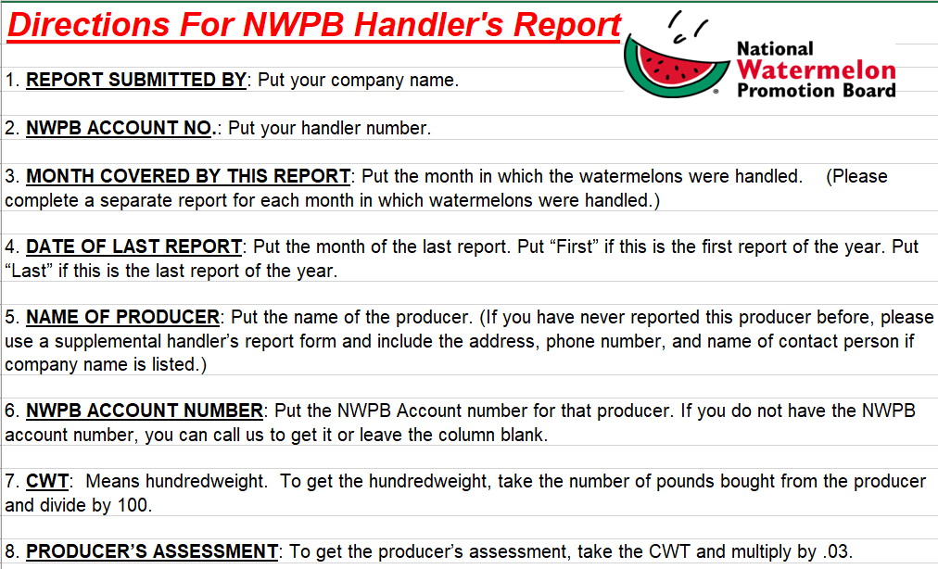
WAT-FHR (rev. 03/20) Destroy previous editions.
Exp. Date XX/XX/XXXX

