Definitions
Catheter-Associated Urinary Tract Infection (CAUTI) Validation Template
In support of Centers for Medicare & Medicaid Services (CMS) inpatient data validation for the Fiscal Year (FY) 2022 Payment Determination:
• Each hospital selected for CAUTI validation is to produce a list of positive urine cultures for intensive care unit (ICU) patients.
• The line list should include all final results for all positive urine cultures with >= 105 colony-forming units (CFUs)/ml collected during an ICU stay.
• For each patient confirm:
1) The patient had an ICU admission during this hospital stay; and
2) The patient had a positive urine culture collected during the ICU stay with >= 105 CFU/ml. (If the patient was not in the ICU when the culture was drawn, do
not include these on the Validation Template. Exclude positive cultures with more than 2 organisms present even if results are >=105 CFU/ml.)
 | FY 2022 - CAUTI Validation Template
 | (Use this template for 3Q19 & 4Q19 positive urine cultures - all quarters must be submitted on separate templates)
FIELD (* indicates required field) | DESCRIPTION | SECTION
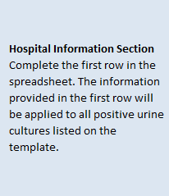
NHSN Facility ID* | The National Healthcare Safety Network (NHSN)-assigned facility ID under which your hospital submits NHSN data.
Provider ID/CCN* | Hospital's 6-digit CMS Certification Number (CCN). Do not include any hyphens.
Hospital Name* | Hospital Name associated with CCN.
State* | Enter the 2 character abbreviation for the state in which the hospital is located.
Calendar Quarter* | Select from the drop-down list the calendar quarter to which the CAUTI Validation Template pertains.
Hospital Contact Name* | Hospital contact name for CMS to contact with questions.
Contact Phone* | Phone number for hospital contact listed.
Contact Email* | Email address for hospital contact listed.
Positive Urine Cultures (Y/N)* | Select Yes or No from the drop-down list. Does the hospital have any final results for positive urine cultures for ICU patients in the calendar quarter referenced?
Patient Identifier* | The patient identifier assigned by the hospital. Use the same patient identifier that would be submitted to NHSN if the episode of care (EOC) would be reported as a CAUTI event.
Birthdate* | The patient date of birth using MM/DD/YYYY format.
Sex* | Select Female, Male or unknown from the drop-down list to indicate the sex of patient.
Admit Date* | Enter date patient was admitted to hospital in MM/DD/YYYY format.
Discharge Date* | Enter date patient was discharged from the hospital in MM/DD/YYYY format. If a patient has not been discharged from the hospital enter "Not Discharged" for the Discharge Date field. Discharge dates that fall within the reporting quarter will be eligible for validation.
First Name | First name of patient.
Last Name | Last name of patient.
NHSN ICU Location* | Select from the drop-down list, the NHSN ICU location to which the patient was assigned when the positive urine culture was collected. Include only cultures collected during an ICU stay. Only locations from the drop-down will be accepted; do not use a hospital-assigned location.
Lab ID* | Lab ID, accession number or specimen number corresponding to positive urine culture.
Urine Culture Date* | Provide the date the urine culture was collected in MM/DD/YYYY format.
Urine Culture Time | Provide the time the urine was collected if easily available.
Blank cell
For additional information, view the appropriate CAUTI Abstraction Manual posted on the Inpatient Chart-Abstracted Data Validation Resources
page of QualityNet (direct link): | https://www.qualitynet.org/inpatient/data-management/chart-abstracted-data-validation/resources

For the purposes of CMS inpatient chart-abstracted data validation, please note the differences between NHSN data submission
and validation template/medical record submission, as described below:
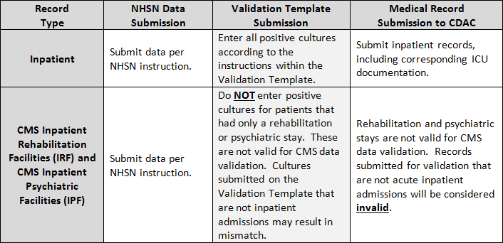
End of Spreadsheet

PRA Disclosure Statement According to the Paperwork Reduction Act of 1995, no persons are required to respond to a collection of information unless it displays a valid OMB control number. The valid OMB control number for this information collection is 0938-1022 (Expires 12/31/2022). The time required to complete this information collection is estimated to average 10 hours per response, including the time to review instructions, search existing data resources, gather the data needed, and complete and review the information collection. If you have comments concerning the accuracy of the time estimate(s) or suggestions for improving this form, please write to CMS, 7500 Security Boulevard, Attn: PRA Reports Clearance Officer, Mail Stop C4-26-05, Baltimore, Maryland 21244-1850. ****CMS Disclosure**** Please do not send applications, claims, payments, medical records or any documents containing sensitive information to the PRA Reports Clearance Office. Please note that any correspondence not pertaining to the information collection burden approved under the associated OMB control number listed on this form will not be reviewed, forwarded, or retained. If you have questions or concerns regarding where to submit your documents, please contact the Validation Support Contractor at validation@telligen.com.

