Cover Page
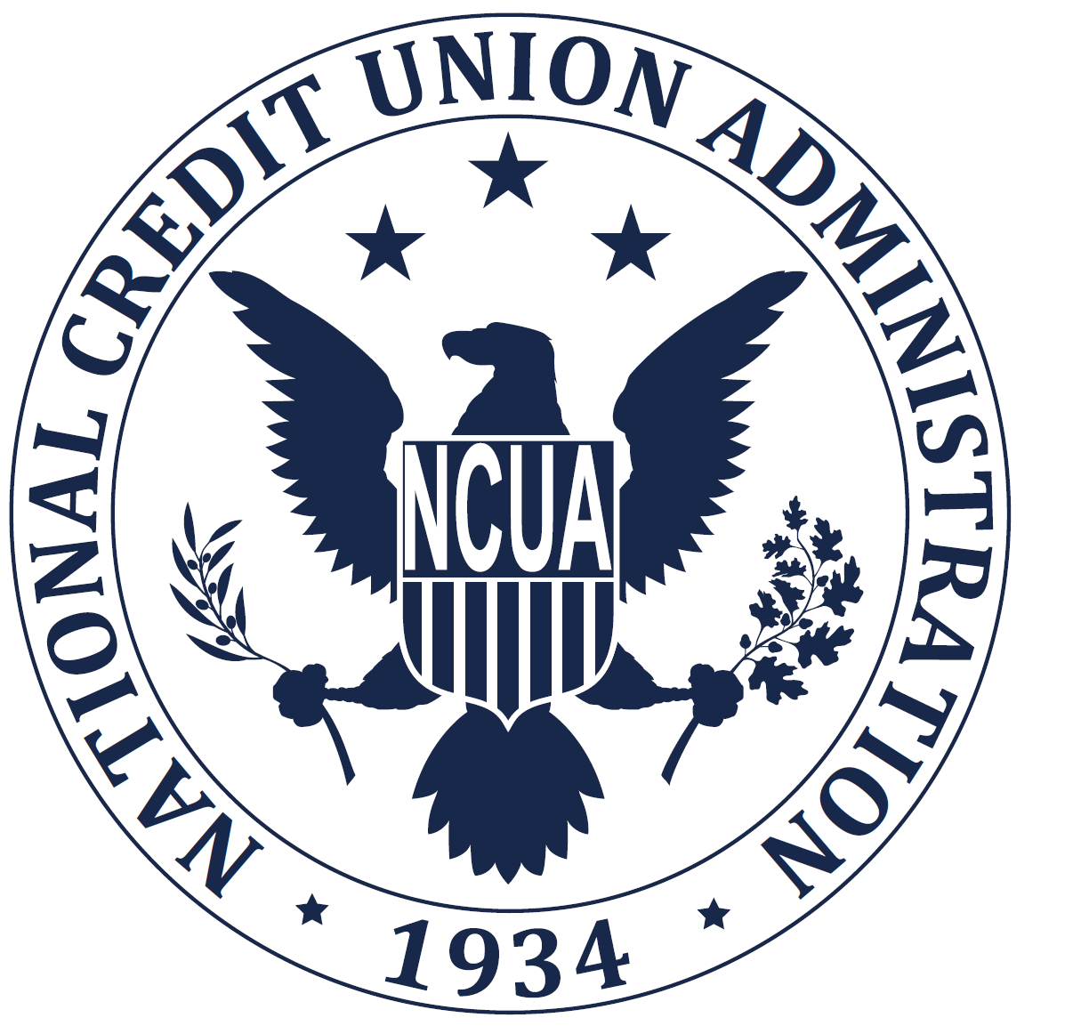
OMB No. 3133-0067
DRAFT

NATIONAL CREDIT UNION ADMINISTRATION
ALEXANDRIA, VA 22314-3428
OFFICIAL BUSINESS

5310 CORPORATE CREDIT UNION CALL REPORT
FORM AND INSTRUCTIONS

MUST BE RECEIVED BY 27th OF THE MONTH
FOLLOWING THE CYCLE END DATE
THIS FORM IS EFFECTIVE 1/1/2017 UNTIL SUPERSEDED BY ANOTHER FORM

To the Board of Directors and Chief Executive Officer of the Credit Union:

This booklet contained the monthly 5310 Call Report effective January, 2021. All corporate credit unions must complete all applicable pages of this form within NCUA's online data collection system. Once you complete the non-financial data, you only need to update it the next reporting cycle if there are additions, changes, or deletions.

If you have non-technical questions, contact your National Credit Union Administration examiner, supervisory examiner or Office of National Examinations and Supervision, as appropriate. For technical questions, contact NCUA Customer Technical Support at (800) 827-3255 or servicedesk@NCUA.gov.

DRAFT

