BLS Wages
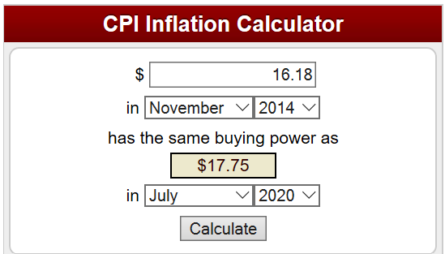
 |  |  | Year | area | area_title | area_type | naics | naics_title | own_code | occ code | occ title | group | tot_emp | emp_prse | jobs_1000 | loc_quotient | pct_total | h_mean | a_mean | mean_prse | h_pct10 | h_pct25 | h_median | h_pct75 | h_pct90 | a_pct10 | a_pct25 | a_median | a_pct75 | a_pct90 | annual | hourly
Beneficiaries |  | $17.75 | Jul-18 | The Consumer Price Index for All Urban Consumers (CPI-U) increased 0.2 percent in July on a sesonally adjusted basis after rising 0.1 percent in June, the U.S. Bureau of Labor Statistics reported today. Over the last 12 months, the all item index rose 2.9 percent before seasonal adjustment.
 |  |  | Jul-19 | The Consumer Price Index for All Urban Consumers (CPI-U) increased 0.3 percent in July on a seasonally adjusted basis after rising 0.1 percent in June, the U.S. Bureau of Labor Statistics reported today. Over the last 12 months, the all items index increased 1.8 percent before seasonal adjustment.
 |  |  | Jul-20 | The Consumer Price Index for All Urban Consumers (CPI-U) increased 0.6 percent in July on a seasonally adjusted basis, the same increase as in June, the U.S. Bureau of Labor Statistics reported today. Over the last 12 months, the all items index increased 1.0 percent before seasonal adjustment.

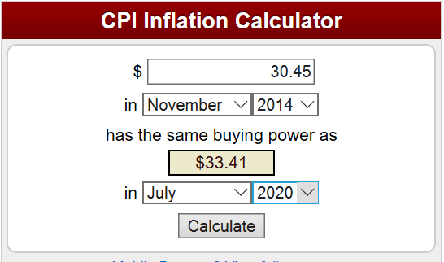
Non-Beneficiaries | Providers/Suppliers | $33.41 | Jul-18 | The Consumer Price Index for All Urban Consumers (CPI-U) increased 0.2 percent in July on a sesonally adjusted basis after rising 0.1 percent in June, the U.S. Bureau of Labor Statistics reported today. Over the last 12 months, the all item index rose 2.9 percent before seasonal adjustment.
 |  |  | Jul-19 | The Consumer Price Index for All Urban Consumers (CPI-U) increased 0.3 percent in July on a seasonally adjusted basis after rising 0.1 percent in June, the U.S. Bureau of Labor Statistics reported today. Over the last 12 months, the all items index increased 1.8 percent before seasonal adjustment.
 |  |  | Jul-20 | The Consumer Price Index for All Urban Consumers (CPI-U) increased 0.6 percent in July on a seasonally adjusted basis, the same increase as in June, the U.S. Bureau of Labor Statistics reported today. Over the last 12 months, the all items index increased 1.0 percent before seasonal adjustment.

Sources:
https://www.bls.gov/data/inflation_calculator.htm
https://www.bls.gov/bls/news-release/cpi.htm
https://data.bls.gov/timeseries/CUUR0000SA0

