Instructions
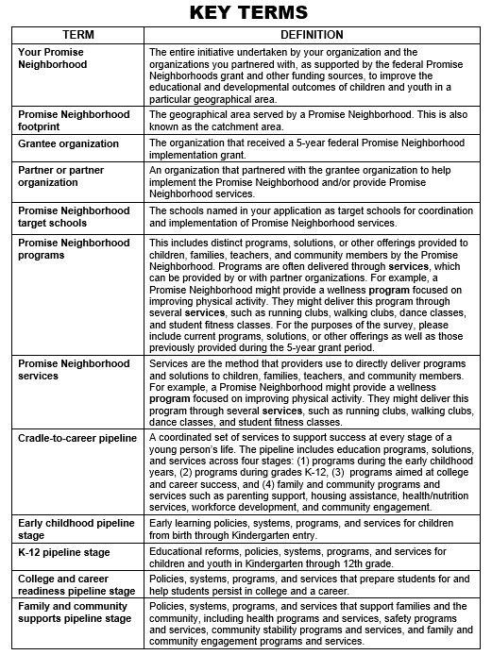
INSTRUCTIONS
The Main Workbook tab of this Excel file is meant to capture all of the programs your Promise Neighborhood has provided, or is currently providing, during the grant period for the grant you received in Fiscal Year 2016, Fiscal Year 2017, or Fiscal Year 2018. We suggest that you start to complete this Excel workbook before the Word survey, as it will help you answer questions in the survey.
Each program should be recorded on a separate row on the "Main Workbook" tab. Then please answer the questions in each column about the services offered under each program. As shown in the Key Terms box, "programs" include the distinct programs, solutions, or other offerings provided to children, families, teachers, and community members by the Promise Neighborhood. Programs are often delivered through services and can be provided by or with partner organizations. For the purposes of the survey, please include programs, solutions, or other offerings provided during the 5-year grant period.
The study team worked to pre-populate some rows and columns of the Main Workbook tab using existing data sources. We ask that you review the prepopulated information and update it as necessary. Then you can fill in the remaining columns for each program (and related services) by inputting an answer or using the drop-down options in each cell.
Please add rows and information for any additional programs provided by your Promise Neighborhood during the grant period that are not already pre-populated in the sheet.
After you fill in all of the columns for each program, you can review a summary of the data you entered in the “counts for survey” tab of the spreadsheet. You can refer to these counts when answering questions in section A of the survey.
When you are finished reviewing and filling in the spreadsheet, please email it back to Mathematica.

