Instructions
INSTRUCTIONS
Applicants may complete and submit this template, including all fillable fields within each spreadsheet (tab), in response to section IV.B.1.a of HUD's Notice of Funding Availability (NOFA) for its Community Compass Technical Assistance and Capacity Building (Community Compass) Program. The following instructions are outlined by spreadsheet (tab). These instructions are provided, in addition to the direction in the NOFA.
The completed template must be submitted timely and with the application in grants.gov, unless the applicant has received a written waiver (see IV.A. of the NOFA). The completed template does not count towards the 50-page limit for an applicant’s response to Rating Factors 1-3 of the NOFA.

Experience (for Staff/Contractors/Consultants)
To complete the Experience spreadsheet (tab), use the following instructions:

List the staff persons, along with consultant and contractor persons with whom the applicant organization has entered a formal agreement to participate in an award under this NOFA. For each person identify the: name (first and last); organization name, city, state, zip, and DUNS; role (in relation to the applicant); and qualifications. For the qualifications narrative, provide a summary of the individual’s experience, expertise, and other qualifications relevant to the activities included in the Community Compass NOFA.

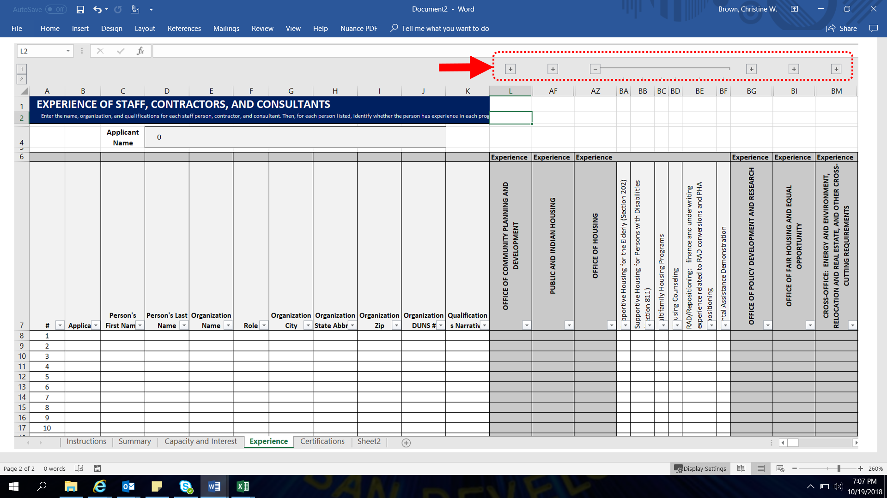
For each person listed, to add years of experience by HUD Office, use the '+' links above the column headers. This will expand and show the relevant programs/topics under that Office. To hide those programs/topics, use the '-' links.

Within each HUD Office, indicate the number of years of experience relevant to each program/topic. Include only whole numbers; do not include text or decimals. For this chart, one year means “10 months or more.” For instance, if a staff member has nine months of experience, that staff person would be considered to have zero years of experience; a contractor with 5 years 11 months of experience would be considered to have six years of experience; and a consultant with 3 years 4 months experience would be considered to have 3 years of experience.

