READ ME
12/15/2021 Introduction The Family Planning Annual Report (FPAR) 2.0 Data Elements Excel table contains all data elements that have been identified and proposed by the Office of Population Affairs (OPA) for collection and reporting by Title X Grantees as part of FPAR 2.0. OPA will consider best practices for family planning, feedback from grantees, and reporting burden when making future modifications to the data element list. This page provides an overview of the content found on each tab in the Data Elements Excel table, and instructions for using this document to facilitate FPAR 2.0 data collection and reporting. Visit OPA's site at: Family Planning Annual Report | HHS Office of Population Affairs for additional information about FPAR 2.0 as needed:
https://opa.hhs.gov/research-evaluation/title-x-services-research/family-planning-annual-report/fpar2
Background Data Elements There are 43 data elements for the calendar year 2022 reporting period. The tabs in this file display the data elements, accompanied by their respective standard terminology code system, references for their supporting value set, and codes where available. OPA is limited in its ability to make edits to this standard terminology as they are often used by many other organizations and health systems. This technical document provides electronic health record (EHR) vendors and IT departments standard codes to support precise data identification and reporting.
Standard Terminologies The two most commonly utilized standard terminologies to support reporting of the FPAR 2.0 data set are Logical Observation Identifiers Names and Codes (LOINC) and Systematic Nomenclature of Medicine Clinical Terms (SNOMED CT). LOINC and SNOMED work together to provide a common framework for identifying and exchanging FPAR 2.0 data. - Logical Observation Identifiers Names and Codes (LOINC) – Consists of codes for observations made on patients and populations. - Systematic Nomenclature of Medicine Clinical Terms (SNOMED CT) - Consists of concepts, terms, and relationships that enable effective representation of clinical information. In summary, LOINC codes ask the questions (what is it that you are observing?) and SNOMED CT codes provide the potential answer options for what you’ve observed. However, not all observations have a defined answer list/value set. For a quantitative data element, such as 'Systolic Blood Pressure', a numerical value is to be reported.
Description of Data Element Tabs The information below explains content within each tab of the Data Element file
FPAR 2.0 Data Elements
FPAR 2.0 Data Element (Long Common Name) (Column B) This column identifies and names each of the elements to be reported. The names directly correspond to the LOINC Long Common Name (LCN). The LCN is the human readable name that accompanies each LOINC term. Please note that for the following data elements, the data element name used in the FPAR 2.0 data element file are different from the LCN of the code. In these instances, the name in the FPAR 2.0 Data Element column is modified in an effort to apply user friendly terms applicable to family planning encounters.
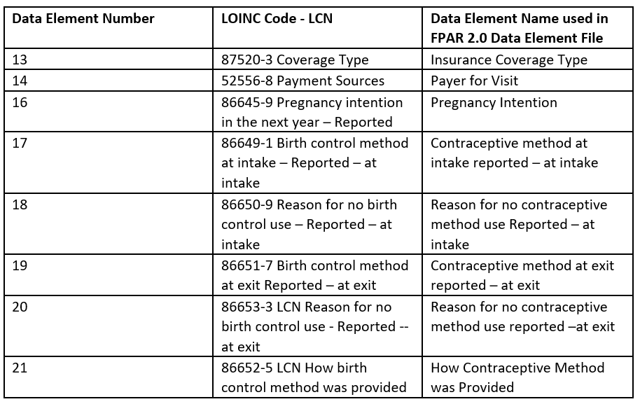 A table containing a sub-set of FPAR 2.0 data elements, in which the data element name used in the FPAR 2.0 data element file differs from that of the LCN of the code. In these instances, then name in the FPAR 2.0 Data Element column is modified to apply user friendly terms applicable to family planning encounters.
More specific information about the term is available through its multi-part LOINC Fully-Specified Name (FSN), found on the webpage linked from the ‘Data Element Code’ column of each data element. We have chosen the use of the LCN because it is more easily understood by a wider audience. Often, the FSN is harder to interpret but provides much more detail about what is being observed.
Data Element Code (If Available) (Column C) Where available, the codes listed and linked to in this column correspond to the data elements named in Column B. Report these codes to represent the data element. These codes are for computer readability and removes ambiguity when producing the annual reports.
Standard Terminology Code System (Column D) This column lists the standard terminology system to which the listed data element and code are located. For more information, refer to the section on Standard Terminologies above.
Term Description (Column E) Where available, this column provides a description for each data element. This description has been pulled directly from the published standard terminology code system, most often LOINC. These descriptions help to provide further information regarding the intended use of the code in data collection and reporting.
Value Set/Answer List Name (Column F) This column contains the name of the value set or answer list that contains the possible coded result values/answers/response options for the data element, where available. Like the term’s LCN, this column provides the Answer List Name/Description exactly as it is listed in LOINC. This is the human readable name that accompanies each answer list.
Response Descriptions (Column G) This column lists descriptions for acceptable answers/result values contained within the selected answer list. As previously described, not all data elements will have a coordinating answer list or result values. For example, a data element may be quantitative and will have a numerical value reported. In this case, ‘Not applicable’ is listed. Additionally, answer lists may represent the possible answers/result values for more than one data element. For example, the example answer list LL365-8 contains the answers 'Yes' and 'No' and is utilized with multiple data elements.
Expected Codes/Values (Column H) Where available, entries in this column provide a link to codes for expected responses for each data element listed in column B.
Value Set OID (If applicable) (Column I) An OID is utilized by ISO (International Organization for Standardization) and is a string of numbers that uniquely identifies the object. In this case, value set OIDs are displayed in this column, where available. Implementers may find it useful to reference the value set OID in the Value Set Authority Center to identify the response options and codes within the value set.
Panels for Laboratory Tests Panels are also utilized to identify potential results of performed lab tests. These panels are listed on the main tab (FPAR 2.0 Data Elements), and full details for each panel are displayed in a separate tab, per panel (Pap tests, HPV tests, Chlamydia tests, Gonorrhea tests, HIV tests, and Syphilis tests). There is also a panel for Chlamydia Trachomatis and Neisseria Gonorrhoeae combined tests. Grantees are expected to report both the 'Data Element Code' (to identify the specific test ordered) and the 'Expected Codes/Values' (to identify the result) associated with each test.
A Note on ‘Not Applicable’ and ‘–’ Throughout 'Not Applicable' is utilized in instances where it is not possible to have that information made available (i.e. Answer Lists: not all terms will have an answer list; some are open responses). A '-' is utilized in instances where that information could be made available but is not (i.e. Term Descriptions: all terms could have a description but not all have one available in LOINC).
End of worksheet

