Welcome and Thank You Text
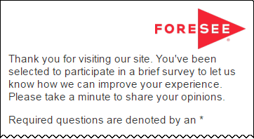
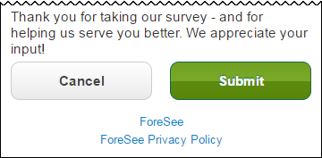
The text you see here will appear at the top and bottom of your survey, examples below.
Default text is included and you may modify this text as needed.

Welcome and Thank You Text

 | Welcome Text

 | We’d welcome your feedback! Please let us know how to improve our site so we can better serve you.

 | Thank You Text

 | Thank you for taking our survey - and for helping us serve you better. We appreciate your input!

 | Example Mobile

