Test Labs and Certifiers
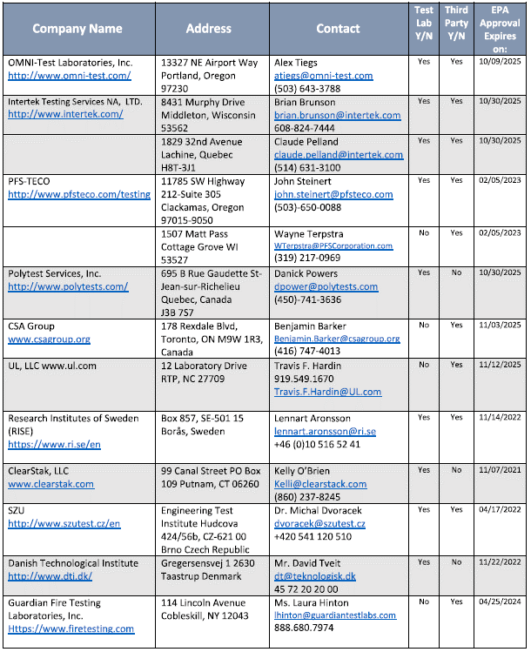
EPA Test Lab and Thid Party Certifiers data. EPA Approved Test Labs and Third Party Certifiers April 07,2021 (pdf) (04/07/2021)
https://www.epa.gov/sites/default/files/2021-04/documents/epa_approved_test_labs_and_third_party_certifiers_april_2021.pdf

