Instructions
United States Department of Transportation National Highway Traffic Safety Administration NHTSA CAFE Credit Trade Cost Reporting Form NHTSA Form Number 1621 49 CFR 536.8, 49 CFR 536.5(c)(6), and 49 CFR 536.7 Version Number: 1.0; Last Revision: 08/31/2021; Expiration Date: xxxxxxxxxx

 | A. Data Definitions
 | The template commences with the Data Definitions and Required Documents tab. This worksheet provides the user with the worksheet name, location, data source, data type/format, data definition/description, and regulatory citation for each data field within the template. The Data Definitions and Required Documents worksheet is a guide that users can reference when completing the template.

 | B. Details
 | This worksheet is where users provide details to NHTSA about the Trade related to the Transaction ID (generated in NHTSA Credit Template).
 | Below are the steps on how to fill the Details Tab in CAFE Credit Value Template.

 | Once selected Yes for the associated Monetary and/or Non - Monetary trades, the Monetary and/or Non - Monetary tab(s) will pop out.
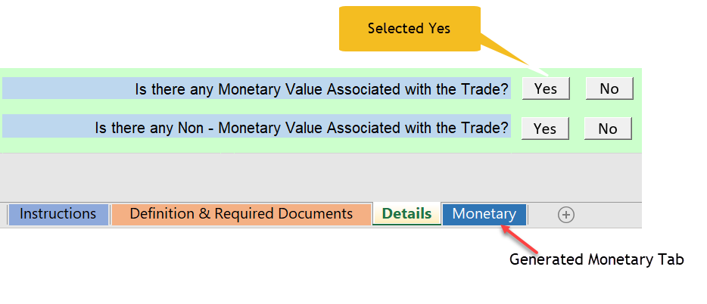

 | C. Monetary
 | This worksheet is where users provide details to NHTSA pertaining to Monetary Value of the Trade.
 | Below are the steps on how to fill the Monetary Tab in CAFE Credit Value Template.

 | D. Non - Monetary
 | This worksheet is where users provide details to NHTSA pertaining to Monetary Value of the Trade.
 | This section is divided into 5 parts: A. Does the trade involve non - monetary exchange of credits between the manufacturers? B. Corporate Relationships and Controls C. Exchanged Technology D. Shared Technology E. Other Non-Monetary Factors
 | Each section has option to choose from "Yes" or "No". If selected "Yes" then the user is required to provide the required information. The space provided in each section is to describe the documents that are required to justify the Non - Monetary Trade. User is required to explain in detail any Non - Monetary Trade in a separate attachment. User is also required to submit all the copies of supporting documents such as signed documents describing non-monetary exchanges
 | Below are the steps on how to fill the Monetary Tab in CAFE Credit Value Template.

