Q. Training Feedback Form
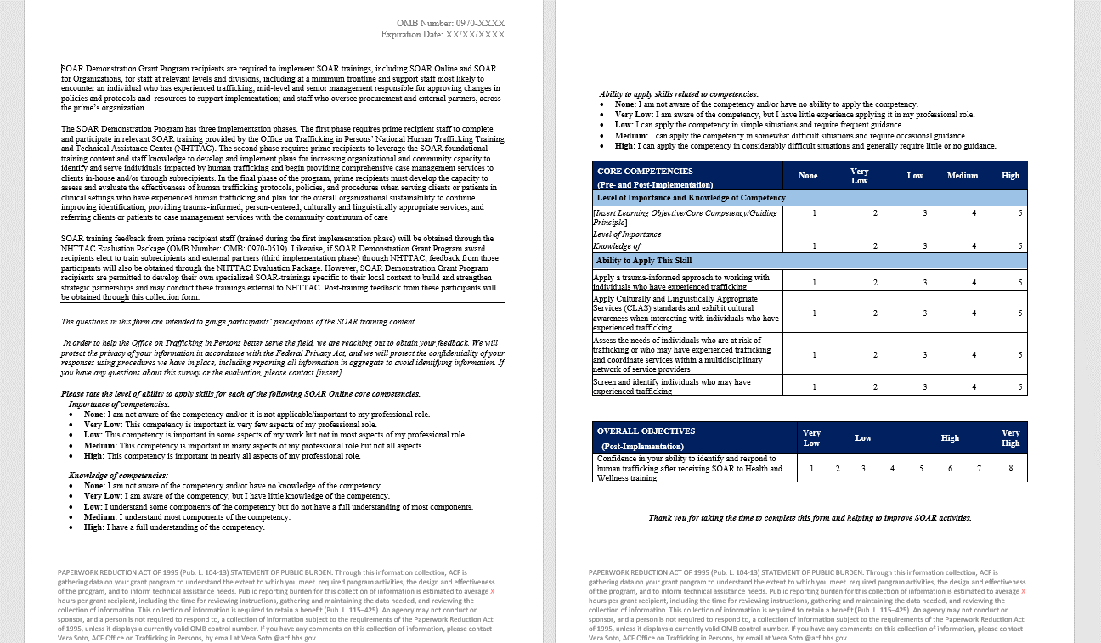
Separate PDF based form; obtained through SOAR/NHTTAC implementation
See TAB F: SOAR Demonstration Grant Participant Training Feedback Form
Average Burden Hours per Response: 0.75 hours

