Welcome and Thank You Text

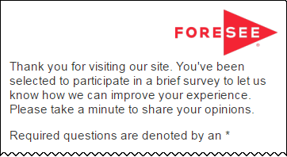
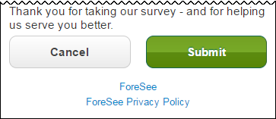
The text you see here will appear at the top and bottom of your survey, examples below.
Default text is included and you may modify this text as needed.

Welcome and Thank You Text

 | Welcome Text | Welcome Text - Tablet / Phone

 |  | Thank you for visiting ojjdp.ojp.gov. You've been selected to participate in a brief survey to let us know how we can improve your experience. Please take a minute to share your opinions.

 | Thank You Text | Thank You Text - Tablet / Phone

 |  | Thank you for taking our survey - and for helping us serve you better. We appreciate your input!

 | Example Desktop | Example Mobile

