Instructions
Column A is blank. All information begins in column B, row 1. | Reporting Template for COVID-19 Risk Corridor Reconciliation
 | Instructions
 | Overview
 | Regulations at 42 C.F.R. § 438.6 outline provisions related to payments to Medicaid Managed Care Organizations (MCOs), Prepaid Inpatient Health Plans (PIHPs), and Prepaid Ambulatory Health Plans (PAHPs)—collectively referred to as “managed care plans.” The purpose of this template is to collect and analyze reconciliations for one and two-sided risk corridors that states implemented to reduce uncertainty associated with the COVID-19 Public Health Emergency. To submit this information to the Centers for Medicare & Medicaid Services (CMS), states should complete one (1) template with information for all applicable plans within a program during a particular rating period. States are not expected to report risk corridor reconciliation results in this document for rating periods that end after December 31, 2021. If states have multiple programs that used different COVID-19-related risk corridors or have completed multiple reconciliations, they should submit one (1) template per reconciliation. Consistent with the Managed Care Program Annual Report (MCPAR) required by 42 C.F.R. § 438.66(e), this template defines a program as a group of plans that have a specified set of benefits, eligibility criteria, and capitation rate cells that are articulated in a contract between the state and managed care plans. Information that states submit in this template will assist CMS in helping oversee the performance of state Medicaid managed care plans. Questions regarding the completion of this template should be sent to: ManagedCareTA@cms.hhs.gov.

 | Organization
 | This template is dynamic and contains formulas to help states submit the information to CMS efficiently and accurately. It includes three tabs (Tabs I, II, and III), which states should fill out in succession. When opening a new file, states will only see this current "Instructions" tab and Tab I. States will use macro-enabled buttons to unhide tabs II and III as they proceed through the reporting process (see “Inputting Information”). In Tab I ("State, program, and plan information"), states should provide general information about the program, the managed care plans (up to 40 plans) and the COVID-19 related risk corridors that have been implemented. Information entered here will determine the layout of the subsequent Tabs II and III. In Tab II ("Risk corridor reconciliation information"), states should provide details on the risk corridor structure and report on plan-level revenue and expenses that are eligible for reconciliations according to the risk corridor. Information entered here will feed into the imbedded formulas that will calculate the final reconciliation amounts. In Tab III ("Detailed plan revenue and expenses"), states should provide detailed breakdowns on plan-level revenue and expenses by month or quarter; states also have the option of reporting specific revenue/expense sources eligible for reconciliations.

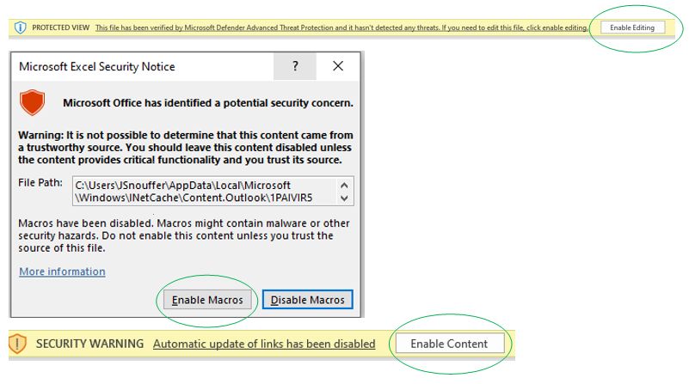
 | Inputting information
 | A description of how to input information is provided below. Subsequent sections/tabs provide further instructions on how each item should be reported in the “Item Instructions” column. The types of data to be entered (for example, free text, numerical or drop-down list of set values) are specified in the “Data Format” columns. Cells are color coded based on their contents, as follows:
 | BEIGE: Cell is a required data entry item. States must follow instructions and input the type of data as specified.

 | BLUE: Cell is an optional data entry item. States may follow instructions and input the type of data as specified. These items will also have "(Optional)" in the description.

 | GREY: Cell contains a formula and is automatically filled once input data is entered. Grey cells are locked for data entry; states should not attempt to change anything.

 | GREEN: Cell contains example data, for reference only. States can refer to the example before they complete the relevant items.

 | WHITE: Cell contains instructions, for reference only. States should not attempt to change anything.

 | NOTE: This template requires the use of macros. You may not use this file in "read-only" mode but must save this file. If you have not already enabled content on this file, please do so now. The image on the right shows prompts you may receive and circles the items that a user must select to enable full functionality. NOTE: The template is dynamic and all information in the first tab “I_State, program, and plan info” must be completed before entering data in subsequent tabs.

 | Tab I. State, Program, and Plan Information
 | I.A. State and Program Information States should use this section to report their contact information, date of report submission, program information, and other related information. All items are required. I.B Plan Information States should use this section to report information of applicable plans (up to 40 plans) for the risk corridor. All items are required. I.C Risk Corridor Information States must enter all information in this section to determine the layout of the subsequent Tabs II and III. Only information on programs with risk corridors that are specific to the COVID-19 Public Health Emergency should be provided in this template. I.D Covered Providers - Optional If the risk corridor covers a specific program, states may use this section to report the types of provider covered under the program. States can enter "N/A" if the risk corridor is "state-based", meaning the risk corridor applies uniformly to all managed care programs within the state. After completing Tab 1, please click the "Proceed to Tab II" button. This will allow the layout of Tabs II and III to match information provided in Tab I.

 | Tab II. Risk Corridor Reconciliation Information
 | II.A. Risk Corridor Features States should use this section to describe key features of the risk corridor being reported on, such as number of bands and target methodology. After completing this section, please click the "Continue Tab II" button to complete the remaining Tab II items. This will allow the layout of the subsequent sections to match features described in Section II.A. II.B. Risk Corridor Band Boundaries States should use this section to specify the risk corridor band boundaries as well as the risk sharing percentages in line with the state’s design of the risk corridor. An example is provided to illustrate how states should complete this section to ensure that the formula-driven reconciliation amounts are calculated correctly. II.C. Eligible Revenue and Expenses for Determining Reconciliations States should use Items II.C.1 and II.C.2 in this section to report the risk corridor target and actuals in terms of the eligible revenue and expense for determining reconciliation amounts for each plan in the risk corridor. After completing Items II.C.1 and II.C.2, please proceed to review item II.C.3, sections II.D through II.G and item II.H.1, which have been pre-populated with formulas to automatically calculate the reconciliation amount according to the risk corridor being reported on. No data entry is allowed with these items. II.H. Federal Share of Reconciliation After confirming the reconciliation amounts as calculated, states should use items II.H.2 through II.H.4 to report the federal and non-federal shares of the gross reconciliation payment. If the state has not established the final federal share amount, please provide an estimate. Please contact ManagedCareTA@cms.hhs.gov, if the total reconciliation amounts shown in items II.G.1 and II.H.1 is not as expected. Click the "Proceed to Tab III" button. This will allow the layout of Tab III to match information provided in Tab II.

 | Tab III. Detailed Plan Revenue and Expenses
 | III.A Monthly/Quarterly Plan Revenue and Expenses States should use this section to report a monthly or quarterly (per item I.C.3) breakdown of plan revenue and expenses that are eligible for the risk corridor reconciliation. For quality assurance, the template automatically compares annual revenue and expenses as reported in Tab II. This is the last required item in this template. III.B Revenue Sources by Plan (Annual) - Optional States may report annual breakdown by revenue sources (per item II.A.5). This section is optional, but states are highly encouraged to provide additional detail that will assist in the CMS review of the reconciliation results. III.C Expense Sources by Plan (Annual) - Optional States may report annual breakdown by expense sources (per item II.A.6). This section is optional, but states are highly encouraged to provide additional detail that will assist in the CMS review of the reconciliation results.
 | End of worksheet

PRA Disclosure Statement The purpose of this template is to collect data detailing the financial reconciliations of risk corridors implemented to address managed care uncertainty due to the COVID-19 public health emergency. The requirements to complete this template are voluntary. Under the Privacy Act of 1974 any personally identifying information obtained will be kept private to the extent of the law.
According to the Paperwork Reduction Act of 1995, no persons are required to respond to a collection of information unless it displays a valid OMB control number. The valid OMB control number for this information collection is 0938-1148 (CMS-10398 #79). The time required to complete this information collection is estimated to average 3 hours per response, including the time to review instructions, search existing data resources, gather the data needed, and complete and review the information collection. If you have comments concerning the accuracy of the time estimate(s) or suggestions for improving this form, please write to: CMS, 7500 Security Boulevard, Attn: PRA Reports Clearance Officer, Mail Stop C4-26-05, Baltimore, Maryland 21244-1850.

