Registration Type
What Type of Registration do you need? (select all that apply)
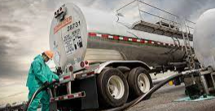
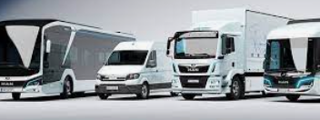

Motor Carrier (US/CA) - I am a business or individual that transports goods or passengers using trucks or other motor vehicles.

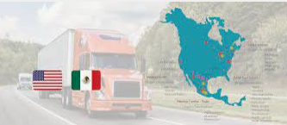

Motor Carrier (MX/NNA) - I am a business or individual that transports goods or passengers using trucks or other motor vehicles between the US and Mexico or between US and a country outside North America?

Broker - I am a person or business that, for compensation, arranges, or offers to arrange, the transportation of property by an authorized motor carrier.

Freight Forwarder - I am a person or business that organizes the transportation of goods for others, handling tasks like shipping, storage, and delivery coordination.

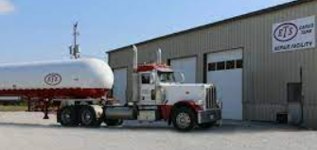

Cargo Tank Facility - I have a site designated for the inspection, testing, and maintenance of cargo tanks used for transporting hazardous materials or liquids.

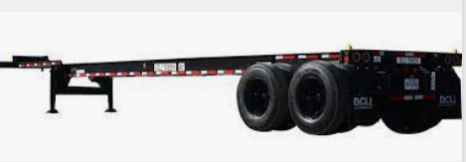

Intermodal Equipment Provider (IEP) - I have a company that supplies the equipment—such as containers and chassis—used to transport goods via multiple modes of transportation, like trucks, trains, and ships, facilitating seamless logistics across various transportation networks.

None of the above - Please reach out to the FMCSA Contact Center if you have additional questions.

MC HM & HMSP
Section | Questions | Required | Optional | Smart Logic | Owner | Legal Review | Notes | Display Rules (aka Predicates) | Question ID | Section Name | Section Order | Page Name | Page Order | Question Group name | Question Group Order | Question Order | DB Mapping
 | See Smart Logic Requirement |  |  | FRS would not process a request for a revoked or suspended registration and instead provide the user with instructions on what they need to do to activate their registration. |  | 2024-04-22
 | See Smart Logic Requirement |  |  | FRS users need the option to be presented with these questions if they want to add HM or HMSP to their new or existing motor carrier safety registration or want to renew their HMSP that they are required to do every two years. If they are already have a USDOT Number holding motor carrier Safety registration, the FRS needs to allow the HMSP application to proceed when the following conditions are met in the FMCSA safety systems: Display the current safety rating for the entity and only allow the entity to add HMSP if their rating is "Satisfactory"; The crash rate is below the threshold for the current registration cycle that FMCSA has determined represents the percentage above which the carrier falls into the top, or worst-performing 30 percent of the national average; and The driver, vehicle, and hazardous material out-of-service rates are below the respective threshold in each of these areas, FMCSA has determined represents the percentage above which the carrier falls into the top, or worst-performing 30 percent of the National average. |  | 2024-04-22
 | See Smart Logic Requirement |  |  | Need to confirm what questions Shippers would be presented with (I'm assuming it's the same) FRS also needs a way for the public to search if an entity has an active HMSP (this is not on SAFER proper, but an additional page was added at: https://safer.fmcsa.dot.gov/mcs150t/pkg_shipper.prc_shipper_request) | MC-EC/MCRS | 2024-04-22 | Joan response- Shippers are presented with the same questions, but should not have the ability to select "C" for hazmat carried in the Hazardous Materials Section of the MCS-150 if they have registered in URS as shipper only operations. The database should never generate a MCS-150B for a Shipper Only operation regaurdless of hazmat selected.
 | See Smart Logic Requirement |  |  | All HMSP applications must be auto-screened for vetting and if the application passes the check, the application would be queued as pending for HM Division review and appropriate processing. | MC-EC/MCRS | 2024-04-22
 | See Smart Logic Requirement |  |  | FRS would have an MOU in place with PHMSA to validate the HMSP applicant's registration with them. MOU to verify # | MC-EC/MCRS | 2024-04-22
Hazardous Materials | Select the type of hazardous materials you transport | Yes for HM and HMSP Applicants |  | FRS would present user with this question if they selected "Property Hazardous Materials" as the "Motor Carrier Type" Include the interactive graphic for users to select their correct Class(es). See graphic. Once they have selected their Class of HM, they will need to see all the Divisions/Types we need to record data on in another screen for them to confirm and enter the quantity of how much they will transport. (Type and quantity will determine if they need the additional HM Safety Permit ... see logic below) | MC-EC/MCRS | 2024-04-22
 |  | Yes for HM and HMSP Applicants |  | For Division 1.1, 1.2, 1.3, 1.5, the sheet from the HM Division has B and NB in green assuming that HMSP is applicable in any amount, but the text note at the bottom says “More than 25 kg (55 pounds)” does this amount meet both the B and NB definitions? Instead of B and NB, FRS should state More than 25K or Under. Verify with Joan. (See notes for the response) | MC-EC/MCRS | 2024-04-22 | The requirement for a HMSP is for 25kg NET EXPLOSIVE MASS or more. This does cover both Bulk and Non-Bulk. Joan response - If the carrier selects an explosive on the initial application and selects this hazmat specific question that they transport "More than 25 kg (55 pounds) net weight of a Division 1.1, 1.2, or 1.3 (explosive) material or an amount of a Division 1.5 material requiring placarding (bulk- 454 kg or 1,001 lbs. or more ) - then they need a permit regaurdless if they mark bulk or non-bulk for Div.1.1,1.2 and 1.3. Per the PHMSA definition of In bulk, it explains Div. 1.1,1.2, 1.3, 2.3A and 6.1A are considered bulk in any quantity. So should/can the boxes "bulk or non-bulk" be removed completly for Div.1.1,1.2 and 1.3 if the permit is required regaurdless of the quantity?
 | Class 1 (Explosives) include Divisions 1.1, 1.2, 1.3. 1.4, 1.5, and 1.6 | Yes for HM and HMSP Applicants |  | FRS also needs to present the user with a description of each type within the Class if they need it. Otherwise they can just select the Bulk or Non-Bulk quantity of the material they will transport and move to the next step. These text descriptions are located at: https://li-public.fmcsa.dot.gov/mcmisfile/hazardous_materials_carried_or_shipped.htm Who requires HMSP Permit? https://www.fmcsa.dot.gov/regulations/hazardous-materials/advisory-guidance-application-49-cfr-section-385403-who-must-hold The following Class 1 (Explosives) Divisions require the HMSP questions: Division 1.1 (Any Amount, Bulk/Non-Bulk) Division 1.2 (Any Amount, Bulk/Non-Bulk) Division 1.3 (Any Amount, Bulk/Non-Bulk) Division 1.5 (Any Amount, Bulk/Non-Bulk) | MC-EC/MCRS | 2024-04-22
 | Class 2 (Gases) include Divisions 2.1 (Flammable Gas), Division 2.1 (Liquefied Petroleum Gas [LPG]), Division 2.1 (Methane), Division 2.2, Division 2.2D (Ammonia), Division 2.3A, Division 2.3B, Division 2.3C, and Division 2.3D | Yes for HM and HMSP Applicants |  | The following Class 2 (Gases) Divisions require the HMSP questions: Division 2.1 (Methane) for a Bulk amount which equates to shipments of compressed or refrigerated liquid methane or liquefied natural gas with a methane content of at least 85% in a bulk packaging that has a capacity greater than 13,248 L (3,500 gallons). Division 2.2D (Ammonia) for a Bulk amount which equates to more than 1 liter (1.08 quarts) per package) Division 2.3A (Any Amount, Bulk/Non-Bulk) Division 2.3B for Bulk amount which equates to a capacity greater than 450 liters (119 gallons) Division 2.3C for Bulk amount which equates to a capacity greater than 13,248 L (3,500 gallons) Division 2.3D for Bulk amount which equates to a capacity greater than 13,248 L (3,500 gallons) | MC-EC/MCRS | 2024-04-22 | 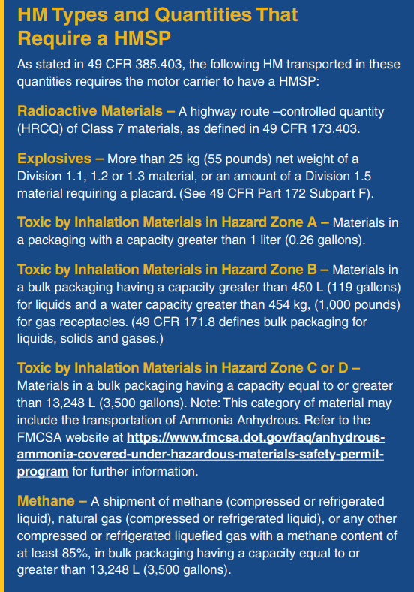
 | Class 3 (Flammable Liquid and Combustible Liquid) include Class 3 Flammable Liquid, Class 3 Combustible Liquid, Class 3A, and Class 3B | Yes for HM and HMSP Applicants |  | The following Class 3 (Flammable Liquid and Combustible Liquid) types require the HMSP questions: Class 3A (Any Amount, Bulk/Non-Bulk) Class 3B Bulk amount which equates to a capacity greater than 13,248 L (3,500 gallons) | MC-EC/MCRS | 2024-04-22
 | Class 4 (Flammable Solid, Spontaneously Combustible, and Dangerous When Wet) include Divisions 4.1, 4.2, 4.3 | Yes for HM and HMSP Applicants |  | None of these Divisions require an HMSP but should be presented to all users of HM | MC-EC/MCRS | 2024-04-22
 | Class 5 (Oxidizer and Organic Peroxide) include Divisions 5.1 and 5.2 | Yes for HM and HMSP Applicants |  | None of these Divisions require an HMSP but should be presented to all users of HM | MC-EC/MCRS | 2024-04-22
 | Class 6 (Poison [Toxic] and Poison Inhalation Hazard include Divisions 6.1 (Poison), 6.1 (Solid), 6.1A, 6.2, and 6.2B | Yes for HM and HMSP Applicants |  | The following Class 6 (Poison [Toxic] and Poison Inhalation Hazard Divisions require the HMSP questions: Division 6.1A (Any Amount, Bulk/Non-Bulk) Division 6.2B Bulk amount which equates to a capacity greater than 13,248 L (3,500 gallons) | MC-EC/MCRS | 2024-04-22
 | Class 7 (Radioactive) includes Class 7 and Highway Route Controlled Quantities (HRCQ) | Yes for HM and HMSP Applicants |  | HRCQ Class 7 (Radioactive) requires the HMSP questions. | MC-EC/MCRS | 2024-04-22
 | Class 8 (Corrosive) includes Class 8, Class 8A, and Class 8B | Yes for HM and HMSP Applicants |  | The following Class 8 (Corrosive) types require the HMSP questions: Class 8A (Any Amount, Bulk/Non-Bulk) Class 8B Bulk amount which equates to a capacity greater than 13,248 L (3,500 gallons) | MC-EC/MCRS | 2024-04-22
 | Class 9 (Miscellaneous) include Elevated Temperature Materials, Infectious Waste, Marine Pollutants, Hazardous Substance in a Reportable Quantity, Hazardous Waste, and Other Regulated Materials (ORM) | Yes for HM and HMSP Applicants |  | None of these types require an HMSP but should be presented to all users of HM Need to check with HM Division if Other Regulated Materials (ORM) is still a thing because there's a rulemaking phasing it out that we need to check on: https://www.phmsa.dot.gov/training/hazmat/orm-d-phase-out (See notes for the response) | MC-EC/MCRS | 2024-04-22 | ORM has been replaced by Limited Quantity.
 | Based on the HM Section above, FRS will present the HMSP Section below as applicable. |  |  |  | MC-EC/MCRS | 2024-04-22
Motor Carrier Hazardous Materials and HM Safety Permit | Provide the U.S. Department of Transportation Pipeline and Hazardous Materials Safety Administration (PHMSA) Registration Number | Yes for HMSP Applicants |  | If they selected a category that falls under the HMSP requirements, but don't have a PHMSA number, FRS needs to allow them to save their application and direct users to register first online at: https://www.phmsa.dot.gov/registration/registration-overview to proceed. FRS needs to use the API with PHMSA to verify that the number is correct and active before the user may proceed with FMCSA registration. The API with PHMSA also needs to revoke their HMSP status if their registration was not maintained. | MC-EC/MCRS | 2024-04-22
 | How Many Accidents Have You Had in the Past 12 Months? An accident means an occurrence involving a commercial motor vehicle operating on a highway in interstate or intrastate commerce which results in: A fatality; bodily injury to a person who, as a result of the injury, immediately receives medical treatment away from the scene of the accident; or one or more motor vehicles incurring disabling damage as a result of the accident, requiring the motor vehicle(s) to be transported away from the scene by a tow truck or other motor vehicle. An accident does not include: An occurrence involving only boarding and alighting from a stationary motor vehicle; or an occurrence involving only the loading or unloading of cargo. | Yes for HMSP Applicants |  | For HM Division: Will this question apply to new applicants to just to those renewing? If there's an accident that meets our definition, wouldn't that be recorded in our safety systems to bounce against without having to ask the customer? (See notes for response) | MC-EC/MCRS | 2024-04-22 | This question should only be applicable to new applicants. Once a safety profile is started, the accident information should transfer to the MCS-150B.
 | Do you have a HM Safety Permit issued by a State? If Yes, check the State(s) in which you have a HM Safety Permit. | Yes for HMSP Applicants |  | Need to confirm if this is a requirement or simply a survey data collection for future analysis. (See notes for response) In case the customer doesn't know, FRS can offer a link so they can check which permits they need through this site, which shows the status for every State: https://www.ncsl.org/transportation/state-hazardous-materials-transportation | MC-EC/MCRS | 2024-04-22 | Question is for data collection only. The state permit information is not a factor in FMCSA permit issuance. Yes - a link would be very helpful to the customer. -Joan
 | Do you certify your company has a Satisfactory Security Program in place (and associated training) according to 49 CFR §172.802? | Yes for HMSP Applicants |  | This would be a certification question more than a Yes/No question. No need to upload any documents. See notes. Company Official should be the one certifying to this question, not a third party rep. | MC-EC/MCRS | 2024-04-22 | We cannot compel the carrier to submit Security Plans due to their sensitivity. On the other hand, we could ask for the Training records. But, this would be a nightmare, especially for a large company with turnover. Just a thought related to paperwork and time burdens. Joan response-The field is trained to review the security documentation and gives final determination, but providing a link to Security Plans would benifit the customer to provide reference material, Safety Security Plan 172.802 eCFR :: 49 CFR 172.802 -- Components of a security plan. This is a link to training requirements https://www.fmcsa.dot.gov/regulations/hazardous-materials/how-comply-federal-hazardous-materials-regulations
 | Based on your selection(s), your insurance requirement is: [Display Amount and Description] [Insert text from the FRS Insurance screen on how/when to file insurance] | No Input from customer |  | FRS should use smart logic to determine insurance requirements. Use the cheat sheet provided titled: HM Public Liability Flowchart (in SharePoint) If Operating Authority Registration exists or being applied for, HM section should update the requirement as needed. For HM, $5 Million is required for any Bulk quantities, any quantity (Bulk, Non-Bulk) of any Division 1.1, 1.2 or 1.3 Explosive For-hire and private carriers; Interstate or Foreign in vehicles of any GVWR; and Intrastate in vehicles ≥ 10,001 pounds GVWR | MC-EC/MCRS | 2024-04-22 | Joan response- I feel a link to the insurance "reference sheet" gives the customer clarification on the insurance requirement and how it relates to inter/intrastate operations and GVWR. Also, provide information on the MCS-150B that a MCS-90 or 82 are required for public "for hire carriers" (mabey a pop up box on the MCS-150B where they select operation type). "Private" operations are not required to provide an MCS-90, but I request a COI as proof of auto liability since the Authority to Operate insurance filing is not visible because it's not required.
 | I, [Enter Name], certify that I am familiar with the Federal Hazardous Materials Regulations. Under penalties of perjury, I declare that the information entered on this report is, to the best of my knowledge and belief, true, correct, and complete. Enter Signature, Title, Date | Yes for HM and HMSP Applicants |  |  | MC-EC/MCRS | 2024-04-22
 | Required Supporting Documentation A communications plan that details a system of communication that enables the vehicle operator to contact the motor carrier during the course of transportation including maintenance of these communications records; and A written route plan that meets the requirements of 49 CFR §397.101 for highway route-controlled Class 7 (radioactive) materials or 49 CFR §397.67 of this chapter for Division 1.1, 1.2, and 1.3 (explosive) materials. | Yes for HMSP Applicants |  | Need to confirm if they are required to have a safety plan in place prior to registration being granted or if they can do so within the review timeframe or in a certain timeframe after registration is granted. (See notes) The written route plan is only applicable if the user selected the Class 7: Radioactive option FRS will provide a list of documents they may require to provide to have the HMSP Permit approved. FRS to have a place to store and encrypt documents. | MC-EC/MCRS | 2024-04-22 | Security plans need to be in place prior to granting of the HMSP or T-HMSP. Joan respons- This link covers most requirement needed to prepare for the subsequest compliance investigation that verifies the carrier has sufficient safety/security plans - https://www.fmcsa.dot.gov/regulations/hazardous-materials/how-comply-federal-hazardous-materials-regulations , this is the link to the components of the security plan - eCFR :: 49 CFR 172.802 -- Components of a security plan.
 | For More Information on the FMCSA HMSP Program, visit [Insert Hyperlink Tag for the site: https://www.fmcsa.dot.gov/regulations/hazardous-materials/hazardous-materials-safety-permit-program-hmsp] | No Input from customer |  | Display at the end of the application only for HMSP Applicants | MC-EC/MCRS | 2024-04-22

Motor Carrier Passenger
Section | Questions | Required | Optional | Smart Logic | Owner | Legal Review | Notes | Display Rules (aka Predicates) | Question ID | Section Name | Section Order | Page Name | Page Order | Question Group name | Question Group Order | Question Order | DB Mapping
 | See smart logic to start |  |  | FRS will present the same questions as for other motor carriers up to the Motor Carrier Type section. Then only quesitons applicable to passenger carriers are to be presented.
Registration Type | 1. What type of motor carrier are you? (select all that apply) | Y |  |  |  | 2024-07-30
 | 1A. Property Carrier - I am transporting a wide range of goods or commodities but I am not a moving company. |  |  |  |  | 2024-07-30
...
 | Charter/Multi-day |  |  |  |  | 2024-07-30
 | Charter/Single-day |  |  |  |  | 2024-07-30
 | Commuter/Transit |  |  |  |  | 2024-07-30
 | School Bus (Gov't, Private School, or Contractors) |  |  |  |  | 2024-07-30
 | Airport or Hotel Shuttle |  |  |  |  | 2024-07-30
 | Private Motor Carrier of Passengers (Business) |  |  |  |  | 2024-07-30
 | Private Motor Carrier of Passengers (Non-Business) |  |  |  |  | 2024-07-30
 | Migrant Workers |  |  |  |  | 2024-07-30
 |  |  |  |  |  | 2024-07-30
 |  |  |  |  |  | 2024-07-30
Vehicles | 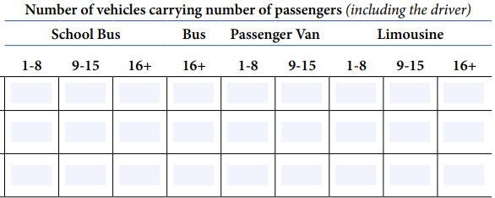 See Smart Logic |  |  | FRS will have a description of the vehicle type, then customer can add the number of vehicles: Motorcoach - no passenger count needed Bus - 9-15, 16+ School Bus - 1-8, 9-15, 16+ Van 1-8, 9-15 Limousine - 1-8, 9-15, 16+ SUV - 1-8 Sedan - 1-8 Find bus pictures to depict "Bus", run list by Bill Bannister. Confirm with Kathy if this is covered in the ICR. |  | 2024-07-30
Drivers | See Smart Logic |  |  | Same as US based property carriers |  | 2024-07-30
 |  |  |  |  |  | 2024-07-30
 |  |  |  |  |  | 2024-07-30
 |  |  |  |  |  | 2024-07-30

Affiliations Certification (All Entities) |  |  |  | Affiliations section same as others.
 | Disclose any relationship you have or have had with any other FMCSA-regulated entity (including entities licensed by the FHWA, OMCS, or ICC) within the past three years. Examples include, but are not limited to, a percentage of stock ownership, a loan, or a management position. If this requirement applies to you, provide the name of the company, MC/FF Number, USDOT Number, and that company’s latest DOT safety rating. If you require more space, attach the information to this application form. | Y |  | Present this section right before the Safety Certifications.
 | 1. Enter USDOT number(s) and Entity name of the entities they are affiliated with
...

FF
...
