Sheet1
Please add the Legal Entity Identifies (LEI) as noted below.

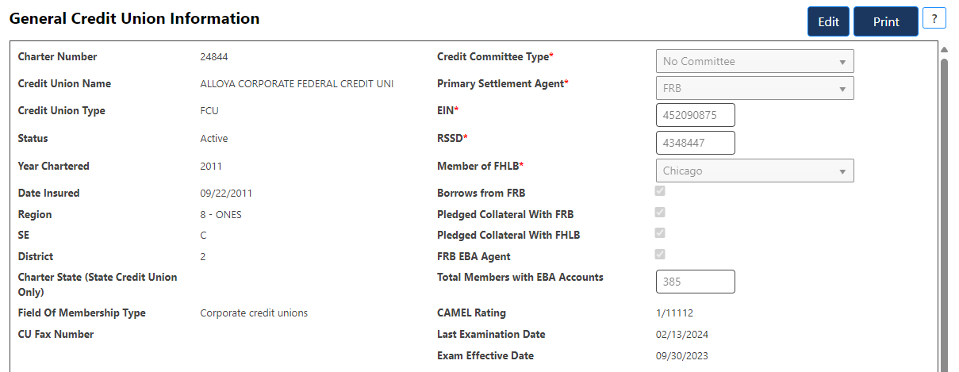
 | Plese add the LEI between the EIN and RSSD.
 | The LEI should function the same way it does for CU Online.

 | The help tip for the LEI should state:
 | Provide the corporate credit union's Legal Entity Identifier (LEI):

