Instructions
Trafficking Victim Assistance Program (TVAP) Background | How to Use This Workbook
The Trafficking Victims Protection Act of 2000 (TVPA), as amended, authorizes the Secretary of Health and Human Services (HHS) to expand benefits and services to foreign nationals in the United States who are victims of severe forms of trafficking in persons. Such benefits and services may include services to assist potential victims of trafficking. Section 107(b)(1)(B)(i) of the TVPA (22 U.S.C. § 7105(b)(1)(B)(i)) authorizes the Secretary of HHS to expand non-entitlement benefits and services to victims of severe forms of trafficking in persons in the United States and their family members with derivative T visas. It further states that such benefits and services “may include services to assist potential victims of trafficking in achieving certification and to assist minor dependent children of victims of severe forms of trafficking in persons or potential victims of trafficking.” The Trafficking Victim Assistance Program (TVAP) is inclusive of four distinct programs: the Trafficking Victim Assistance Program (TVAP), Aspire: Child Trafficking Victim Assistance Demonstration Program, Victims of Human Trafficking Services and Outreach Program – Pacific Region Demonstration Program (VHT-SO Pacific Program), and Lighthouse: Services, Outreach, and Awareness for Labor Trafficking (Lighthouse) Demonstration Program. The performance indicators contained within this reporting workbook should be submitted for all four TVAP programs. TVAP award recipients must provide program performance indicator data to OTIP on a quarterly and annual basis, as indicated. OTIP collects information to measure grant project performance, provide technical assistance to grant recipients, assess program outcomes, improve program evaluation, respond to congressional inquiries and mandated reports, and inform policy and program development that is responsive to the needs of victims. The information collection captures information on participant demographics (e.g., age, sex, and country of origin | 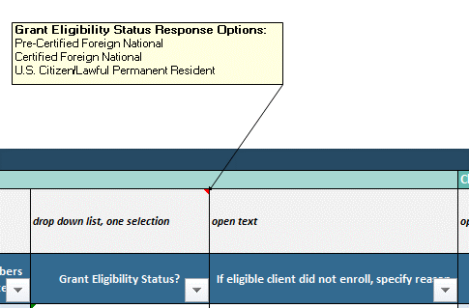 Trafficking Victim Assistance Program (TVAP) grant recipients are expected to submit client program entry, delivery barriers and monitoring, client case closure, outreach, and partnership development data to OTIP on a quarterly basis and client service use and costs of services data on an annual basis. The name of each quarterly submission tab will start with a 'Q.' The name of each annual submission tab will start with 'FY.' Over the course of the TVAP program, grant recipients will use the OMB-approved forms below to collect data from clients and program partners. This data will then be aggregated and submitted to OTIP via this Excel-based data collection workbook and submitted via GrantSolutions.gov to fulfill post-award performance reporting requirements. TVAP Program Data Collection Forms (x9) - Client Characteristics and Enrollment Form - Barriers to Service Delivery Form - Client Case Closure Form - Client Service Use and Delivery Form - Victim Outreach Form - Subrecipient Enrollment - Categories of Assistance Several of the OMB-approved data elements have a predetermined list of values. In order to adhere to HHS' Policy for Software Development Secure Coding Practices, we are unable to add macros that would allow for multi-select data validation. This means that, for some data elements/columns, you will need to type the relevant information. The grey cells above each of the data elements describe the format of the data that should be entered into the column and a pop-up comment box in the cell provides the field value options. The yellow example row of data also has a drop down box that contains all field options. See screenshots below. If you are adding more than one value to these "multi-select" open text cells, please separate the values with a comma delimiter. For example, under the Services Received column, you might type out, "Employment Assistance, Education Assistance, Other". You can find term definitions on the 'Definitions' tab and operational g

OMB Control Number: 0970-0467
Expiration Date: 2/28/2026
PAPERWORK REDUCTION ACT OF 1995 (Pub. L. 104-13) STATEMENT OF PUBLIC BURDEN: The purpose of this information collection is to gather data on the grant program to assess program performance, inform evaluation efforts, tailor technical assistance for recipients, respond to inquiries from stakeholders, and inform policy and program development. Public reporting burden for this collection of information is estimated to average XX hours per grant recipient, including the time for reviewing instructions, gathering and maintaining the data needed, and reviewing the collection of information. This collection of information is required to retain a benefit (22 U.S.C. 7105, Trafficking Victims Protection Act). An agency may not conduct or sponsor, and a person is not required to respond to, a collection of information subject to the requirements of the Paperwork Reduction Act of 1995, unless it displays a currently valid OMB control number. The OMB # is 0970-0467 and the expiration date is 2/28/2026. If you have any comments on this collection of information, please contact Vera Soto, Office on Trafficking in Persons, by email at Vera.Soto@acf.hhs.gov.

